Table 1-8 Key Projections
This file presents data from Table 1-8 in CBO’s February 2023 report The Budget and Economic Outlook: 2023 to 2033 and provides supplemental data.
www.cbo.gov/publication/58848

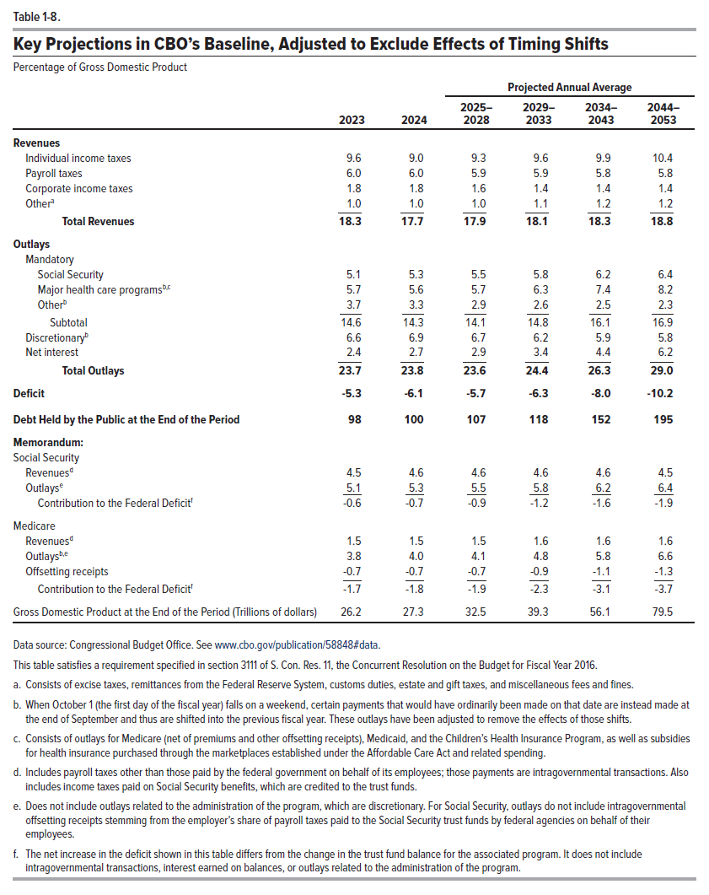
Table 1-8. Key Projections in CBO's Baseline, Adjusted to Exclude Effects of Timing Shifts
Percentage of Gross Domestic Product
 |  |  | Projected Annual Average
 | 2023 | 2024 | 2025–2028 | 2029–2033 | 2034–2043 | 2044–2053
Revenues
Individual income taxes | 9.6 | 9.0 | 9.3 | 9.6 | 9.9 | 10.4
Payroll taxes | 6.0 | 6.0 | 5.9 | 5.9 | 5.8 | 5.8
Corporate income taxes | 1.8 | 1.8 | 1.6 | 1.4 | 1.4 | 1.4
Othera | 1.0 | 1.0 | 1.0 | 1.1 | 1.2 | 1.2
 | ____ | ____ | ____ | ____ | ____ | ____
Total Revenues | 18.3 | 17.7 | 17.9 | 18.1 | 18.3 | 18.8

Outlays
Mandatory
Social Security | 5.1 | 5.3 | 5.5 | 5.8 | 6.2 | 6.4
Major health care programsb,c | 5.7 | 5.6 | 5.7 | 6.3 | 7.4 | 8.2
Otherb | 3.7 | 3.3 | 2.9 | 2.6 | 2.5 | 2.3
 | ____ | ____ | ____ | ____ | ____ | ____
Subtotal | 14.6 | 14.3 | 14.1 | 14.8 | 16.1 | 16.9

Discretionaryb | 6.6 | 6.9 | 6.7 | 6.2 | 5.9 | 5.8
Net Interest | 2.4 | 2.7 | 2.9 | 3.4 | 4.4 | 6.2
 | ____ | ____ | ____ | ____ | ____ | ____
Total Outlays | 23.7 | 23.8 | 23.6 | 24.4 | 26.3 | 29.0

Deficit | -5.3 | -6.1 | -5.7 | -6.3 | -8.0 | -10.2

Debt Held by the Public at the End of the Period | 98 | 100 | 107 | 118 | 152 | 195

Memorandum:
Social Security
Revenuesd | 4.5 | 4.6 | 4.6 | 4.6 | 4.6 | 4.5
Outlayse | 5.1 | 5.3 | 5.5 | 5.8 | 6.2 | 6.4
 | ____ | ____ | ____ | ____ | ____ | ____
Contribution to the Federal Deficitf | -0.6 | -0.7 | -0.9 | -1.2 | -1.6 | -1.9

Medicare
Revenuesd | 1.5 | 1.5 | 1.5 | 1.6 | 1.6 | 1.6
Outlaysb,e | 3.8 | 4.0 | 4.1 | 4.8 | 5.8 | 6.6
Offsetting receipts | -0.7 | -0.7 | -0.7 | -0.9 | -1.1 | -1.3
 | ____ | ____ | ____ | ____ | ____ | ____
Contribution to the Federal Deficitf | -1.7 | -1.8 | -1.9 | -2.3 | -3.1 | -3.7

Gross Domestic Product at the End of the Period (Trillions of dollars) | 26.2 | 27.3 | 32.5 | 39.3 | 56.1 | 79.5

Back to Table of Contents

