Table 1
This file presents the data from the tables and figures in CBO's March 2024 report The Role of the Federal Home Loan Banks in the Financail System.
www.cbo.gov/publication/59712

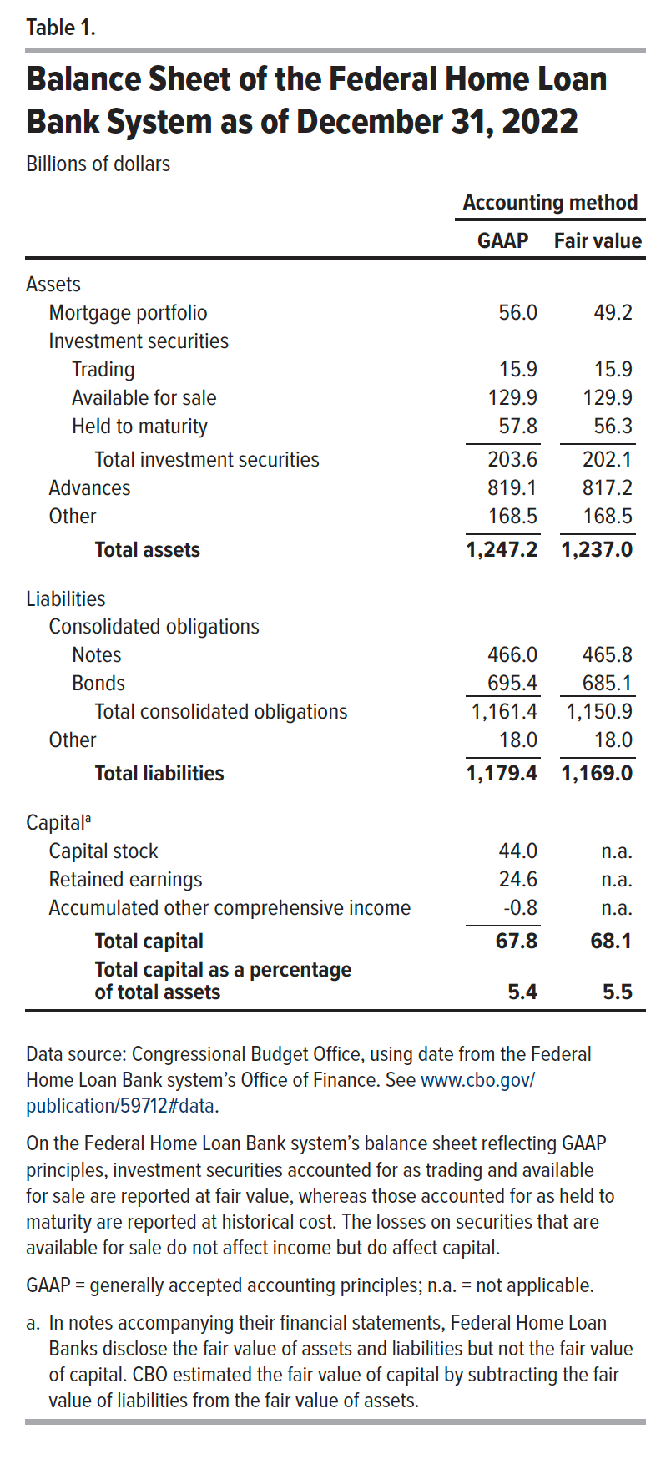
Table 1. Balance Sheet of the Federal Home Loan Bank System as of December 31, 2022
Billions of dollars

 | Accounting method
 | GAAP | Fair value
Assets
Mortgage portfolio | 56.0 | 49.2
Investment securities
Trading | 15.9 | 15.9
Available for sale | 129.9 | 129.9
Held to maturity | 57.8 | 56.3
Total investment securities | 203.6 | 202.1
Advances | 819.1 | 817.2
Other | 168.5 | 168.5
Total assets | 1247.2 | 1237.0
Liabilities
Consolidated obligations
Notes | 466.0 | 465.8
Bonds | 695.4 | 685.1
Total consolidated obligations | 1161.4 | 1150.9
Other | 18.0 | 18.0
Total liabilities | 1179.4 | 1169.0
Capital
Capital stock | 44.0 | n.a.
Retained earnings | 24.6 | n.a.
Accumulated other comprehensive income | -0.8 | n.a.
Total capital | 67.8 | 68.1
Total capital as a percentage of total assets | 5.4 | 5.5

Back to Table of Contents

Table 2
This file presents the data from the tables and figures in CBO's March 2024 report The Role of the Federal Home Loan Banks in the Financail System.
www.cbo.gov/publication/59712

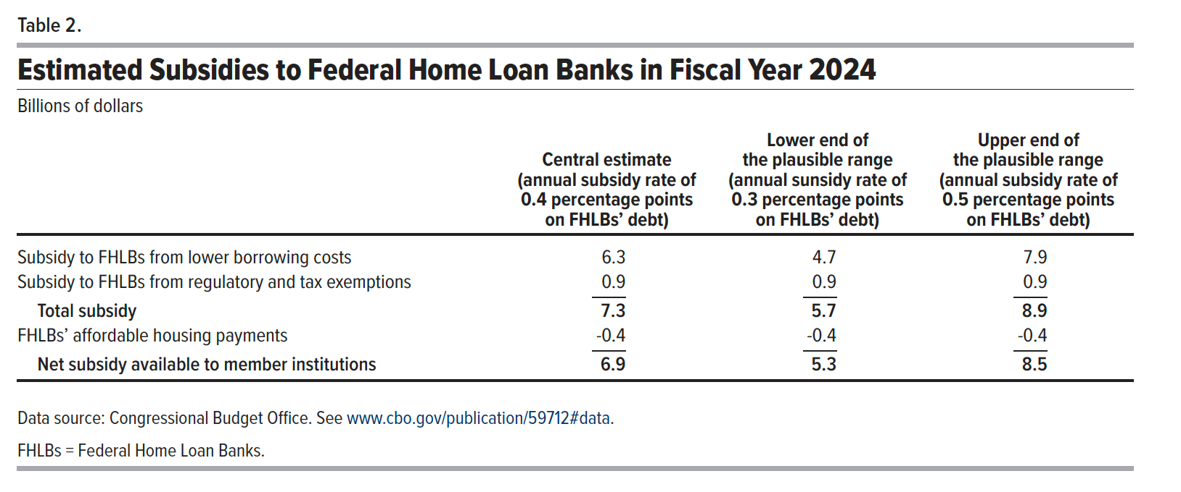
Table 2. Estimated Subsidies to Federal Home Loan Banks in Fiscal Year 2024
Billions of dollars

 | Central estimate (annual subsidy rate of 0.4 percentage points on FHLBs’ debt) | Lower end of the plausible range (annual sunsidy rate of 0.3 percentage points on FHLBs’ debt) | Upper end of the plausible range (annual subsidy rate of 0.5 percentage points on FHLBs’ debt)
Subsidy to FHLBs from lower borrowing costs | 6.3 | 4.7 | 7.9
Subsidy to FHLBs from regulatory and tax exemptions | 0.9 | 0.9 | 0.9
Total subsidy | 7.3 | 5.7 | 8.9
FHLBs’ affordable housing payments | -0.4 | -0.4 | -0.4
Net subsidy available to member institutions | 6.9 | 5.3 | 8.5

Back to Table of Contents

Figure 2
This file presents the data from the tables and figures in CBO's March 2024 report The Role of the Federal Home Loan Banks in the Financail System.
www.cbo.gov/publication/59712

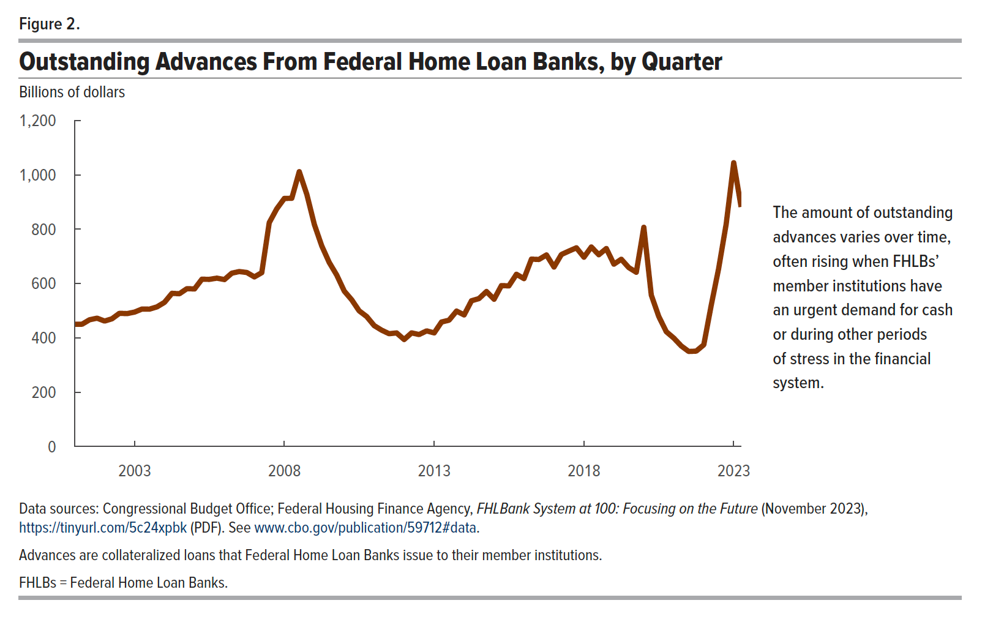
Figure 2. Outstanding Advances From Federal Home Loan Banks, by Quarter
Billions of dollars

Quarter | Advances
2001-01-01 | 450.38
2001-04-01 | 450.25
2001-07-01 | 466.58
2001-10-01 | 472.54
2002-01-01 | 461.86
2002-04-01 | 470.22
2002-07-01 | 490.47
2002-10-01 | 489.34
2003-01-01 | 494.89
2003-04-01 | 506.07
2003-07-01 | 505.67
2003-10-01 | 514.04
2004-01-01 | 530.75
2004-04-01 | 563.93
2004-07-01 | 562.43
2004-10-01 | 581.22
2005-01-01 | 580.13
2005-04-01 | 615.80
2005-07-01 | 615.35
2005-10-01 | 619.86
2006-01-01 | 614.65
2006-04-01 | 638.17
2006-07-01 | 644.16
2006-10-01 | 640.68
2007-01-01 | 624.42
2007-04-01 | 640.04
2007-07-01 | 824.00
2007-10-01 | 875.06
2008-01-01 | 913.10
2008-04-01 | 913.90
2008-07-01 | 1,011.69
2008-10-01 | 928.64
2009-01-01 | 817.41
2009-04-01 | 738.81
2009-07-01 | 677.88
2009-10-01 | 631.16
2010-01-01 | 572.04
2010-04-01 | 540.32
2010-07-01 | 499.62
2010-10-01 | 478.59
2011-01-01 | 445.09
2011-04-01 | 428.46
2011-07-01 | 415.38
2011-10-01 | 418.16
2012-01-01 | 393.93
2012-04-01 | 418.37
2012-07-01 | 412.26
2012-10-01 | 425.75
2013-01-01 | 418.30
2013-04-01 | 458.46
2013-07-01 | 465.11
2013-10-01 | 498.60
2014-01-01 | 484.44
2014-04-01 | 536.63
2014-07-01 | 544.57
2014-10-01 | 570.73
2015-01-01 | 542.19
2015-04-01 | 592.38
2015-07-01 | 591.46
2015-10-01 | 634.02
2016-01-01 | 618.14
2016-04-01 | 689.79
2016-07-01 | 688.60
2016-10-01 | 705.23
2017-01-01 | 660.74
2017-04-01 | 706.85
2017-07-01 | 719.39
2017-10-01 | 731.54
2018-01-01 | 697.07
2018-04-01 | 734.46
2018-07-01 | 706.01
2018-10-01 | 728.77
2019-01-01 | 671.38
2019-04-01 | 689.38
2019-07-01 | 658.76
2019-10-01 | 641.52
2020-01-01 | 806.94
2020-04-01 | 557.55
2020-07-01 | 479.02
2020-10-01 | 422.64
2021-01-01 | 399.07
2021-04-01 | 370.35
2021-07-01 | 350.04
2021-10-01 | 351.28
2022-01-01 | 374.57
2022-04-01 | 518.88
2022-07-01 | 655.03
2022-10-01 | 819.12
2023-01-01 | 1,044.61
2023-04-01 | 882.06

Back to Table of Contents

