Table 1
This file presents data that supplement CBO’s March 2024 report Legislation Enacted in the First Session of the 118th Congress That Affects Mandatory Spending or Revenues.
www.cbo.gov/publication/59694

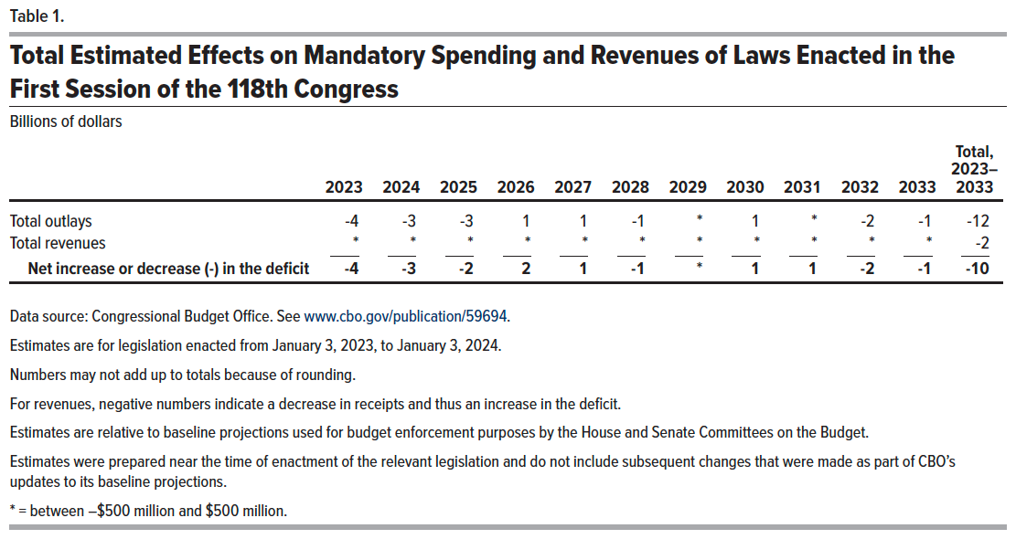
Table 1.
Total Estimated Effects on Mandatory Spending and Revenues of Laws Enacted in the First Session of the 118th Congress
Billions of dollars

 | 2023 | 2024 | 2025 | 2026 | 2027 | 2028 | 2029 | 2030 | 2031 | 2032 | 2033 | Total, 2023–2033
Total outlays | -4 | -3 | -3 | 1 | 1 | -1 | * | 1 | * | -2 | -1 | -12
Total revenues | * | * | * | * | * | * | * | * | * | * | * | -2
Net increase or decrease (-) in the deficit | -4 | -3 | -2 | 2 | 1 | -1 | * | 1 | 1 | -2 | -1 | -10

Back to Table of Contents

