Table 1
This file presents the data from the tables and figures in CBO's February 2021 report A Comparison of Brand-Name Drug Prices Among Selected Federal Programs.
www.cbo.gov/publication/56978

Table 1. Comparison of Selected Federal Programs Providing Outpatient Prescription Drug Coverage
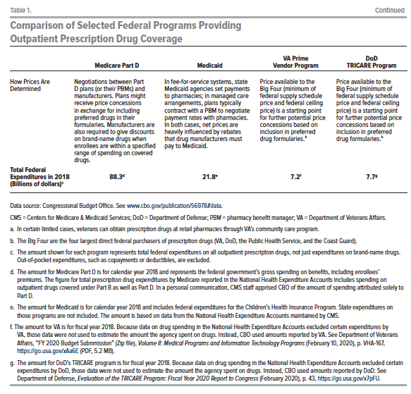

 | Medicare Part D | Medicaid | VA Prime Vendor Program | DoD TRICARE Program

Eligibility | People age 65 or older who paid Medicare payroll taxes for at least 10 years; certain younger people who have received Social Security disability benefits for at least two years or who have end-stage renal disease or amyotrophic lateral sclerosis. | States are required to cover certain low-income individuals, including children and their parents, pregnant women, people with disabilities, and people age 65 or older. States may choose to cover other groups, such as low-income adults without dependent children and people receiving home- and community-based services. | Veterans who have served on active duty (including reservists) and who did not receive a dishonorable discharge may be eligible for VA health care benefits. While most such veterans qualify, their length of service, income, and service-connected disabilities may affect their access to VA health care. | Active-duty and retired military and dependents. | 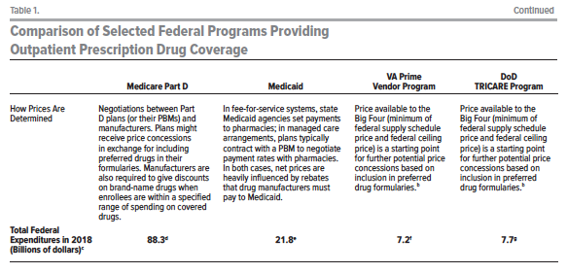
Where Prescriptions Are Filled | Private pharmacies, including mail-order pharmacies. | Participating private pharmacies, including mail-order pharmacies. | VA medical facilities or VA mail-order pharmacy. | Military treatment facilities; TRICARE mail-order pharmacy; TRICARE retail network pharmacies; nonnetwork pharmacies.
Covered Drugs | Plan sponsors develop their own list of covered drugs subject to certain requirements. Plans may steer enrollees toward preferred drugs by requiring higher copayments or requiring prior authorization for nonpreferred drugs. | States must cover all drugs made by manufacturers that have entered into a rebate agreement with CMS, except for drugs used for a limited set of conditions specified by federal law. Each state may develop a list of preferred drugs and require prior authorization or higher copayments for drugs not on that list. | VA develops a national formulary with a list of preferred dugs and steers patients toward those drugs by requiring prior authorization and, in some cases, higher copayments for drugs not on that list. | DoD develops a national formulary with a list of preferred dugs and steers patients toward those drugs by requiring prior authorization and, in some cases, higher copayments for drugs not on that list.
How Prices Are Determined | Negotiations between Part D plans (or their PBMs) and manufacturers. Plans might receive price concessions in exchange for including preferred drugs in their formularies. Manufacturers are also required to give discounts on brand-name drugs when enrollees are within a specified range of spending on covered drugs. | In fee-for-service systems, state Medicaid agencies set payments to pharmacies; in managed care arrangements, plans typically contract with a PBM to negotiate payment rates with pharmacies. In both cases, net prices are heavily influenced by rebates that drug manufacturers must pay to Medicaid. | Price available to the Big Four (minimum of federal supply schedule price and federal ceiling price) is a starting point for further potential price concessions based on inclusion in preferred drug formularies. | Price available to the Big Four (minimum of federal supply schedule price and federal ceiling price) is a starting point for further potential price concessions based on inclusion in preferred drug formularies.
Total Federal Expenditures in 2018 (Billions of dollars) | 88.3 | 21.8 | 7.2 | 7.7

Back to Table of Contents

Table 2
This file presents the data from the tables and figures in CBO's February 2021 report A Comparison of Brand-Name Drug Prices Among Selected Federal Programs.
www.cbo.gov/publication/56978

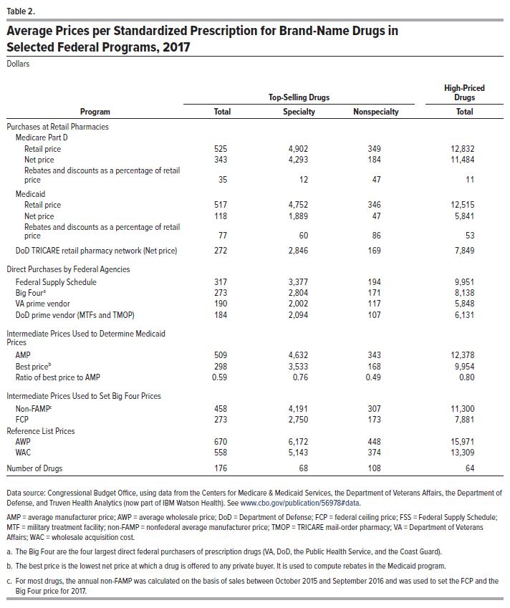
Table 2. Average Prices per Standardized Prescription for Brand-Name Drugs in Selected Federal Programs, 2017
Dollars

 | Top-Selling Drugs |  |  | High-Priced Drugs

Program | Total | Specialty | Nonspecialty | Total
Purchases at Retail Pharmacies
Medicare Part D
Retail price | 525 | 4,902 | 349 | 12,832
Net price | 343 | 4,293 | 184 | 11,484
Rebates and discounts as a percentage of retail price | 35 | 12 | 47 | 11
Medicaid
Retail price | 517 | 4,752 | 346 | 12,515
Net price | 118 | 1,889 | 47 | 5,841
Rebates and discounts as a percentage of retail price | 77 | 60 | 86 | 53
DoD TRICARE retail pharmacy network (Net price) | 272 | 2,846 | 169 | 7,849
Direct Purchases by Federal Agencies
Federal Supply Schedule | 317 | 3,377 | 194 | 9,951
Big Four | 273 | 2,804 | 171 | 8,138
VA prime vendor | 190 | 2,002 | 117 | 5,848
DoD prime vendor (MTFs and TMOP) | 184 | 2,094 | 107 | 6,131
Intermediate Prices Used to Determine Medicaid Prices
AMP | 509 | 4,632 | 343 | 12,378
Best price | 298 | 3,533 | 168 | 9,954
Ratio of best price to AMP | 0.59 | 0.76 | 0.49 | 1
Intermediate Prices Used to Set Big Four Prices
Non-FAMP | 458 | 4,191 | 307 | 11,300
FCP | 273 | 2,750 | 173 | 7,881
Reference List Prices
AWP | 670 | 6,172 | 448 | 15,971
WAC | 558 | 5,143 | 374 | 13,309
Number of Drugs | 176 | 68 | 108 | 64

Back to Table of Contents

Table 3
This file presents the data from the tables and figures in CBO's February 2021 report A Comparison of Brand-Name Drug Prices Among Selected Federal Programs.
www.cbo.gov/publication/56978

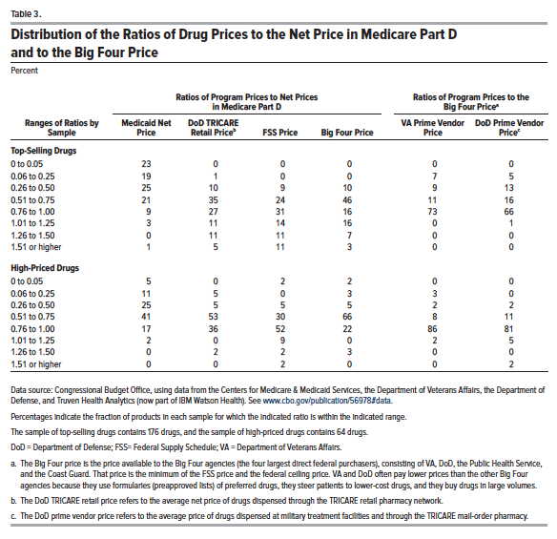
Table 3. Distribution of the Ratios of Drug Prices to the Net Price in Medicare Part D and to the Big Four Price
Percent

 | Ratios of Program Prices to Net Prices in Medicare Part D |  |  |  | Ratios of Program Prices to the Big Four Price
Ranges of Ratios by Sample | Medicaid Net Price | DoD TRICARE Retail Price | FSS Price | Big Four Price | VA Prime Vendor Price | DoD Prime Vendor Price
Top-Selling Drugs
0 to 0.05 | 23 | 0 | 0 | 0 | 0 | 0
0.06 to 0.25 | 19 | 1 | 0 | 0 | 7 | 5
0.26 to 0.50 | 25 | 10 | 9 | 10 | 9 | 13
0.51 to 0.75 | 21 | 35 | 24 | 46 | 11 | 16
0.76 to 1.00 | 9 | 27 | 31 | 16 | 73 | 66
1.01 to 1.25 | 3 | 11 | 14 | 16 | 0 | 1
1.26 to 1.50 | 0 | 11 | 11 | 7 | 0 | 0
1.51 or higher | 1 | 5 | 11 | 3 | 0 | 0
High-Priced Drugs
0 to 0.05 | 5 | 0 | 2 | 2 | 0 | 0
0.06 to 0.25 | 11 | 5 | 0 | 3 | 3 | 0
0.26 to 0.50 | 25 | 5 | 5 | 5 | 2 | 2
0.51 to 0.75 | 41 | 53 | 30 | 66 | 8 | 11
0.76 to 1.00 | 17 | 36 | 52 | 22 | 86 | 81
1.01 to 1.25 | 2 | 0 | 9 | 0 | 2 | 5
1.26 to 1.50 | 0 | 2 | 2 | 3 | 0 | 0
1.51 or higher | 0 | 0 | 2 | 0 | 0 | 2

Back to Table of Contents

Table A-1
This file presents the data from the tables and figures in CBO's February 2021 report A Comparison of Brand-Name Drug Prices Among Selected Federal Programs.
www.cbo.gov/publication/56978

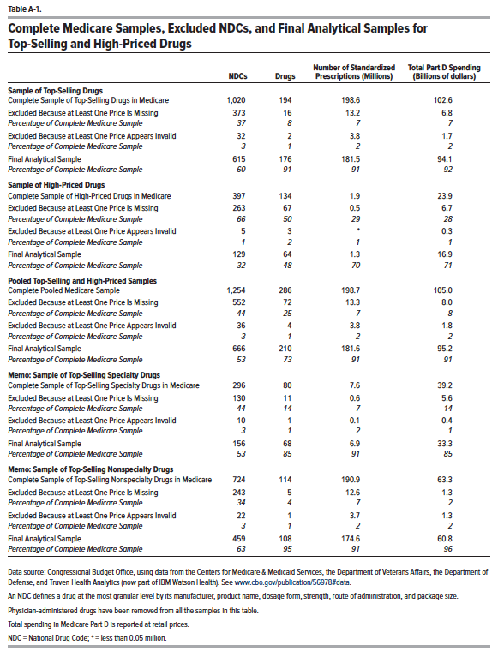
Table A-1. Complete Medicare Samples, Excluded NDCs, and Final Analytical Samples for Top-Selling and High-Priced Drugs

 | NDCs | Drugs | Number of Standardized Prescriptions (Millions) | Total Part D Spending (Billions of dollars)
Sample of Top-Selling Drugs
Complete Sample of Top-Selling Drugs in Medicare | 1,020 | 194 | 198.6 | 102.6
Excluded Because at Least One Price Is Missing | 373 | 16 | 13.2 | 6.8
Percentage of Complete Medicare Sample | 37 | 8 | 7 | 7
Excluded Because at Least One Price Appears Invalid | 32 | 2 | 3.8 | 1.7
Percentage of Complete Medicare Sample | 3 | 1 | 2 | 2
Final Analytical Sample | 615 | 176 | 181.5 | 94.1
Percentage of Complete Medicare Sample | 60 | 91 | 91 | 92

Sample of High-Priced Drugs
Complete Sample of High-Priced Drugs in Medicare | 397 | 134 | 1.9 | 23.9
Excluded Because at Least One Price Is Missing | 263 | 67 | 0.5 | 6.7
Percentage of Complete Medicare Sample | 66 | 50 | 29 | 28
Excluded Because at Least One Price Appears Invalid | 5 | 3 | * | 0.3
Percentage of Complete Medicare Sample | 1 | 2 | 1 | 1
Final Analytical Sample | 129 | 64 | 1.3 | 16.9
Percentage of Complete Medicare Sample | 32 | 48 | 70 | 71

Pooled Top-Selling and High-Priced Samples
Complete Pooled Medicare Sample | 1,254 | 286 | 198.7 | 105
Excluded Because at Least One Price Is Missing | 552 | 72 | 13.3 | 8
Percentage of Complete Medicare Sample | 44 | 25 | 7 | 8
Excluded Because at Least One Price Appears Invalid | 36 | 4 | 3.8 | 1.8
Percentage of Complete Medicare Sample | 3 | 1 | 2 | 2
Final Analytical Sample | 666 | 210 | 181.6 | 95.2
Percentage of Complete Medicare Sample | 53 | 73 | 91 | 91

Memo: Sample of Top-Selling Specialty Drugs
Complete Sample of Top-Selling Specialty Drugs in Medicare | 296 | 80 | 7.6 | 39.2
Excluded Because at Least One Price Is Missing | 130 | 11 | 0.6 | 5.6
Percentage of Complete Medicare Sample | 44 | 14 | 7 | 14
Excluded Because at Least One Price Appears Invalid | 10 | 1 | 0.1 | 0.4
Percentage of Complete Medicare Sample | 3 | 1 | 2 | 1
Final Analytical Sample | 156 | 68 | 6.9 | 33.3
Percentage of Complete Medicare Sample | 53 | 85 | 91 | 85

Memo: Sample of Top-Selling Nonspecialty Drugs
Complete Sample of Top-Selling Nonspecialty Drugs in Medicare | 724 | 114 | 190.9 | 63.3
Excluded Because at Least One Price Is Missing | 243 | 5 | 12.6 | 1.3
Percentage of Complete Medicare Sample | 34 | 4 | 7 | 2
Excluded Because at Least One Price Appears Invalid | 22 | 1 | 3.7 | 1.3
Percentage of Complete Medicare Sample | 3 | 1 | 2 | 2
Final Analytical Sample | 459 | 108 | 174.6 | 60.8
Percentage of Complete Medicare Sample | 63 | 95 | 91 | 96

Back to Table of Contents

Table A-2
This file presents the data from the tables and figures in CBO's February 2021 report A Comparison of Brand-Name Drug Prices Among Selected Federal Programs.
www.cbo.gov/publication/56978

Table A-2. Availability of Price Data for Top-Selling and High-Priced Drugs in Medicare Part D in Different Federal Programs
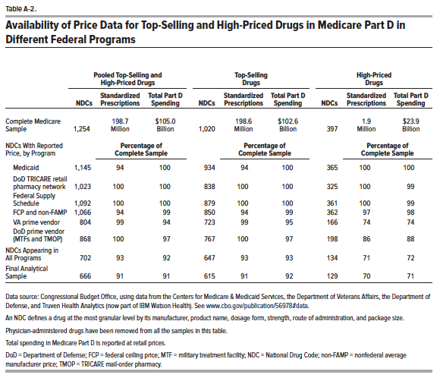

 | Pooled Top-Selling and High-Priced Drugs |  |  | Top-Selling Drugs |  |  | High-Priced Drugs
 | NDCs | Standardized Prescriptions | Total Part D Spending | NDCs | Standardized Prescriptions | Total Part D Spending | NDCs | Standardized Prescriptions | Total Part D Spending
Complete Medicare Sample | 1,254 | 198.7 Million | $105.0 Billion | 1,020 | 198.6 Million | $102.6 Billion | 397 | 1.9 Million | $23.9 Billion
NDCs With Reported Price, by Program |  | Percentage of Complete Sample |  | Percentage of Complete Sample |  |  | Percentage of Complete Sample
Medicaid | 1,145 | 94 | 100 | 934 | 94 | 100 | 365 | 100 | 100
DoD TRICARE retail pharmacy network | 1,023 | 100 | 100 | 838 | 100 | 100 | 325 | 100 | 99
Federal Supply Schedule | 1,092 | 100 | 100 | 879 | 100 | 100 | 361 | 100 | 99
FCP and non-FAMP | 1,066 | 94 | 99 | 850 | 94 | 99 | 362 | 97 | 98
VA prime vendor | 804 | 99 | 94 | 723 | 99 | 95 | 166 | 74 | 74
DoD prime vendor (MTFs and TMOP) | 868 | 100 | 97 | 767 | 100 | 97 | 198 | 86 | 88
NDCs Appearing in All Programs | 702 | 93 | 92 | 647 | 93 | 93 | 134 | 71 | 72
Final Analytical Sample | 666 | 91 | 91 | 615 | 91 | 92 | 129 | 70 | 71

Back to Table of Contents

Figure 4
This file presents the data from the tables and figures in CBO's February 2021 report A Comparison of Brand-Name Drug Prices Among Selected Federal Programs.
www.cbo.gov/publication/56978

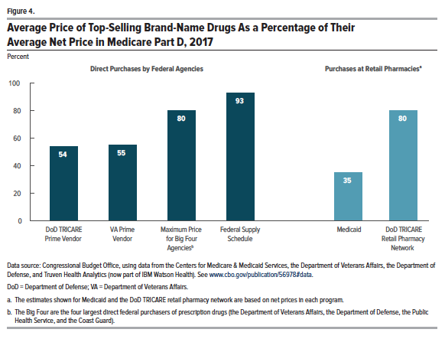
Figure 4. Average Price of Top-Selling Brand-Name Drugs As a Percentage of Their Average Net Price in Medicare Part D, 2017
Percent

Direct Purchases by Federal Agencies |  |  |  | Purchases at Retail Pharmacies
DoD TRICARE Prime Vendor | VA Prime Vendor | Maximum Price for Big Four Agencies | Federal Supply Schedule | Medicaid | DoD TRICARE Retail Pharmacy Network
54 | 55 | 80 | 93 | 35 | 80

Back to Table of Contents

Figure 5
This file presents the data from the tables and figures in CBO's February 2021 report A Comparison of Brand-Name Drug Prices Among Selected Federal Programs.
www.cbo.gov/publication/56978

Figure 5. Average Prices of Brand-Name Outpatient Prescription Drugs in Selected Federal Programs As a Ratio of the Federal Supply Schedule Price
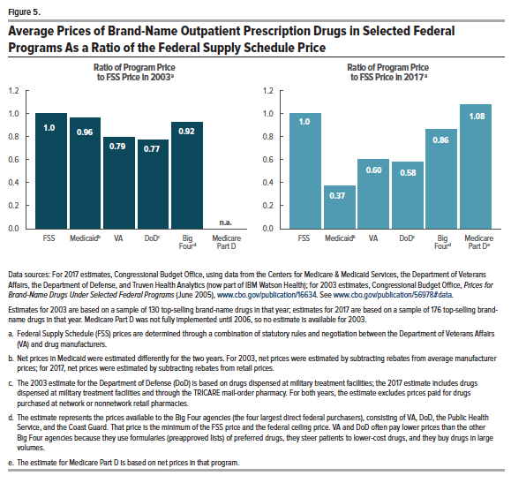

 | Ratio of Program Price to FSS Price in 2003 | Ratio of Program Price to FSS Price in 2017
FSS | 1 | 1
Medicaid | 0.962 | 0.373
VA | 0.792 | 0.599
DoD | 0.774 | 0.58
Big Four | 0.925 | 0.861
Medicare Part D | 0 | 1.08

Back to Table of Contents

