Table 1-1
This file presents data from tables in CBO's July 2021 report Additional Information About the Updated Budget and Economic Outlook: 2021 to 2031 and provides supplemental data.
www.cbo.gov/publication/57263

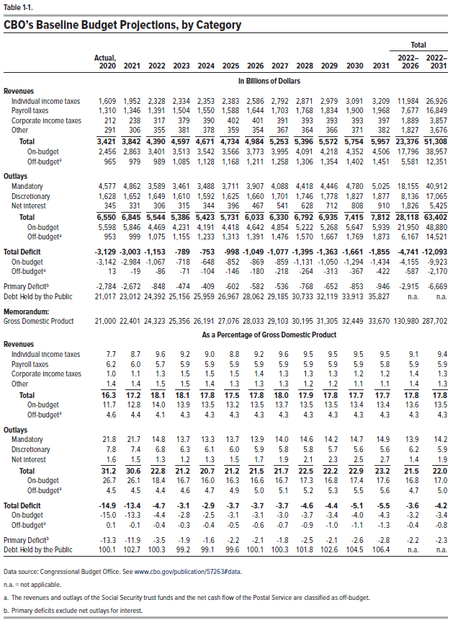
Table 1-1. CBO's Baseline Budget Projections, by Category

 |  |  |  |  |  |  |  |  |  |  |  |  | Total
 | Actual, |  |  |  |  |  |  |  |  |  |  |  | -2022 | -2022
 | 2020 | 2021 | 2022 | 2023 | 2024 | 2025 | 2026 | 2027 | 2028 | 2029 | 2030 | 2031 | 2026 | 2031
In Billions of Dollars
Revenues
Individual income taxes | 1,609 | 1,952 | 2,328 | 2,334 | 2,353 | 2,383 | 2,586 | 2,792 | 2,871 | 2,979 | 3,091 | 3,209 | 11,984 | 26,926
Payroll taxes | 1,310 | 1,346 | 1,391 | 1,504 | 1,550 | 1,588 | 1,644 | 1,703 | 1,768 | 1,834 | 1,900 | 1,968 | 7,677 | 16,849
Corporate income taxes | 212 | 238 | 317 | 379 | 390 | 402 | 401 | 391 | 393 | 393 | 393 | 397 | 1,889 | 3,857
Other | 291 | 306 | 355 | 381 | 378 | 359 | 354 | 367 | 364 | 366 | 371 | 382 | 1,827 | 3,676
 | ____ | ____ | ____ | ____ | ____ | ____ | ____ | ____ | ____ | ____ | ____ | ____ | ____ | ____
Total | 3,421 | 3,842 | 4,390 | 4,597 | 4,671 | 4,734 | 4,984 | 5,253 | 5,396 | 5,572 | 5,754 | 5,957 | 23,376 | 51,308
On-budget | 2,456 | 2,863 | 3,401 | 3,513 | 3,542 | 3,566 | 3,773 | 3,995 | 4,091 | 4,218 | 4,352 | 4,506 | 17,796 | 38,957
Off-budget | 965 | 979 | 989 | 1,085 | 1,128 | 1,168 | 1,211 | 1,258 | 1,306 | 1,354 | 1,402 | 1,451 | 5,581 | 12,351

Outlays
Mandatory | 4,577 | 4,862 | 3,589 | 3,461 | 3,488 | 3,711 | 3,907 | 4,088 | 4,418 | 4,446 | 4,780 | 5,025 | 18,155 | 40,912
Discretionary | 1,628 | 1,652 | 1,649 | 1,610 | 1,592 | 1,625 | 1,660 | 1,701 | 1,746 | 1,778 | 1,827 | 1,877 | 8,136 | 17,065
Net Interest | 345 | 331 | 306 | 315 | 344 | 396 | 467 | 541 | 628 | 712 | 808 | 910 | 1,826 | 5,425
 | ____ | ____ | ____ | ____ | ____ | ____ | ____ | ____ | ____ | ____ | ____ | ____ | ____ | ____
Total | 6,550 | 6,845 | 5,544 | 5,386 | 5,423 | 5,731 | 6,033 | 6,330 | 6,792 | 6,935 | 7,415 | 7,812 | 28,118 | 63,402
On-budget | 5,598 | 5,846 | 4,469 | 4,231 | 4,191 | 4,418 | 4,642 | 4,854 | 5,222 | 5,268 | 5,647 | 5,939 | 21,950 | 48,880
Off-budget | 953 | 999 | 1,075 | 1,155 | 1,233 | 1,313 | 1,391 | 1,476 | 1,570 | 1,667 | 1,769 | 1,873 | 6,167 | 14,521

Total Deficit | -3,129 | -3,003 | -1,153 | -789 | -753 | -998 | -1,049 | -1,077 | -1,395 | -1,363 | -1,661 | -1,855 | -4,741 | -12,093
On-budget | -3,142 | -2,984 | -1,067 | -718 | -648 | -852 | -869 | -859 | -1,131 | -1,050 | -1,294 | -1,434 | -4,155 | -9,923
Off-budget | 13 | -19 | -86 | -71 | -104 | -146 | -180 | -218 | -264 | -313 | -367 | -422 | -587 | -2,170

Primary Deficit | -2,784 | -2,672 | -848 | -474 | -409 | -602 | -582 | -536 | -768 | -652 | -853 | -946 | -2,915 | -6,669

Debt Held by the Public | 21,017 | 23,012 | 24,392 | 25,156 | 25,959 | 26,967 | 28,062 | 29,185 | 30,733 | 32,119 | 33,913 | 35,827 | n.a. | n.a.

Memorandum:
Gross Domestic Product | 21,000 | 22,401 | 24,323 | 25,356 | 26,191 | 27,076 | 28,033 | 29,103 | 30,195 | 31,305 | 32,449 | 33,670 | 130,980 | 287,702

As a Percentage of Gross Domestic Product
Revenues
Individual income taxes | 7.7 | 8.7 | 9.6 | 9.2 | 9.0 | 8.8 | 9.2 | 9.6 | 9.5 | 9.5 | 9.5 | 9.5 | 9.1 | 9.4
Payroll taxes | 6.2 | 6.0 | 5.7 | 5.9 | 5.9 | 5.9 | 5.9 | 5.9 | 5.9 | 5.9 | 5.9 | 5.8 | 5.9 | 5.9
Corporate income taxes | 1.0 | 1.1 | 1.3 | 1.5 | 1.5 | 1.5 | 1.4 | 1.3 | 1.3 | 1.3 | 1.2 | 1.2 | 1.4 | 1.3
Other | 1.4 | 1.4 | 1.5 | 1.5 | 1.4 | 1.3 | 1.3 | 1.3 | 1.2 | 1.2 | 1.1 | 1.1 | 1.4 | 1.3
 | ____ | ____ | ____ | ____ | ____ | ____ | ____ | ____ | ____ | ____ | ____ | ____ | ____ | ____
Total | 16.3 | 17.2 | 18.1 | 18.1 | 17.8 | 17.5 | 17.8 | 18.0 | 17.9 | 17.8 | 17.7 | 17.7 | 17.8 | 17.8
On-budget | 11.7 | 12.8 | 14.0 | 13.9 | 13.5 | 13.2 | 13.5 | 13.7 | 13.5 | 13.5 | 13.4 | 13.4 | 13.6 | 13.5
Off-budget | 4.6 | 4.4 | 4.1 | 4.3 | 4.3 | 4.3 | 4.3 | 4.3 | 4.3 | 4.3 | 4.3 | 4.3 | 4.3 | 4.3

Outlays
Mandatory | 21.8 | 21.7 | 14.8 | 13.7 | 13.3 | 13.7 | 13.9 | 14.0 | 14.6 | 14.2 | 14.7 | 14.9 | 13.9 | 14.2
Discretionary | 7.8 | 7.4 | 6.8 | 6.3 | 6.1 | 6.0 | 5.9 | 5.8 | 5.8 | 5.7 | 5.6 | 5.6 | 6.2 | 5.9
Net Interest | 1.6 | 1.5 | 1.3 | 1.2 | 1.3 | 1.5 | 1.7 | 1.9 | 2.1 | 2.3 | 2.5 | 2.7 | 1.4 | 1.9
 | ____ | ____ | ____ | ____ | ____ | ____ | ____ | ____ | ____ | ____ | ____ | ____ | ____ | ____
Total | 31.2 | 30.6 | 22.8 | 21.2 | 20.7 | 21.2 | 21.5 | 21.7 | 22.5 | 22.2 | 22.9 | 23.2 | 21.5 | 22.0
On-budget | 26.7 | 26.1 | 18.4 | 16.7 | 16.0 | 16.3 | 16.6 | 16.7 | 17.3 | 16.8 | 17.4 | 17.6 | 16.8 | 17.0
Off-budget | 4.5 | 4.5 | 4.4 | 4.6 | 4.7 | 4.9 | 5.0 | 5.1 | 5.2 | 5.3 | 5.5 | 5.6 | 4.7 | 5.0

Total Deficit | -14.9 | -13.4 | -4.7 | -3.1 | -2.9 | -3.7 | -3.7 | -3.7 | -4.6 | -4.4 | -5.1 | -5.5 | -3.6 | -4.2
On-budget | -15.0 | -13.3 | -4.4 | -2.8 | -2.5 | -3.1 | -3.1 | -3.0 | -3.7 | -3.4 | -4.0 | -4.3 | -3.2 | -3.4
Off-budget | 0.1 | -0.1 | -0.4 | -0.3 | -0.4 | -0.5 | -0.6 | -0.7 | -0.9 | -1.0 | -1.1 | -1.3 | -0.4 | -0.8

Primary Deficit | -13.3 | -11.9 | -3.5 | -1.9 | -1.6 | -2.2 | -2.1 | -1.8 | -2.5 | -2.1 | -2.6 | -2.8 | -2.2 | -2.3

Debt Held by the Public | 100.1 | 102.7 | 100.3 | 99.2 | 99.1 | 99.6 | 100.1 | 100.3 | 101.8 | 102.6 | 104.5 | 106.4 | n.a. | n.a.

Back to Table of Contents

Table 1-2
This file presents data from tables in CBO's July 2021 report Additional Information About the Updated Budget and Economic Outlook: 2021 to 2031 and provides supplemental data.
www.cbo.gov/publication/57263

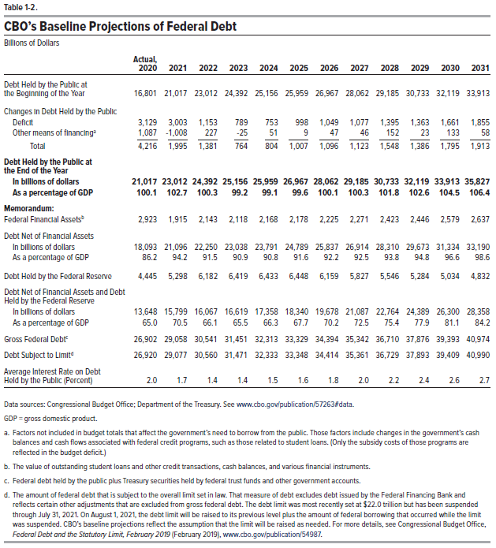
Table 1-2. CBO's Baseline Projections of Federal Debt
Billons of Dollars

 | Actual,
 | 2020 | 2021 | 2022 | 2023 | 2024 | 2025 | 2026 | 2027 | 2028 | 2029 | 2030 | 2031
Debt Held by the Public at the
Beginning of the Year | 16,801 | 21,017 | 23,012 | 24,392 | 25,156 | 25,959 | 26,967 | 28,062 | 29,185 | 30,733 | 32,119 | 33,913

Changes in Debt Held by the Public
Deficit | 3,129 | 3,003 | 1,153 | 789 | 753 | 998 | 1,049 | 1,077 | 1,395 | 1,363 | 1,661 | 1,855
Other means of financing | 1,087 | -1,008 | 227 | -25 | 51 | 9 | 47 | 46 | 152 | 23 | 133 | 58
 | ____ | ____ | ____ | ____ | ____ | ____ | ____ | ____ | ____ | ____ | ____ | ____
Total | 4,216 | 1,995 | 1,381 | 764 | 804 | 1,007 | 1,096 | 1,123 | 1,548 | 1,386 | 1,795 | 1,913

Debt Held by the Public at the
End of the Year
In billions of dollars | 21,017 | 23,012 | 24,392 | 25,156 | 25,959 | 26,967 | 28,062 | 29,185 | 30,733 | 32,119 | 33,913 | 35,827
As a percentage of GDP | 100.1 | 102.7 | 100.3 | 99.2 | 99.1 | 99.6 | 100.1 | 100.3 | 101.8 | 102.6 | 104.5 | 106.4

Memorandum:
Federal Financial Assets | 2,923 | 1,915 | 2,143 | 2,118 | 2,168 | 2,178 | 2,225 | 2,271 | 2,423 | 2,446 | 2,579 | 2,637

Debt Held by the Public Minus
Financial Assets
In billions of dollars | 18,093 | 21,096 | 22,250 | 23,038 | 23,791 | 24,789 | 25,837 | 26,914 | 28,310 | 29,673 | 31,334 | 33,190
As a percentage of GDP | 86.2 | 94.2 | 91.5 | 90.9 | 90.8 | 91.6 | 92.2 | 92.5 | 93.8 | 94.8 | 96.6 | 98.6

Debt Held by the Federal Reserve | 4,445 | 5,298 | 6,182 | 6,419 | 6,433 | 6,448 | 6,159 | 5,827 | 5,546 | 5,284 | 5,034 | 4,832

Debt Net of Financial Assets and
Debt Held by the Federal Reserve
In billions of dollars | 13,648 | 15,799 | 16,067 | 16,619 | 17,358 | 18,340 | 19,678 | 21,087 | 22,764 | 24,389 | 26,300 | 28,358
As a percentage of GDP | 65.0 | 70.5 | 66.1 | 65.5 | 66.3 | 67.7 | 70.2 | 72.5 | 75.4 | 77.9 | 81.1 | 84.2

Gross Federal Debt | 26,902 | 29,058 | 30,541 | 31,451 | 32,313 | 33,329 | 34,394 | 35,342 | 36,710 | 37,876 | 39,393 | 40,974

Debt Subject to Limit | 26,920 | 29,077 | 30,560 | 31,471 | 32,333 | 33,348 | 34,414 | 35,361 | 36,729 | 37,893 | 39,409 | 40,990

Average Interest Rate on Debt Held
by the Public (Percent) | 2.0 | 1.7 | 1.4 | 1.4 | 1.5 | 1.6 | 1.8 | 2.0 | 2.2 | 2.4 | 2.6 | 2.7

Back to Table of Contents

Table 1-3
This file presents data from tables in CBO's July 2021 report Additional Information About the Updated Budget and Economic Outlook: 2021 to 2031 and provides supplemental data.
www.cbo.gov/publication/57263

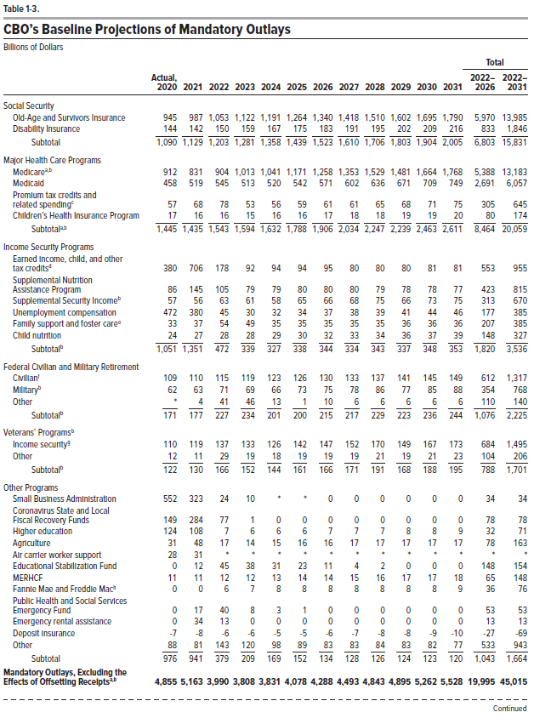
Table 1-3. CBO's Baseline Projections of Mandatory Outlays
Billions of Dollars

 |  |  |  |  |  |  |  |  |  |  |  |  | Total
 | Actual, |  |  |  |  |  |  |  |  |  |  |  | -2022 | -2022
 | 2020 | 2021 | 2022 | 2023 | 2024 | 2025 | 2026 | 2027 | 2028 | 2029 | 2030 | 2031 | 2026 | 2031
Social Security
Old-Age and Survivors Insurance | 945 | 987 | 1,053 | 1,122 | 1,191 | 1,264 | 1,340 | 1,418 | 1,510 | 1,602 | 1,695 | 1,790 | 5,970 | 13,985
Disability Insurance | 144 | 142 | 150 | 159 | 167 | 175 | 183 | 191 | 195 | 202 | 209 | 216 | 833 | 1,846
 | ____ | ____ | ____ | ____ | ____ | ____ | ____ | ____ | ____ | ____ | ____ | ____ | ____ | ____
Subtotal | 1,090 | 1,129 | 1,203 | 1,281 | 1,358 | 1,439 | 1,523 | 1,610 | 1,706 | 1,803 | 1,904 | 2,005 | 6,803 | 15,831

Major Health Care Programs
Medicare | 912 | 831 | 904 | 1,013 | 1,041 | 1,171 | 1,258 | 1,353 | 1,529 | 1,481 | 1,664 | 1,768 | 5,388 | 13,183
Medicaid | 458 | 519 | 545 | 513 | 520 | 542 | 571 | 602 | 636 | 671 | 709 | 749 | 2,691 | 6,057
Premium tax credits and related spending | 57 | 68 | 78 | 53 | 56 | 59 | 61 | 61 | 65 | 68 | 71 | 75 | 305 | 645
Children's Health Insurance Program | 17 | 16 | 16 | 15 | 16 | 16 | 17 | 18 | 18 | 19 | 19 | 20 | 80 | 174
 | ____ | ____ | ____ | ____ | ____ | ____ | ____ | ____ | ____ | ____ | ____ | ____ | ____ | ____
Subtotal | 1,445 | 1,435 | 1,543 | 1,594 | 1,632 | 1,788 | 1,906 | 2,034 | 2,247 | 2,239 | 2,463 | 2,611 | 8,464 | 20,059

Income Security Programs
Earned income, child, and other tax credits | 380 | 706 | 178 | 92 | 94 | 94 | 95 | 80 | 80 | 80 | 81 | 81 | 553 | 955
Supplemental Nutrition Assistance Program | 86 | 145 | 105 | 79 | 79 | 80 | 80 | 80 | 79 | 78 | 78 | 77 | 423 | 815
Supplemental Security Income | 57 | 56 | 63 | 61 | 58 | 65 | 66 | 68 | 75 | 66 | 73 | 75 | 313 | 670
Unemployment compensation | 472 | 380 | 45 | 30 | 32 | 34 | 37 | 38 | 39 | 41 | 44 | 46 | 177 | 385
Family support and foster care | 33 | 37 | 54 | 49 | 35 | 35 | 35 | 35 | 35 | 36 | 36 | 36 | 207 | 385
Child nutrition | 24 | 27 | 28 | 28 | 29 | 30 | 32 | 33 | 34 | 36 | 37 | 39 | 148 | 327
 | ____ | ____ | ____ | ____ | ____ | ____ | ____ | ____ | ____ | ____ | ____ | ____ | ____ | ____
Subtotal | 1,051 | 1,351 | 472 | 339 | 327 | 338 | 344 | 334 | 343 | 337 | 348 | 353 | 1,820 | 3,536

Federal Civilian and Military Retirement
Civilian | 109 | 110 | 115 | 119 | 123 | 126 | 130 | 133 | 137 | 141 | 145 | 149 | 612 | 1,317
Military | 62 | 63 | 71 | 69 | 66 | 73 | 75 | 78 | 86 | 77 | 85 | 88 | 354 | 768
Other | 0 | 4 | 41 | 46 | 13 | 1 | 10 | 6 | 6 | 6 | 6 | 6 | 110 | 140
 | ____ | ____ | ____ | ____ | ____ | ____ | ____ | ____ | ____ | ____ | ____ | ____ | ____ | ____
Subtotal | 171 | 177 | 227 | 234 | 201 | 200 | 215 | 217 | 229 | 223 | 236 | 244 | 1,076 | 2,225

Veterans' Programs
Income security | 110 | 119 | 137 | 133 | 126 | 142 | 147 | 152 | 170 | 149 | 167 | 173 | 684 | 1,495
Other | 12 | 11 | 29 | 19 | 18 | 19 | 19 | 19 | 21 | 19 | 21 | 23 | 104 | 206
 | ____ | ____ | ____ | ____ | ____ | ____ | ____ | ____ | ____ | ____ | ____ | ____ | ____ | ____
Subtotal | 122 | 130 | 166 | 152 | 144 | 161 | 166 | 171 | 191 | 168 | 188 | 195 | 788 | 1,701

Other Programs
Small Business Administration | 552 | 323 | 24 | 10 | 0 | 0 | 0 | 0 | 0 | 0 | 0 | 0 | 34 | 34
Coronavirus State and Local Fiscal Recovery Funds | 149 | 284 | 77 | 1 | 0 | 0 | 0 | 0 | 0 | 0 | 0 | 0 | 78 | 78
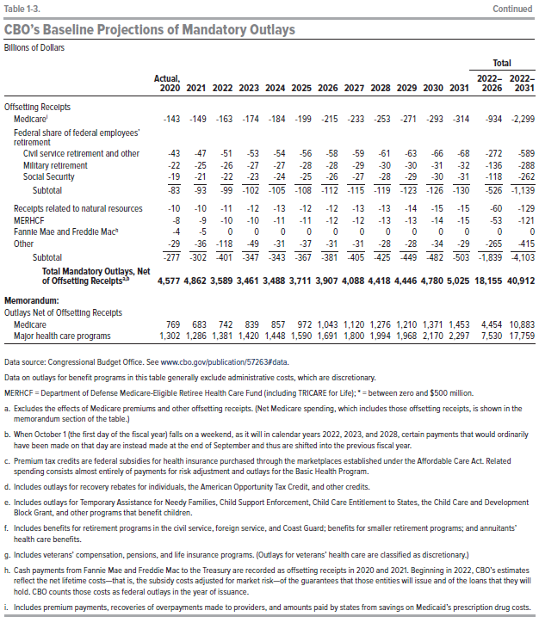
Higher education | 124 | 108 | 7 | 6 | 6 | 6 | 7 | 7 | 7 | 8 | 8 | 9 | 32 | 71
Agriculture | 31 | 48 | 17 | 14 | 15 | 16 | 16 | 17 | 17 | 17 | 17 | 17 | 78 | 163
Air carrier worker support | 28 | 31 | 0 | 0 | 0 | 0 | 0 | 0 | 0 | 0 | 0 | 0 | 0 | 0
Education Stabilization Fund | 0 | 12 | 45 | 38 | 31 | 23 | 11 | 4 | 2 | 0 | 0 | 0 | 148 | 154
MEHRCF | 11 | 11 | 12 | 12 | 13 | 14 | 14 | 15 | 16 | 17 | 17 | 18 | 65 | 148
Fannie Mae and Freddie Mac | 0 | 0 | 6 | 7 | 8 | 8 | 8 | 8 | 8 | 8 | 8 | 9 | 36 | 76
Public Halth and Social Services Emergency Fund | 0 | 17 | 40 | 8 | 3 | 1 | 0 | 0 | 0 | 0 | 0 | 0 | 53 | 53
Emergency rental assistance | 0 | 34 | 13 | 0 | 0 | 0 | 0 | 0 | 0 | 0 | 0 | 0 | 13 | 13
Deposit insurance | -7 | -8 | -6 | -6 | -5 | -5 | -6 | -7 | -8 | -8 | -9 | -10 | -27 | -69
Other | 88 | 81 | 143 | 120 | 98 | 89 | 83 | 83 | 84 | 83 | 82 | 77 | 533 | 943
 | ____ | ____ | ____ | ____ | ____ | ____ | ____ | ____ | ____ | ____ | ____ | ____ | ____ | ____
Subtotal | 976 | 941 | 379 | 209 | 169 | 152 | 134 | 128 | 126 | 124 | 123 | 120 | 1,043 | 1,664

Mandatory Outlays, Excluding the
Effects of Offsetting Receipts | 4,855 | 5,163 | 3,990 | 3,808 | 3,831 | 4,078 | 4,288 | 4,493 | 4,843 | 4,895 | 5,262 | 5,528 | 19,995 | 45,015

Offsetting Receipts
Medicare | -143 | -149 | -163 | -174 | -184 | -199 | -215 | -233 | -253 | -271 | -293 | -314 | -934 | -2,299
Federal share of federal employees' retirement
Civil service retirement and other | -43 | -47 | -51 | -53 | -54 | -56 | -58 | -59 | -61 | -63 | -66 | -68 | -272 | -589
Military retirement | -22 | -25 | -26 | -27 | -27 | -28 | -28 | -29 | -30 | -30 | -31 | -32 | -136 | -288
Social Security | -19 | -21 | -22 | -23 | -24 | -25 | -26 | -27 | -28 | -29 | -30 | -31 | -118 | -262
 | ____ | ____ | ____ | ____ | ____ | ____ | ____ | ____ | ____ | ____ | ____ | ____ | ____ | ____
Subtotal | -83 | -93 | -99 | -102 | -105 | -108 | -112 | -115 | -119 | -123 | -126 | -130 | -526 | -1,139

Receipts related to natural resources | -10 | -10 | -11 | -12 | -13 | -12 | -12 | -13 | -13 | -14 | -15 | -15 | -60 | -129
MERHCF | -8 | -9 | -10 | -10 | -11 | -11 | -12 | -12 | -13 | -13 | -14 | -15 | -53 | -121
Fannie Mae and Freddie Mac | -4 | -5 | 0 | 0 | 0 | 0 | 0 | 0 | 0 | 0 | 0 | 0 | 0 | 0
Other | -29 | -36 | -118 | -49 | -31 | -37 | -31 | -31 | -28 | -28 | -34 | -29 | -265 | -415
 | ____ | ____ | ____ | ____ | ____ | ____ | ____ | ____ | ____ | ____ | ____ | ____ | ____ | ____
Subtotal | -277 | -302 | -401 | -347 | -343 | -367 | -381 | -405 | -425 | -449 | -482 | -503 | -1,839 | -4,103

Total Mandatory Outlays,
Net of Offsetting Receipts | 4,577 | 4,862 | 3,589 | 3,461 | 3,488 | 3,711 | 3,907 | 4,088 | 4,418 | 4,446 | 4,780 | 5,025 | 18,155 | 40,912

Memorandum:
Outlays, Net of Offsetting Receipts
Medicare | 769 | 683 | 742 | 839 | 857 | 972 | 1,043 | 1,120 | 1,276 | 1,210 | 1,371 | 1,453 | 4,454 | 10,883
Major health care programs | 1,302 | 1,286 | 1,381 | 1,420 | 1,448 | 1,590 | 1,691 | 1,800 | 1,994 | 1,968 | 2,170 | 2,297 | 7,530 | 17,759

Back to Table of Contents

Table 1-4
This file presents data from tables in CBO's July 2021 report Additional Information About the Updated Budget and Economic Outlook: 2021 to 2031 and provides supplemental data.
www.cbo.gov/publication/57263

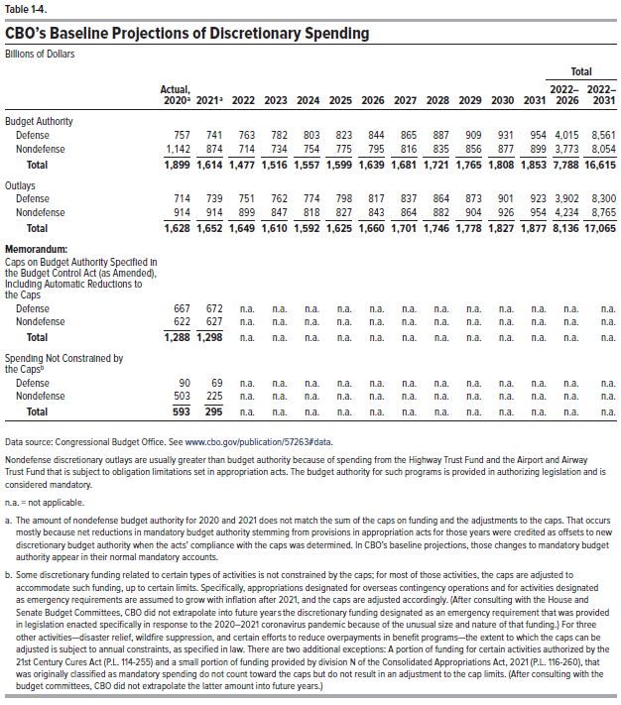
Table 1-4. CBO's Baseline Projections of Discretionary Spending
Billions of Dollars

 |  |  |  |  |  |  |  |  |  |  |  |  | Total
 | Actual, |  |  |  |  |  |  |  |  |  |  |  | -2022 | -2022
 | 2020 | 2021 | 2022 | 2023 | 2024 | 2025 | 2026 | 2027 | 2028 | 2029 | 2030 | 2031 | 2026 | 2031
Budget Authority
Defense | 757 | 741 | 763 | 782 | 803 | 823 | 844 | 865 | 887 | 909 | 931 | 954 | 4,015 | 8,561
Nondefense | 1,142 | 874 | 714 | 734 | 754 | 775 | 795 | 816 | 835 | 856 | 877 | 899 | 3,773 | 8,054
 | ____ | ____ | ____ | ____ | ____ | ____ | ____ | ____ | ____ | ____ | ____ | ____ | ____ | ____
Total | 1,899 | 1,614 | 1,477 | 1,516 | 1,557 | 1,599 | 1,639 | 1,681 | 1,721 | 1,765 | 1,808 | 1,853 | 7,788 | 16,615

Outlays
Defense | 714 | 739 | 751 | 762 | 774 | 798 | 817 | 837 | 864 | 873 | 901 | 923 | 3,902 | 8,300
Nondefense | 914 | 914 | 899 | 847 | 818 | 827 | 843 | 864 | 882 | 904 | 926 | 954 | 4,234 | 8,765
 | ____ | ____ | ____ | ____ | ____ | ____ | ____ | ____ | ____ | ____ | ____ | ____ | ____ | ____
Total | 1,628 | 1,652 | 1,649 | 1,610 | 1,592 | 1,625 | 1,660 | 1,701 | 1,746 | 1,778 | 1,827 | 1,877 | 8,136 | 17,065

Memorandum:
Caps on Budget Authority Specified in
the Budget Control Act (as Amended),
Including Automatic Reductions to
the Caps
Defense | 667 | 672 | n.a. | n.a. | n.a. | n.a. | n.a. | n.a. | n.a. | n.a. | n.a. | n.a. | n.a. | n.a.
Nondefense | 622 | 627 | n.a. | n.a. | n.a. | n.a. | n.a. | n.a. | n.a. | n.a. | n.a. | n.a. | n.a. | n.a.
 | ____ | ____ | ____ | ____ | ____ | ____ | ____ | ____ | ____ | ____ | ____ | ____ | ____ | ____
Total | 1,288 | 1,298 | n.a. | n.a. | n.a. | n.a. | n.a. | n.a. | n.a. | n.a. | n.a. | n.a. | n.a. | n.a.

Spending Not Constrained by
the Caps
Defense | 90 | 69 | n.a. | n.a. | n.a. | n.a. | n.a. | n.a. | n.a. | n.a. | n.a. | n.a. | n.a. | n.a.
Nondefense | 503 | 225 | n.a. | n.a. | n.a. | n.a. | n.a. | n.a. | n.a. | n.a. | n.a. | n.a. | n.a. | n.a.
 | ____ | ____ | ____ | ____ | ____ | ____ | ____ | ____ | ____ | ____ | ____ | ____ | ____ | ____
Total | 593 | 295 | n.a. | n.a. | n.a. | n.a. | n.a. | n.a. | n.a. | n.a. | n.a. | n.a. | n.a. | n.a.

Back to Table of Contents

Table 1-5
This file presents data from tables in CBO's July 2021 report Additional Information About the Updated Budget and Economic Outlook: 2021 to 2031 and provides supplemental data.
www.cbo.gov/publication/57263

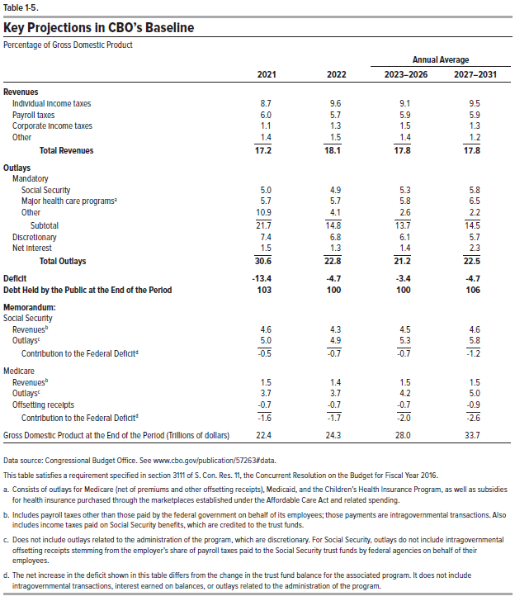
Table 1-5. Key Projections in CBO's Baseline
Percentage of Gross Domestic Product
 |  |  | Annual Average
 | 2021 | 2022 | 2023-2026 | 2027-2031
Revenues
Individual income taxes | 8.7 | 9.6 | 9.1 | 9.5
Payroll taxes | 6.0 | 5.7 | 5.9 | 5.9
Corporate income taxes | 1.1 | 1.3 | 1.5 | 1.3
Other | 1.4 | 1.5 | 1.4 | 1.2
 | ____ | ____ | ____ | ____
Total Revenues | 17.2 | 18.1 | 17.8 | 17.8

Outlays
Mandatory
Social Security | 5.0 | 4.9 | 5.3 | 5.8
Major health care programs | 5.7 | 5.7 | 5.8 | 6.5
Other | 10.9 | 4.1 | 2.6 | 2.2
 | ____ | ____ | ____ | ____
Subtotal | 21.7 | 14.8 | 13.7 | 14.5
Discretionary | 7.4 | 6.8 | 6.1 | 5.7
Net Interest | 1.5 | 1.3 | 1.4 | 2.3
 | ____ | ____ | ____ | ____
Total Outlays | 30.6 | 22.8 | 21.2 | 22.5

Deficit | -13.4 | -4.7 | -3.4 | -4.7

Debt Held by the Public at the End of the Period | 103 | 100 | 100 | 106

Memorandum:
Social Security
Revenues | 4.6 | 4.3 | 4.5 | 4.6
Outlays | 5.0 | 4.9 | 5.3 | 5.8
 | ____ | ____ | ____ | ____
Contribution to the Federal Deficit | -0.5 | -0.7 | -0.7 | -1.2

Medicare
Revenues | 1.5 | 1.4 | 1.5 | 1.5
Outlays | 3.7 | 3.7 | 4.2 | 5.0
Offsetting receipts | -0.7 | -0.7 | -0.7 | -0.9
 | ____ | ____ | ____ | ____
Contribution to the Federal Deficit | -1.6 | -1.7 | -2.0 | -2.6

Gross Domestic Product at the End of the Period (Trillions of dollars) | 22.4 | 24.3 | 28.0 | 33.7

Back to Table of Contents

Table A-1
This file presents data from tables in CBO's July 2021 report Additional Information About the Updated Budget and Economic Outlook: 2021 to 2031 and provides supplemental data.
www.cbo.gov/publication/57263

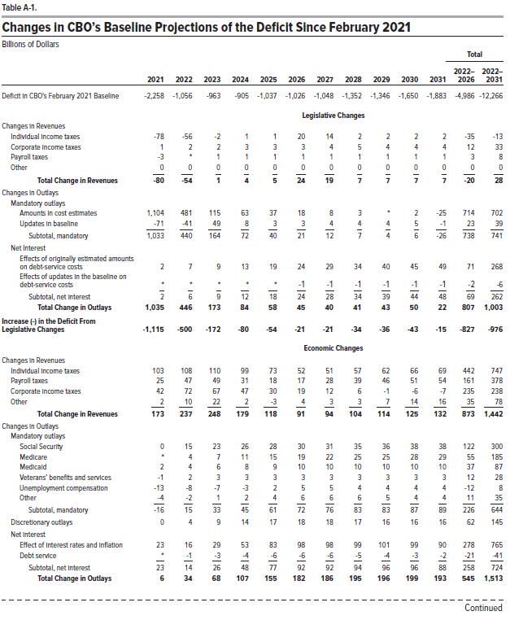
Table A-1. Changes in CBO's Baseline Projections of the Deficit Since February 2021
Billions of Dollars

 |  |  |  |  |  |  |  |  |  |  |  | Total
 |  |  |  |  |  |  |  |  |  |  |  | 2022- | 2022-
 | 2021 | 2022 | 2023 | 2024 | 2025 | 2026 | 2027 | 2028 | 2029 | 2030 | 2031 | 2026 | 2031
Deficit in CBO's February 2021 Baseline | -2,258 | -1,056 | -963 | -905 | -1,037 | -1,026 | -1,048 | -1,352 | -1,346 | -1,650 | -1,883 | -4,986 | -12,266

 | Legislative Changes
Changes in Revenues
Individual income taxes | -78 | -56 | -2 | 1 | 1 | 20 | 14 | 2 | 2 | 2 | 2 | -35 | -13
Corporate income taxes | 1 | 2 | 2 | 3 | 3 | 3 | 4 | 5 | 4 | 4 | 4 | 12 | 33
Payroll taxes | -3 | 0 | 1 | 1 | 1 | 1 | 1 | 1 | 1 | 1 | 1 | 3 | 8
Other | 0 | 0 | 0 | 0 | 0 | 0 | 0 | 0 | 0 | 0 | 0 | 0 | 0
 | ____ | ____ | ____ | ____ | ____ | ____ | ____ | ____ | ____ | ____ | ____ | ____ | ____
Total Change in Revenues | -80 | -54 | 1 | 4 | 5 | 24 | 19 | 7 | 7 | 7 | 7 | -20 | 28

Changes in Outlays
Mandatory outlays
Amounts in cost estimate | 1104 | 481 | 115 | 63 | 37 | 18 | 8 | 3 | 0 | 2 | -25 | 714 | 702
Updates in baseline | -71 | -41 | 49 | 8 | 3 | 3 | 4 | 4 | 4 | 5 | -1 | 23 | 39
 | ____ | ____ | ____ | ____ | ____ | ____ | ____ | ____ | ____ | ____ | ____ | ____ | ____
Subtotal, mandatory | 1033 | 440 | 164 | 72 | 40 | 21 | 12 | 7 | 4 | 6 | -26 | 738 | 741

Net Interest
Effects of originally estimated amounts
on debt-service costs | 2 | 7 | 9 | 13 | 19 | 24 | 29 | 34 | 40 | 45 | 49 | 71 | 268
Effects of updates in baseline
on debt-service costs | 0 | 0 | 0 | 0 | 0 | -1 | -1 | -1 | -1 | -1 | -1 | -2 | -6
 | ____ | ____ | ____ | ____ | ____ | ____ | ____ | ____ | ____ | ____ | ____ | ____ | ____
Subtotal, net interest | 2 | 6 | 9 | 12 | 18 | 24 | 28 | 34 | 39 | 44 | 48 | 69 | 262

Total Change in Outlays | 1,035 | 446 | 173 | 84 | 58 | 45 | 40 | 41 | 43 | 50 | 22 | 807 | 1,003

Increases (-) in the Deficit
From Legislative Changes | -1,115 | -500 | -172 | -80 | -54 | -21 | -21 | -34 | -36 | -43 | -15 | -827 | -976

 | Economic Changes
Changes in Revenues
Individual income taxes | 103 | 108 | 110 | 99 | 73 | 52 | 51 | 57 | 62 | 66 | 69 | 442 | 747
Payroll taxes | 25 | 47 | 49 | 31 | 18 | 17 | 28 | 39 | 46 | 51 | 54 | 161 | 378
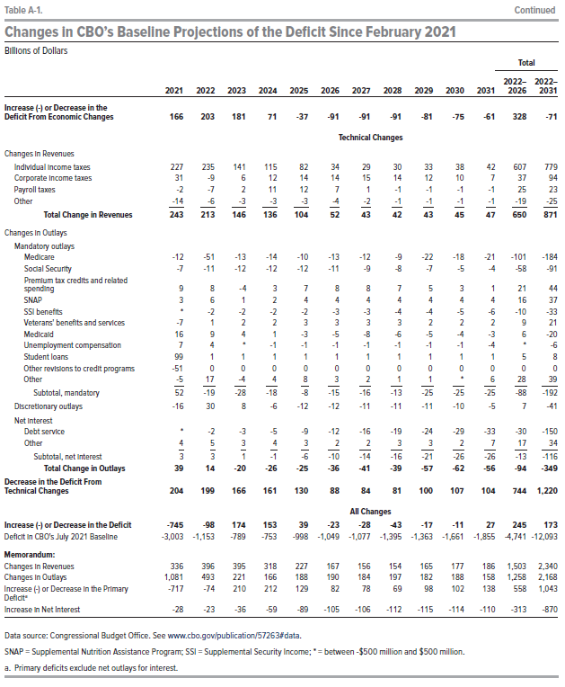
Corporate income taxes | 42 | 72 | 67 | 47 | 30 | 19 | 12 | 6 | -1 | -6 | -7 | 235 | 238
Other | 2 | 10 | 22 | 2 | -3 | 4 | 3 | 3 | 7 | 14 | 16 | 35 | 78
 | ____ | ____ | ____ | ____ | ____ | ____ | ____ | ____ | ____ | ____ | ____ | ____ | ____
Total Change in Revenues | 173 | 237 | 248 | 179 | 118 | 91 | 94 | 104 | 114 | 125 | 132 | 873 | 1,442

Change in Outlays
Mandatory outlays
Social Security | 0 | 15 | 23 | 26 | 28 | 30 | 31 | 35 | 36 | 38 | 38 | 122 | 300
Medicare | 0 | 4 | 7 | 11 | 15 | 19 | 22 | 25 | 25 | 28 | 29 | 55 | 185
Medicaid | 2 | 4 | 6 | 8 | 9 | 10 | 10 | 10 | 10 | 10 | 10 | 37 | 87
Veterans' benefits and services | -1 | 2 | 3 | 3 | 3 | 3 | 3 | 3 | 3 | 3 | 3 | 12 | 28
Unemployment compensation | -13 | -8 | -7 | -3 | 2 | 5 | 5 | 4 | 4 | 4 | 4 | -12 | 8
Other | -4 | -2 | 1 | 2 | 4 | 6 | 6 | 6 | 5 | 4 | 4 | 11 | 35
 | ____ | ____ | ____ | ____ | ____ | ____ | ____ | ____ | ____ | ____ | ____ | ____ | ____
Subtotal, mandatory | -16 | 15 | 33 | 45 | 61 | 72 | 76 | 83 | 83 | 87 | 89 | 226 | 644

Discretionary outlays | 0 | 4 | 9 | 14 | 17 | 18 | 18 | 17 | 16 | 16 | 16 | 62 | 145

Net interest
Effects of interest rates and inflation | 23 | 16 | 29 | 53 | 83 | 98 | 98 | 99 | 101 | 99 | 90 | 278 | 765
Debt service | 0 | -1 | -3 | -4 | -6 | -6 | -6 | -5 | -4 | -3 | -2 | -21 | -41
 | ____ | ____ | ____ | ____ | ____ | ____ | ____ | ____ | ____ | ____ | ____ | ____ | ____
Subtotal, net interest | 23 | 14 | 26 | 48 | 77 | 92 | 92 | 94 | 96 | 96 | 88 | 258 | 724

Total Change in Outlays | 6 | 34 | 68 | 107 | 155 | 182 | 186 | 195 | 196 | 199 | 193 | 545 | 1,513

Increase (-) or Decrease in the
Deficit From Economic Changes | 166 | 203 | 181 | 71 | -37 | -91 | -91 | -91 | -81 | -75 | -61 | 328 | -71

 | Technical Changes
Changes in Revenues
Individual income taxes | 227 | 235 | 141 | 115 | 82 | 34 | 29 | 30 | 33 | 38 | 42 | 607 | 779
Corporate income taxes | 31 | -9 | 6 | 12 | 14 | 14 | 15 | 14 | 12 | 10 | 7 | 37 | 94
Payroll taxes | -2 | -7 | 2 | 11 | 12 | 7 | 1 | -1 | -1 | -1 | -1 | 25 | 23
Other | -14 | -6 | -3 | -3 | -3 | -4 | -2 | -1 | -1 | -1 | -1 | -19 | -25
 | ____ | ____ | ____ | ____ | ____ | ____ | ____ | ____ | ____ | ____ | ____ | ____ | ____
Total Change in Revenues | 243 | 213 | 146 | 136 | 104 | 52 | 43 | 42 | 43 | 45 | 47 | 650 | 871

Changes in Outlays
Mandatory outlays
Medicare | -12 | -51 | -13 | -14 | -10 | -13 | -12 | -9 | -22 | -18 | -21 | -101 | -184
Social Security | -7 | -11 | -12 | -12 | -12 | -11 | -9 | -8 | -7 | -5 | -4 | -58 | -91
Premium tax credits and related spending | 9 | 8 | -4 | 3 | 7 | 8 | 8 | 7 | 5 | 3 | 1 | 21 | 44
SNAP | 3 | 6 | 1 | 2 | 4 | 4 | 4 | 4 | 4 | 4 | 4 | 16 | 37
SSI Benefits | 0 | -2 | -2 | -2 | -2 | -3 | -3 | -4 | -4 | -5 | -6 | -10 | -33
Veterans' benefits and services | -7 | 1 | 2 | 2 | 3 | 3 | 3 | 3 | 2 | 2 | 2 | 9 | 21
Medicaid | 16 | 9 | 4 | 1 | -3 | -5 | -8 | -6 | -5 | -4 | -3 | 6 | -20
Unemployment compensation | 7 | 4 | 0 | -1 | -1 | -1 | -1 | -1 | -1 | -1 | -4 | 0 | -6
Student loans | 99 | 1 | 1 | 1 | 1 | 1 | 1 | 1 | 1 | 1 | 1 | 5 | 8
Other revisions to credit programs | -51 | 0 | 0 | 0 | 0 | 0 | 0 | 0 | 0 | 0 | 0 | 0 | 0
Other | -5 | 17 | -4 | 4 | 8 | 3 | 2 | 1 | 1 | 0 | 6 | 28 | 39
 | ____ | ____ | ____ | ____ | ____ | ____ | ____ | ____ | ____ | ____ | ____ | ____ | ____
Subtotal, mandatory | 52 | -19 | -28 | -18 | -8 | -15 | -16 | -13 | -25 | -25 | -25 | -88 | -192

Discretionary outlays | -16 | 30 | 8 | -6 | -12 | -12 | -11 | -11 | -11 | -10 | -5 | 7 | -41

Net interest
Debt service | 0 | -2 | -3 | -5 | -9 | -12 | -16 | -19 | -24 | -29 | -33 | -30 | -150
Other | 4 | 5 | 3 | 4 | 3 | 2 | 2 | 3 | 3 | 2 | 7 | 17 | 34
 | ____ | ____ | ____ | ____ | ____ | ____ | ____ | ____ | ____ | ____ | ____ | ____ | ____
Subtotal, net interest | 3 | 3 | 1 | -1 | -6 | -10 | -14 | -16 | -21 | -26 | -26 | -13 | -116

Total Change in Outlays | 39 | 14 | -20 | -26 | -25 | -36 | -41 | -39 | -57 | -62 | -56 | -94 | -349

Decrease in the Deficit From
Technical Changes | 204 | 199 | 166 | 161 | 130 | 88 | 84 | 81 | 100 | 107 | 104 | 744 | 1,220

 | All Changes
Increase (-) or Decrease in the Deficit | -745 | -98 | 174 | 153 | 39 | -23 | -28 | -43 | -17 | -11 | 27 | 245 | 173

Deficit in CBO's July 2021 Baseline | -3,003 | -1,153 | -789 | -753 | -998 | -1,049 | -1,077 | -1,395 | -1,363 | -1,661 | -1,855 | -4,741 | -12,093

Memorandum:
Changes in Revenues | 336 | 396 | 395 | 318 | 227 | 167 | 156 | 154 | 165 | 177 | 186 | 1,503 | 2,340
Changes in Outlays | 1,081 | 493 | 221 | 166 | 188 | 190 | 184 | 197 | 182 | 188 | 158 | 1,258 | 2,168
Increase (-) or Decrease in the Primary Deficit | -717 | -74 | 210 | 212 | 129 | 82 | 78 | 69 | 98 | 102 | 138 | 558 | 1,043
Increase in Net Interest | -28 | -23 | -36 | -59 | -89 | -105 | -106 | -112 | -115 | -114 | -110 | -313 | -870

Back to Table of Contents

