Table 1-4 Key Projections
This file presents data from Table 1-4 in CBO’s May 2022 report The Budget and Economic Outlook: 2022 to 2032 and provides supplemental data.
www.cbo.gov/publication/57950

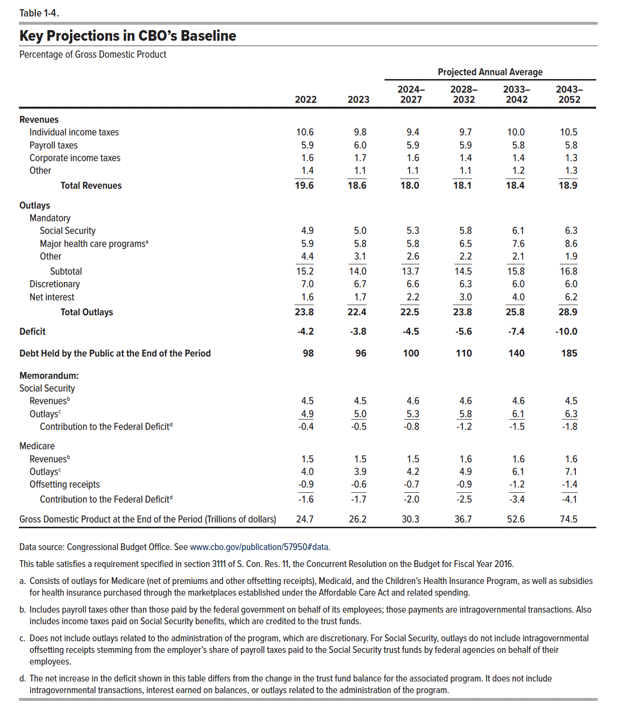
Table 1-4. Key Projections in CBO's Baseline
Percentage of Gross Domestic Product
 |  |  | Annual Average
 | 2022 | 2023 | 2024–2027 | 2028–2032 | 2033–2042 | 2043–2052
Revenues
Individual income taxes | 10.6 | 9.8 | 9.4 | 9.7 | 10.0 | 10.5
Payroll taxes | 5.9 | 6.0 | 5.9 | 5.9 | 5.8 | 5.8
Corporate income taxes | 1.6 | 1.7 | 1.6 | 1.4 | 1.4 | 1.3
Other | 1.4 | 1.1 | 1.1 | 1.1 | 1.2 | 1.3
 | ____ | ____ | ____ | ____ | ____ | ____
Total Revenues | 19.6 | 18.6 | 18.0 | 18.1 | 18.4 | 18.9

Outlays
Mandatory
Social Security | 4.9 | 5.0 | 5.3 | 5.8 | 6.1 | 6.3
Major health care programsa | 5.9 | 5.8 | 5.8 | 6.5 | 7.6 | 8.6
Other | 4.4 | 3.1 | 2.6 | 2.2 | 2.1 | 1.9
 | ____ | ____ | ____ | ____ | ____ | ____
Subtotal | 15.2 | 14.0 | 13.7 | 14.5 | 15.8 | 16.8

Discretionary | 7.0 | 6.7 | 6.6 | 6.3 | 6.0 | 6.0
Net Interest | 1.6 | 1.7 | 2.2 | 3.0 | 4.0 | 6.2
 | ____ | ____ | ____ | ____ | ____ | ____
Total Outlays | 23.8 | 22.4 | 22.5 | 23.8 | 25.8 | 28.9

Deficit | -4.2 | -3.8 | -4.5 | -5.6 | -7.4 | -10.0

Debt Held by the Public at the End of the Period | 98 | 96 | 100 | 110 | 139.9 | 185.0

Memorandum:
Social Security
Revenuesb | 4.5 | 4.5 | 4.6 | 4.6 | 4.6 | 4.5
Outlaysc | 4.9 | 5.0 | 5.3 | 5.8 | 6.1 | 6.3
 | ____ | ____ | ____ | ____ | ____ | ____
Contribution to the Federal Deficit | -0.4 | -0.5 | -0.8 | -1.2 | -1.5 | -1.8

Medicare
Revenuesb | 1.5 | 1.5 | 1.5 | 1.6 | 1.6 | 1.6
Outlaysc | 4.0 | 3.9 | 4.2 | 4.9 | 6.1 | 7.1
Offsetting receipts | -0.9 | -0.6 | -0.7 | -0.9 | -1.2 | -1.4
 | ____ | ____ | ____ | ____ | ____ | ____
Contribution to the Federal Deficit | -1.6 | -1.7 | -2.0 | -2.5 | -3.4 | -4.1

Gross Domestic Product at the End of the Period (Trillions of dollars) | 24.7 | 26.2 | 30.3 | 36.7 | 52.6 | 74.5

