Figure 1
This file presents the data from the figure and table in CBO’s June 2022 report Estimates of the Cost of Federal Credit Programs in 2023, along with additional data that supplement that report.
www.cbo.gov/publication/58031

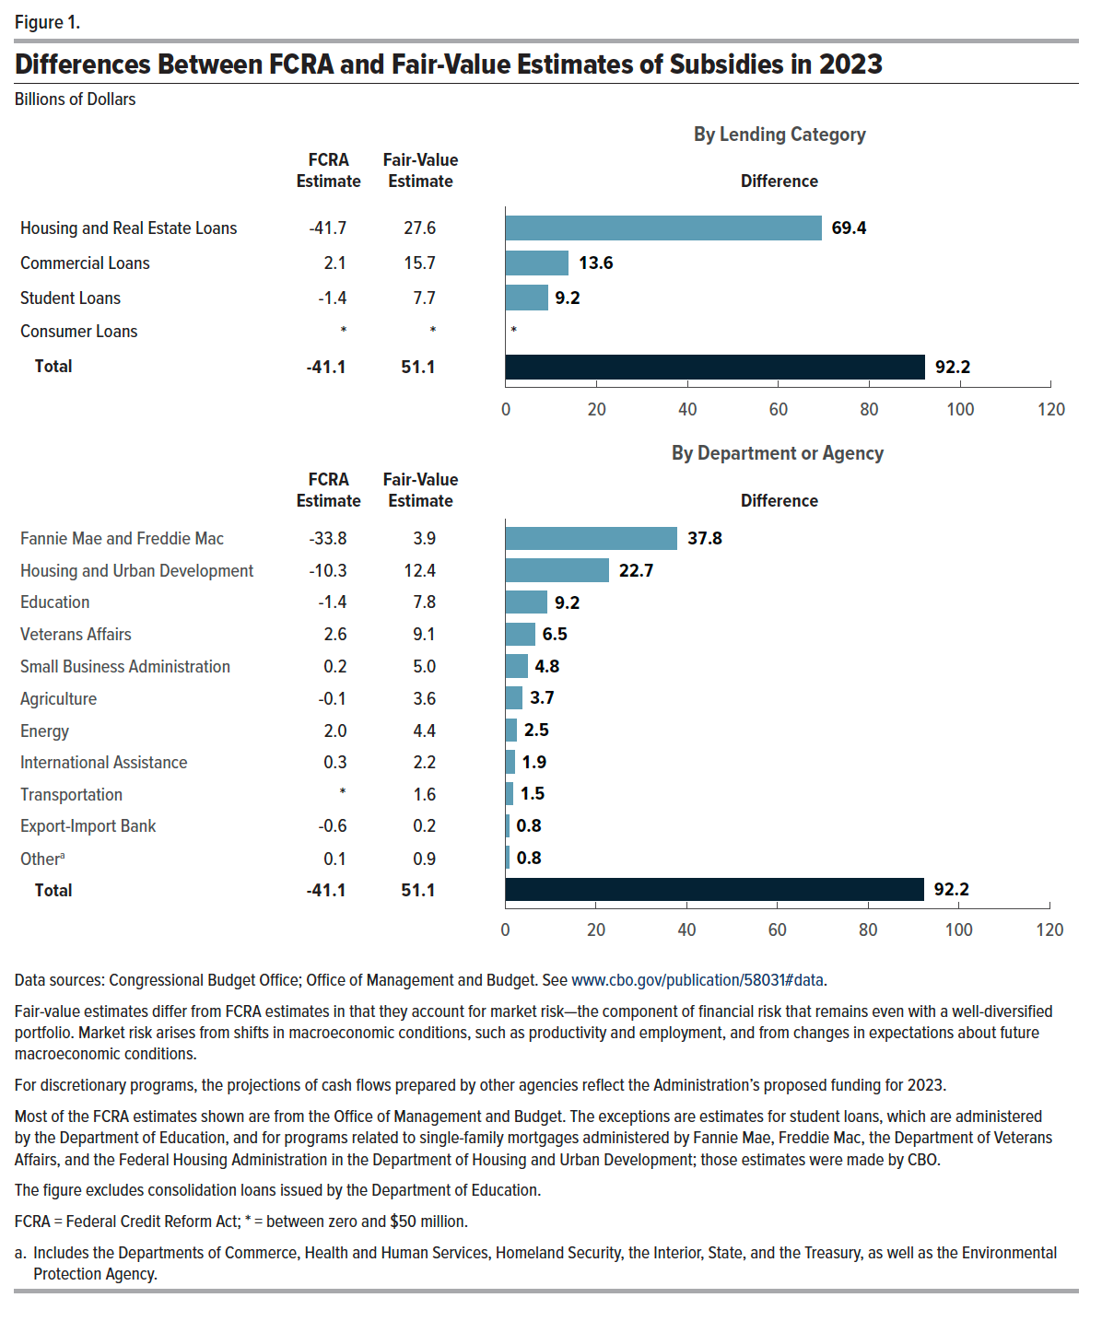
Figure 1. Differences Between FCRA and Fair-Value Estimates of Subsidies in 2023
Billions of Dollars
 | FCRA Estimate | Fair-Value Estimate | Difference
 | By Lending Category
Housing and Real Estate Loans | -41.7 | 27.6 | 69.4
Commercial Loans | 2.1 | 15.7 | 13.6
Student Loans | -1.4 | 7.7 | 9.2
Consumer Loans | 0.00 | 0.00 | 0.00
All Lending Categories | -41.1 | 51.1 | 92.2
 | By Department or Agency
Fannie Mae and Freddie Mac | -33.8 | 3.9 | 37.8
Housing and Urban Development | -10.3 | 12.4 | 22.7
Education | -1.4 | 7.8 | 9.2
Veterans Affairs | 2.6 | 9.1 | 6.5
Small Business Administration | 0.2 | 5.0 | 4.8
Agriculture | -0.1 | 3.6 | 3.7
Energy | 2.0 | 4.4 | 2.5
International | 0.3 | 2.2 | 1.9
Transportation | 0.0 | 1.6 | 1.5
Other | 0.1 | 0.9 | 0.8
Export-Import Bank | -0.6 | 0.2 | 0.8
All Departments and Agencies | -41.1 | 51.1 | 92.2

Table 1
This file presents the data from the figure and table in CBO’s June 2022 report Estimates of the Cost of Federal Credit Programs in 2023, along with additional data that supplement that report.
www.cbo.gov/publication/58031

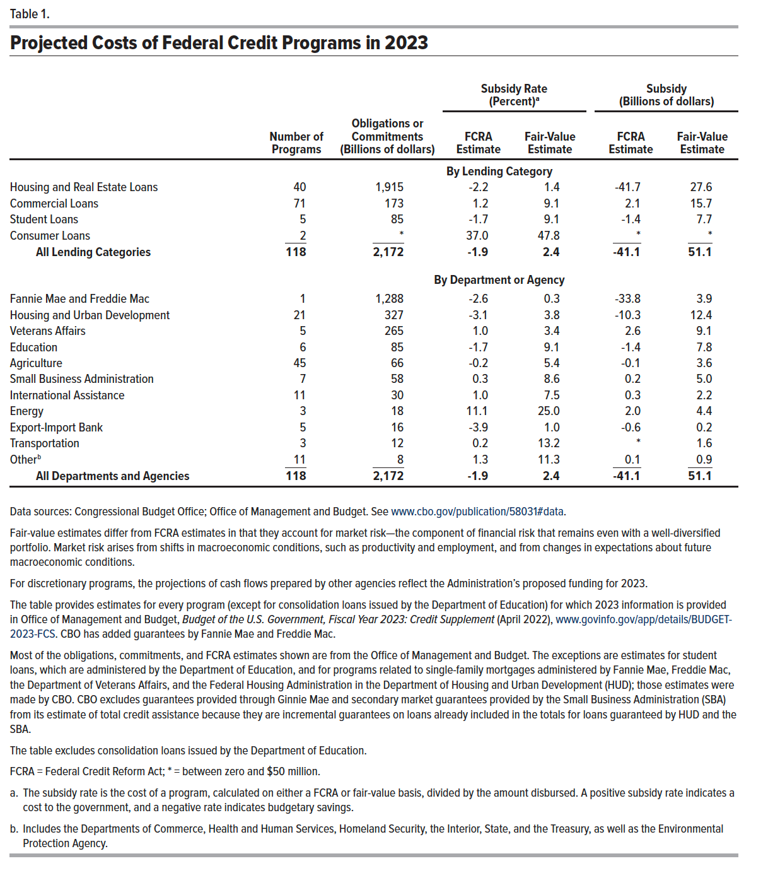
Table 1. Projected Costs of Federal Credit Programs in 2023
 |  |  | Subsidy Rate (Percent) |  | Subsidy (Billions of dollars)
 | Number of Programs | Obligations or Commitments (Billions of dollars) | FCRA Estimate | Fair-Value Estimate | FCRA Estimate | Fair-Value Estimate
 | By Lending Category
Housing and Real Estate Loans | 40 | 1,915 | -2.2 | 1.4 | -41.7 | 27.6
Commercial Loans | 71 | 173 | 1.2 | 9.1 | 2.1 | 15.7
Student Loans | 5 | 85 | -1.7 | 9.1 | -1.4 | 7.7
Consumer Loans | 2 | 0 | 37.0 | 47.8 | 0.0 | 0.0
All Lending Categories | 118 | 2,172 | -1.9 | 2.4 | -41.1 | 51.1
 | By Department or Agency
Fannie Mae and Freddie Mac | 1 | 1,288 | -2.6 | 0.3 | -33.8 | 3.9
Housing and Urban Development | 21 | 327 | -3.1 | 3.8 | -10.3 | 12.4
Veterans Affairs | 5 | 265 | 1.0 | 3.4 | 2.6 | 9.1
Education | 6 | 85 | -1.7 | 9.1 | -1.4 | 7.8
Agriculture | 45 | 66 | -0.2 | 5.4 | -0.1 | 3.6
Small Business Administration | 7 | 58 | 0.3 | 8.6 | 0.2 | 5.0
International | 11 | 30 | 1.0 | 7.5 | 0.3 | 2.2
Energy | 3 | 18 | 11.1 | 25.0 | 2.0 | 4.4
Export-Import Bank | 5 | 16 | -3.9 | 1.0 | -0.6 | 0.2
Transportation | 3 | 12 | 0.2 | 13.2 | 0.0 | 1.6
Other | 11 | 8 | 1.3 | 11.3 | 0.1 | 0.9
All Departments and Agencies | 118 | 2,172 | -1.9 | 2.4 | -41.1 | 51.1

Back to Table of Contents

