Table 1
This file presents the data from the table and figures in CBO's November 2022 report Army Corps of Engineers: Budgetary History and Projections.
http://www.cbo.gov/publication/58415

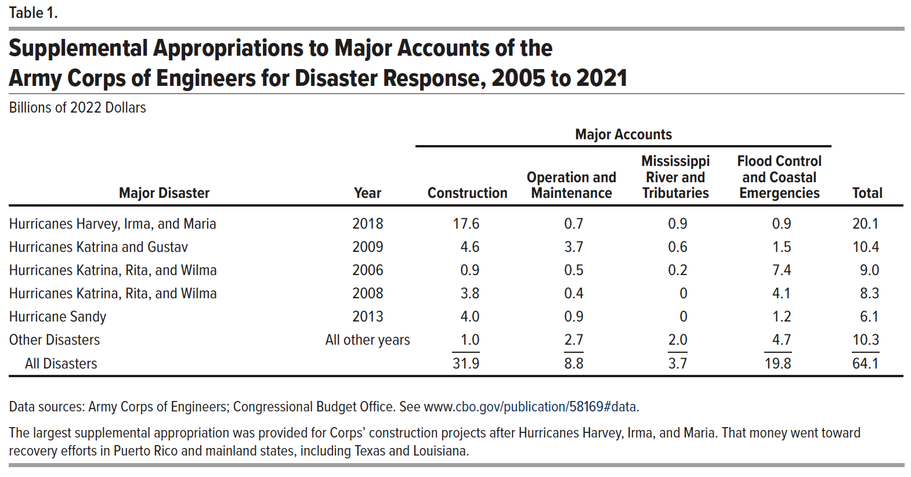
Table 1. Supplemental Appropriations to Major Accounts of the Army Corps of Engineers for Disaster Response, 2005 to 2021
Billions of 2022 Dollars

 |  | Major Accounts
Major Disaster | Year | Construction | Operation and Maintenance | Mississippi River and Tributaries | Flood Control and Coastal Emergencies | Total
Hurricanes Harvey, Irma, and Maria | 2018 | 17.6 | 0.7 | 0.9 | 0.9 | 20.1
Hurricanes Katrina and Gustav | 2009 | 4.6 | 3.7 | 0.6 | 1.5 | 10.4
Hurricanes Katrina, Rita, and Wilma | 2006 | 0.9 | 0.5 | 0.2 | 7.4 | 9
Hurricanes Katrina, Rita, and Wilma | 2008 | 3.8 | 0.4 | 0 | 4.1 | 8.3
Hurricane Sandy | 2013 | 4 | 0.9 | 0 | 1.2 | 6.1
Other Disasters | All other years | 1 | 2.7 | 2 | 4.7 | 10.3
All Disasters |  | 31.9 | 8.8 | 3.7 | 19.8 | 64.1

Back to Table of Contents

Figure 1
This file presents the data from the table and figures in CBO's November 2022 report Army Corps of Engineers: Budgetary History and Projections.
http://www.cbo.gov/publication/58415

Figure 1. Appropriations to Major Accounts of the Army Corps of Engineers That Receive Supplemental Funding for Disaster Response
Billions of 2022 Dollars

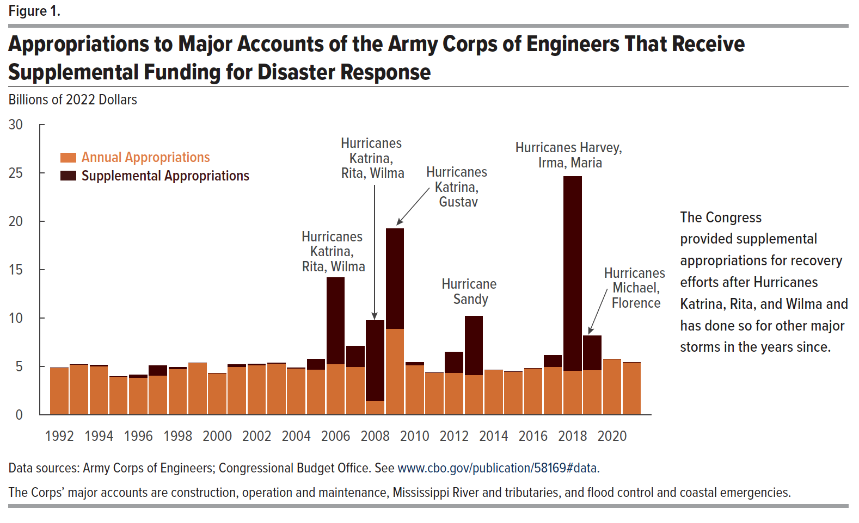
 | Annual Appropriations | Supplemental Appropriations
1992 | 4.84 | 0.00
1993 | 5.17 | 0.00
1994 | 4.99 | 0.12
1995 | 3.93 | 0.00
1996 | 3.80 | 0.28
1997 | 4.04 | 1.00
1998 | 4.74 | 0.17
1999 | 5.34 | 0.00
2000 | 4.29 | 0.00
2001 | 4.97 | 0.21
2002 | 5.09 | 0.16
2003 | 5.30 | 0.06
2004 | 4.77 | 0.09
2005 | 4.68 | 1.08
2006 | 5.22 | 8.97
2007 | 4.97 | 2.13
2008 | 1.42 | 8.30
2009 | 8.87 | 10.36
2010 | 5.12 | 0.27
2011 | 4.31 | 0.00
2012 | 4.35 | 2.12
2013 | 4.10 | 6.08
2014 | 4.60 | 0.00
2015 | 4.45 | 0.00
2016 | 4.79 | 0.00
2017 | 4.93 | 1.17
2018 | 4.54 | 20.08
2019 | 4.62 | 3.53
2020 | 5.75 | 0.00
2021 | 5.42 | 0.00

Back to Table of Contents

Figure 2
This file presents the data from the table and figures in CBO's November 2022 report Army Corps of Engineers: Budgetary History and Projections.
http://www.cbo.gov/publication/58415

Figure 2. Outlays From Major Accounts of the Army Corps of Engineers
Billions of 2022 Dollars

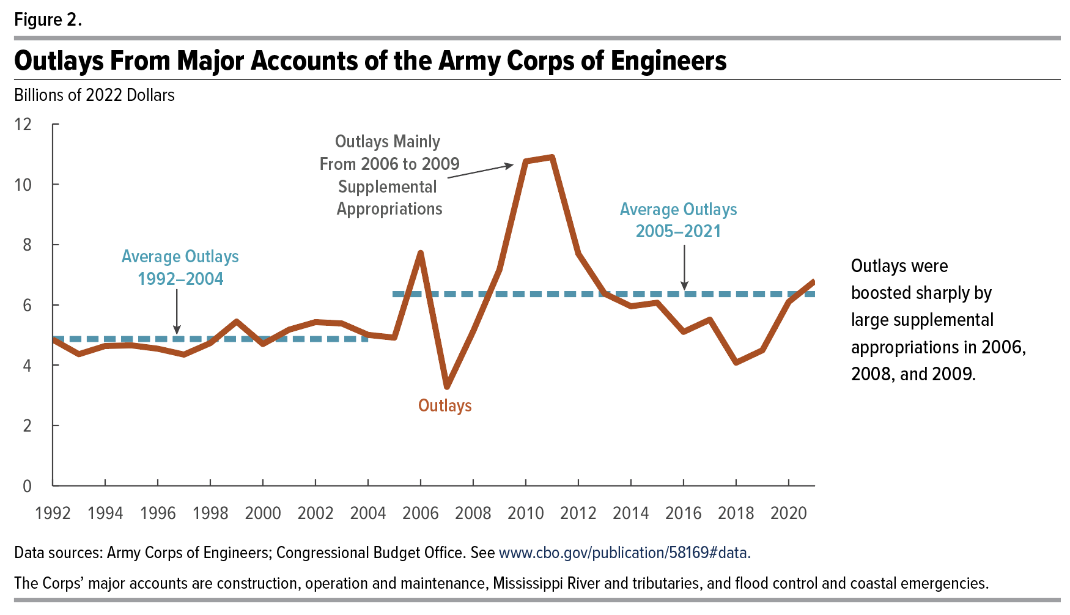
 |  | Average Outlays 1992–2004 | Average Outlays 2005–2021
 | Outlays
1992 | 4.851 | 4.868
1993 | 4.364 | 4.868
1994 | 4.637 | 4.868
1995 | 4.657 | 4.868
1996 | 4.546 | 4.868
1997 | 4.350 | 4.868
1998 | 4.733 | 4.868
1999 | 5.446 | 4.868
2000 | 4.701 | 4.868
2001 | 5.178 | 4.868
2002 | 5.428 | 4.868
2003 | 5.384 | 4.868
2004 | 5.005 | 4.868
2005 | 4.912 |  | 6.356
2006 | 7.723 |  | 6.356
2007 | 3.280 |  | 6.356
2008 | 5.127 |  | 6.356
2009 | 7.169 |  | 6.356
2010 | 10.759 |  | 6.356
2011 | 10.901 |  | 6.356
2012 | 7.694 |  | 6.356
2013 | 6.371 |  | 6.356
2014 | 5.954 |  | 6.356
2015 | 6.071 |  | 6.356
2016 | 5.104 |  | 6.356
2017 | 5.511 |  | 6.356
2018 | 4.082 |  | 6.356
2019 | 4.495 |  | 6.356
2020 | 6.099 |  | 6.356
2021 | 6.795 |  | 6.356

Back to Table of Contents

Figure 3
This file presents the data from the table and figures in CBO's November 2022 report Army Corps of Engineers: Budgetary History and Projections.
http://www.cbo.gov/publication/58415

Figure 3. Cumulative Outlays as a Share of Amounts Appropriated to Major Accounts of the Army Corps of Engineers for Hurricane Sandy Recovery
Percent
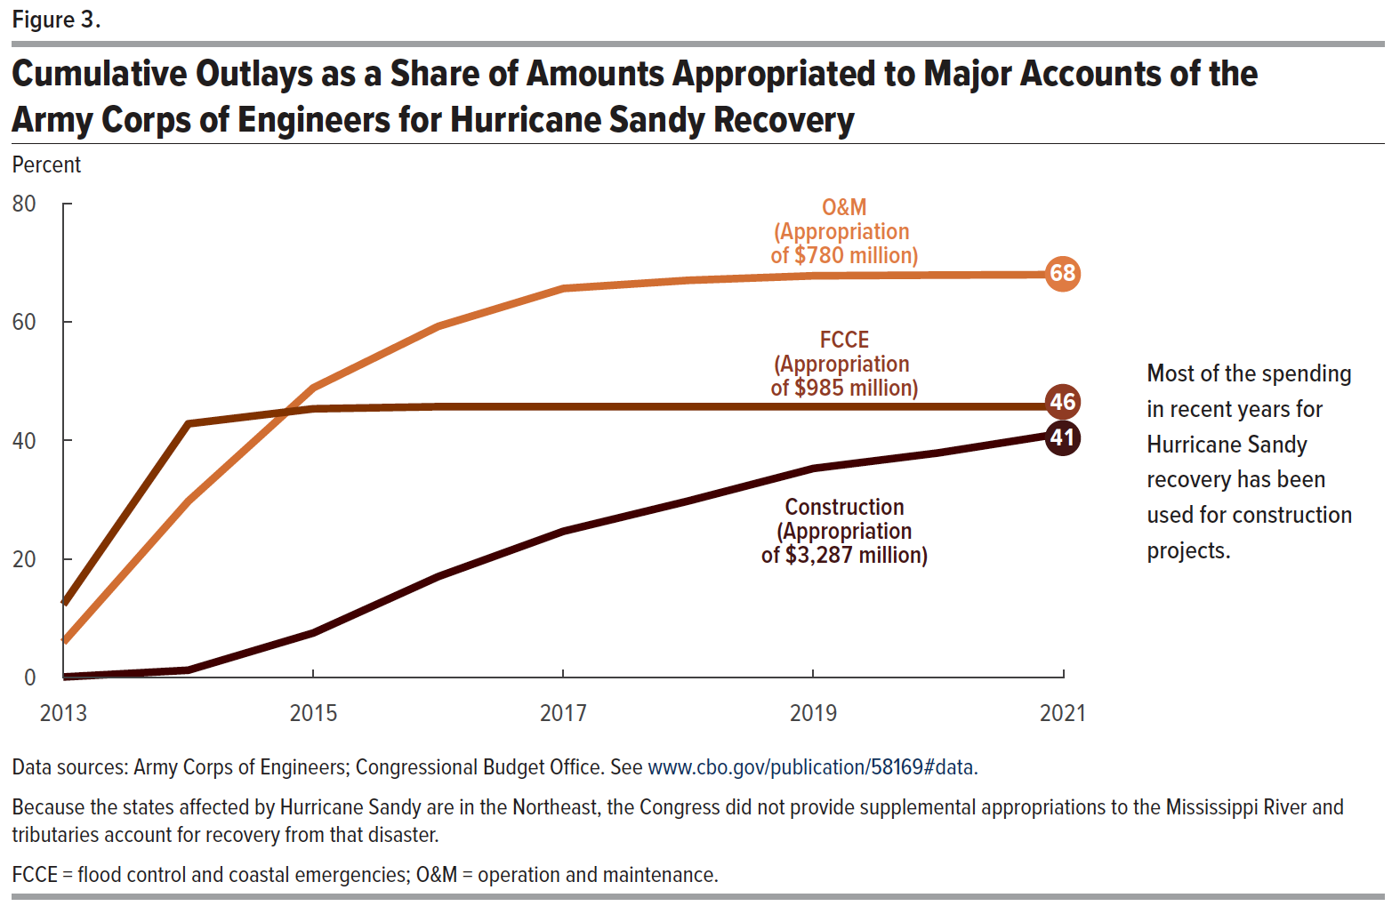
 | Construction (Appropriation of $3,287 million) | FCCE (Appropriation of $985 million) | O&M (Appropriation of $780 million)
2013 | 0.00 | 0.12 | 0.06
2014 | 0.01 | 0.43 | 0.30
2015 | 0.08 | 0.45 | 0.49
2016 | 0.17 | 0.46 | 0.59
2017 | 0.25 | 0.46 | 0.66
2018 | 0.30 | 0.46 | 0.67
2019 | 0.35 | 0.46 | 0.68
2020 | 0.38 | 0.46 | 0.68
2021 | 0.41 | 0.46 | 0.68

Back to Table of Contents

