Table 1
This file presents data from the tables in CBO's May 2023 report An Update to the Budget Outlook: 2023 to 2033 and also provides supplemental data.
www.cbo.gov/publication/59096

Table 1. CBO's Baseline Budget Projections, by Category
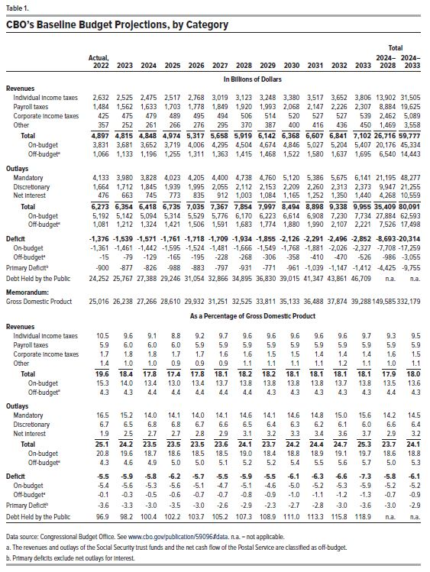
 |  |  |  |  |  |  |  |  |  |  |  |  | Total
 | Actual, |  |  |  |  |  |  |  |  |  |  |  | 2024– | 2024–
 | 2022 | 2023 | 2024 | 2025 | 2026 | 2027 | 2028 | 2029 | 2030 | 2031 | 2032 | 2033 | 2028 | 2033
In Billions of Dollars
Revenues
Individual income taxes | 2,632 | 2,525 | 2,475 | 2,517 | 2,768 | 3,019 | 3,123 | 3,248 | 3,380 | 3,517 | 3,652 | 3,806 | 13,902 | 31,505
Payroll taxes | 1,484 | 1,562 | 1,633 | 1,703 | 1,778 | 1,849 | 1,920 | 1,993 | 2,068 | 2,147 | 2,226 | 2,307 | 8,884 | 19,625
Corporate income taxes | 425 | 475 | 479 | 489 | 495 | 494 | 506 | 514 | 520 | 527 | 527 | 539 | 2,462 | 5,089
Other | 357 | 252 | 261 | 266 | 276 | 295 | 370 | 387 | 400 | 416 | 436 | 450 | 1,469 | 3,558
Total | 4,897 | 4,815 | 4,848 | 4,974 | 5,317 | 5,658 | 5,919 | 6,142 | 6,368 | 6,607 | 6,841 | 7,102 | 26,716 | 59,777
On-budget | 3,831 | 3,681 | 3,652 | 3,719 | 4,006 | 4,295 | 4,504 | 4,674 | 4,846 | 5,027 | 5,204 | 5,407 | 20,176 | 45,334
Off-budget | 1,066 | 1,133 | 1,196 | 1,255 | 1,311 | 1,363 | 1,415 | 1,468 | 1,522 | 1,580 | 1,637 | 1,695 | 6,540 | 14,443
Outlays
Mandatory | 4,133 | 3,980 | 3,828 | 4,023 | 4,205 | 4,400 | 4,738 | 4,760 | 5,120 | 5,386 | 5,675 | 6,141 | 21,195 | 48,277
Discretionary | 1,664 | 1,712 | 1,845 | 1,939 | 1,995 | 2,055 | 2,112 | 2,153 | 2,209 | 2,260 | 2,313 | 2,373 | 9,947 | 21,255
Net Interest | 476 | 663 | 745 | 773 | 835 | 912 | 1,003 | 1,084 | 1,165 | 1,252 | 1,350 | 1,440 | 4,268 | 10,559
Total | 6,273 | 6,354 | 6,418 | 6,735 | 7,035 | 7,367 | 7,854 | 7,997 | 8,494 | 8,898 | 9,338 | 9,955 | 35,409 | 80,091
On-budget | 5,192 | 5,142 | 5,094 | 5,314 | 5,529 | 5,776 | 6,170 | 6,223 | 6,614 | 6,908 | 7,230 | 7,734 | 27,884 | 62,593
Off-budget | 1,081 | 1,212 | 1,324 | 1,421 | 1,506 | 1,591 | 1,683 | 1,774 | 1,880 | 1,990 | 2,107 | 2,221 | 7,526 | 17,498
Deficit | -1,376 | -1,539 | -1,571 | -1,761 | -1,718 | -1,709 | -1,934 | -1,855 | -2,126 | -2,291 | -2,496 | -2,852 | -8,693 | -20,314
On-budget | -1,361 | -1,461 | -1,442 | -1,595 | -1,524 | -1,481 | -1,666 | -1,549 | -1,768 | -1,881 | -2,026 | -2,327 | -7,708 | -17,259
Off-budget | -15 | -79 | -129 | -165 | -195 | -228 | -268 | -306 | -358 | -410 | -470 | -526 | -986 | -3,055
Primary Deficit | -900 | -877 | -826 | -988 | -883 | -797 | -931 | -771 | -961 | -1,039 | -1,147 | -1,412 | -4,425 | -9,755
Debt Held by the Public | 24,252 | 25,767 | 27,388 | 29,246 | 31,054 | 32,866 | 34,895 | 36,830 | 39,015 | 41,347 | 43,861 | 46,709 | n.a. | n.a.
Memorandum:
Gross Domestic Product | 25,016 | 26,238 | 27,266 | 28,610 | 29,932 | 31,251 | 32,525 | 33,811 | 35,133 | 36,488 | 37,874 | 39,288 | 149,585 | 332,179
As a Percentage of Gross Domestic Product
Revenues
Individual income taxes | 10.5 | 9.6 | 9.1 | 8.8 | 9.2 | 9.7 | 9.6 | 9.6 | 9.6 | 9.6 | 9.6 | 9.7 | 9.3 | 9.5
Payroll taxes | 5.9 | 6.0 | 6.0 | 6.0 | 5.9 | 5.9 | 5.9 | 5.9 | 5.9 | 5.9 | 5.9 | 5.9 | 5.9 | 5.9
Corporate income taxes | 1.7 | 1.8 | 1.8 | 1.7 | 1.7 | 1.6 | 1.6 | 1.5 | 1.5 | 1.4 | 1.4 | 1.4 | 1.6 | 1.5
Other | 1.4 | 1.0 | 1.0 | 0.9 | 0.9 | 0.9 | 1.1 | 1.1 | 1.1 | 1.1 | 1.2 | 1.1 | 1.0 | 1.1
Total | 19.6 | 18.4 | 17.8 | 17.4 | 17.8 | 18.1 | 18.2 | 18.2 | 18.1 | 18.1 | 18.1 | 18.1 | 17.9 | 18.0
On-budget | 15.3 | 14.0 | 13.4 | 13.0 | 13.4 | 13.7 | 13.8 | 13.8 | 13.8 | 13.8 | 13.7 | 13.8 | 13.5 | 13.6
Off-budget | 4.3 | 4.3 | 4.4 | 4.4 | 4.4 | 4.4 | 4.4 | 4.3 | 4.3 | 4.3 | 4.3 | 4.3 | 4.4 | 4.3
Outlays
Mandatory | 16.5 | 15.2 | 14.0 | 14.1 | 14.0 | 14.1 | 14.6 | 14.1 | 14.6 | 14.8 | 15.0 | 15.6 | 14.2 | 14.5
Discretionary | 6.7 | 6.5 | 6.8 | 6.8 | 6.7 | 6.6 | 6.5 | 6.4 | 6.3 | 6.2 | 6.1 | 6.0 | 6.6 | 6.4
Net Interest | 1.9 | 2.5 | 2.7 | 2.7 | 2.8 | 2.9 | 3.1 | 3.2 | 3.3 | 3.4 | 3.6 | 3.7 | 2.9 | 3.2
Total | 25.1 | 24.2 | 23.5 | 23.5 | 23.5 | 23.6 | 24.1 | 23.7 | 24.2 | 24.4 | 24.7 | 25.3 | 23.7 | 24.1
On-budget | 20.8 | 19.6 | 18.7 | 18.6 | 18.5 | 18.5 | 19.0 | 18.4 | 18.8 | 18.9 | 19.1 | 19.7 | 18.6 | 18.8
Off-budget | 4.3 | 4.6 | 4.9 | 5.0 | 5.0 | 5.1 | 5.2 | 5.2 | 5.4 | 5.5 | 5.6 | 5.7 | 5.0 | 5.3
Deficit | -5.5 | -5.9 | -5.8 | -6.2 | -5.7 | -5.5 | -5.9 | -5.5 | -6.1 | -6.3 | -6.6 | -7.3 | -5.8 | -6.1
On-budget | -5.4 | -5.6 | -5.3 | -5.6 | -5.1 | -4.7 | -5.1 | -4.6 | -5.0 | -5.2 | -5.3 | -5.9 | -5.2 | -5.2
Off-budget | -0.1 | -0.3 | -0.5 | -0.6 | -0.7 | -0.7 | -0.8 | -0.9 | -1.0 | -1.1 | -1.2 | -1.3 | -0.7 | -0.9
Primary Deficit | -3.6 | -3.3 | -3.0 | -3.5 | -3.0 | -2.6 | -2.9 | -2.3 | -2.7 | -2.8 | -3.0 | -3.6 | -3.0 | -2.9
Debt Held by the Public | 96.9 | 98.2 | 100.4 | 102.2 | 103.7 | 105.2 | 107.3 | 108.9 | 111.0 | 113.3 | 115.8 | 118.9 | n.a. | n.a.

Back to Table of Contents

Table 2
This file presents data from the tables in CBO's May 2023 report An Update to the Budget Outlook: 2023 to 2033 and also provides supplemental data.
www.cbo.gov/publication/59096

Table 2. CBO’s Baseline Projections of Outlays and Deficits, Adjusted to Exclude Effects of Timing Shifts
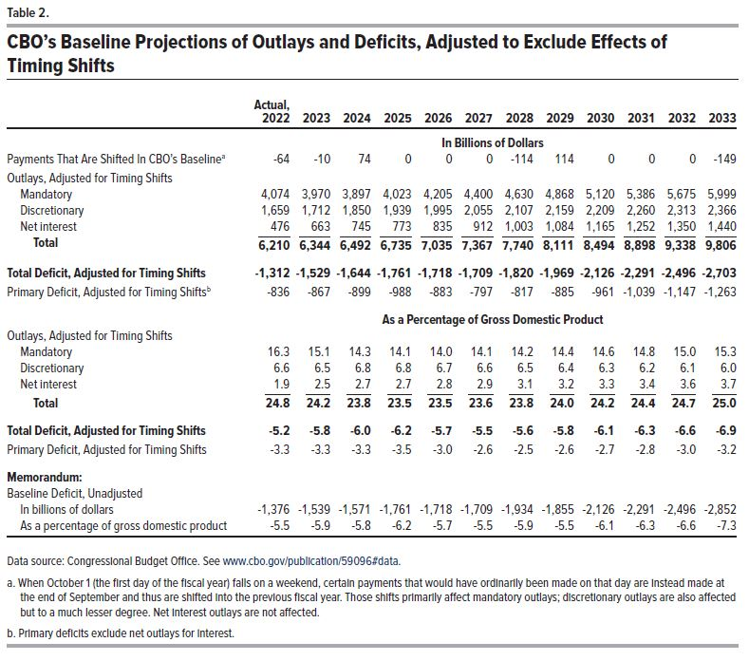
 | Actual,
 | 2022 | 2023 | 2024 | 2025 | 2026 | 2027 | 2028 | 2029 | 2030 | 2031 | 2032 | 2033
 | In Billions of Dollars
Payments That Are Shifted In CBO's Baseline | -64 | -10 | 74 | 0 | 0 | 0 | -114 | 114 | 0 | 0 | 0 | -149
Outlays, Adjusted for Timing Shifts
Mandatory | 4,074 | 3,970 | 3,897 | 4,023 | 4,205 | 4,400 | 4,630 | 4,868 | 5,120 | 5,386 | 5,675 | 5,999
Discretionary | 1,659 | 1,712 | 1,850 | 1,939 | 1,995 | 2,055 | 2,107 | 2,159 | 2,209 | 2,260 | 2,313 | 2,366
Net interest | 476 | 663 | 745 | 773 | 835 | 912 | 1,003 | 1,084 | 1,165 | 1,252 | 1,350 | 1,440
Total | 6,210 | 6,344 | 6,492 | 6,735 | 7,035 | 7,367 | 7,740 | 8,111 | 8,494 | 8,898 | 9,338 | 9,806
Total Deficit, Adjusted for Timing Shifts | -1,312 | -1,529 | -1,644 | -1,761 | -1,718 | -1,709 | -1,820 | -1,969 | -2,126 | -2,291 | -2,496 | -2,703
Primary Deficit, Adjusted for Timing Shifts | -836 | -867 | -899 | -988 | -883 | -797 | -817 | -885 | -961 | -1,039 | -1,147 | -1,263
 | As a Percentage of Gross Domestic Product
Outlays, Adjusted for Timing Shifts
Mandatory | 16.3 | 15.1 | 14.3 | 14.1 | 14.0 | 14.1 | 14.2 | 14.4 | 14.6 | 14.8 | 15.0 | 15.3
Discretionary | 6.6 | 6.5 | 6.8 | 6.8 | 6.7 | 6.6 | 6.5 | 6.4 | 6.3 | 6.2 | 6.1 | 6.0
Net interest | 1.9 | 2.5 | 2.7 | 2.7 | 2.8 | 2.9 | 3.1 | 3.2 | 3.3 | 3.4 | 3.6 | 3.7
Total | 24.8 | 24.2 | 23.8 | 23.5 | 23.5 | 23.6 | 23.8 | 24.0 | 24.2 | 24.4 | 24.7 | 25.0
Total Deficit, Adjusted for Timing Shifts | -5.2 | -5.8 | -6.0 | -6.2 | -5.7 | -5.5 | -5.6 | -5.8 | -6.1 | -6.3 | -6.6 | -6.9
Primary Deficit, Adjusted for Timing Shifts | -3.3 | -3.3 | -3.3 | -3.5 | -3.0 | -2.6 | -2.5 | -2.6 | -2.7 | -2.8 | -3.0 | -3.2
Memorandum:
Baseline Deficit, Unadjusted
In billions of dollars | -1,376 | -1,539 | -1,571 | -1,761 | -1,718 | -1,709 | -1,934 | -1,855 | -2,126 | -2,291 | -2,496 | -2,852
As a percentage of gross domestic product | -5.5 | -5.9 | -5.8 | -6.2 | -5.7 | -5.5 | -5.9 | -5.5 | -6.1 | -6.3 | -6.6 | -7.3

Back to Table of Contents

Table 3
This file presents data from the tables in CBO's May 2023 report An Update to the Budget Outlook: 2023 to 2033 and also provides supplemental data.
www.cbo.gov/publication/59096

Table 3. CBO's Baseline Projections of Federal Debt
Billons of Dollars
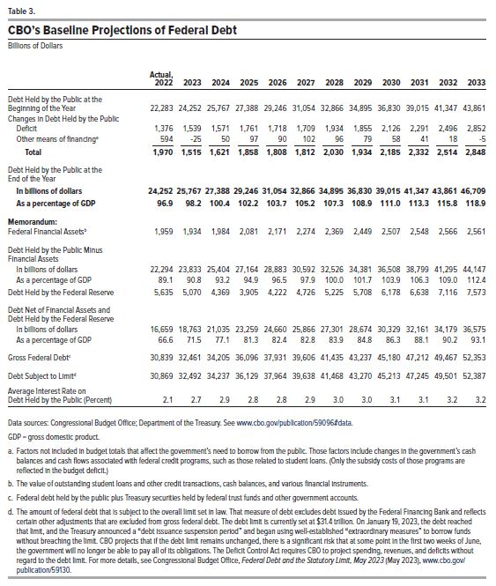
 | Actual,
 | 2022 | 2023 | 2024 | 2025 | 2026 | 2027 | 2028 | 2029 | 2030 | 2031 | 2032 | 2033
Debt Held by the Public at the Beginning of the Year | 22,283 | 24,252 | 25,767 | 27,388 | 29,246 | 31,054 | 32,866 | 34,895 | 36,830 | 39,015 | 41,347 | 43,861
Changes in Debt Held by the Public
Deficit | 1,376 | 1,539 | 1,571 | 1,761 | 1,718 | 1,709 | 1,934 | 1,855 | 2,126 | 2,291 | 2,496 | 2,852
Other means of financing | 594 | -25 | 50 | 97 | 90 | 102 | 96 | 79 | 58 | 41 | 18 | -5
Total | 1,970 | 1,515 | 1,621 | 1,858 | 1,808 | 1,812 | 2,030 | 1,934 | 2,185 | 2,332 | 2,514 | 2,848
Debt Held by the Public at the End of the Year
In billions of dollars | 24,252 | 25,767 | 27,388 | 29,246 | 31,054 | 32,866 | 34,895 | 36,830 | 39,015 | 41,347 | 43,861 | 46,709
As a percentage of GDP | 96.9 | 98.2 | 100.4 | 102.2 | 103.7 | 105.2 | 107.3 | 108.9 | 111.0 | 113.3 | 115.8 | 118.9
Memorandum:
Federal Financial Assets | 1,959 | 1,934 | 1,984 | 2,081 | 2,171 | 2,274 | 2,369 | 2,449 | 2,507 | 2,548 | 2,566 | 2,561
Debt Held by the Public Minus Financial Assets
In billions of dollars | 22,294 | 23,833 | 25,404 | 27,164 | 28,883 | 30,592 | 32,526 | 34,381 | 36,508 | 38,799 | 41,295 | 44,147
As a percentage of GDP | 89.1 | 90.8 | 93.2 | 94.9 | 96.5 | 97.9 | 100.0 | 101.7 | 103.9 | 106.3 | 109.0 | 112.4
Debt Held by the Federal Reserve | 5,635 | 5,070 | 4,369 | 3,905 | 4,222 | 4,726 | 5,225 | 5,708 | 6,178 | 6,638 | 7,116 | 7,573
Debt Net of Financial Assets and Debt Held by the Federal Reserve
In billions of dollars | 16,659 | 18,763 | 21,035 | 23,259 | 24,660 | 25,866 | 27,301 | 28,674 | 30,329 | 32,161 | 34,179 | 36,575
As a percentage of GDP | 66.6 | 71.5 | 77.1 | 81.3 | 82.4 | 82.8 | 83.9 | 84.8 | 86.3 | 88.1 | 90.2 | 93.1
Gross Federal Debt | 30,839 | 32,461 | 34,205 | 36,096 | 37,931 | 39,606 | 41,435 | 43,237 | 45,180 | 47,212 | 49,467 | 52,353
Debt Subject to Limit | 30,869 | 32,492 | 34,237 | 36,129 | 37,964 | 39,638 | 41,468 | 43,270 | 45,213 | 47,245 | 49,501 | 52,387
Average Interest Rate on Debt Held by the Public (Percent) | 2.1 | 2.7 | 2.9 | 2.8 | 2.8 | 2.9 | 3.0 | 3.0 | 3.1 | 3.1 | 3.2 | 3.2

Back to Table of Contents

Table 4
This file presents data from the tables in CBO's May 2023 report An Update to the Budget Outlook: 2023 to 2033 and also provides supplemental data.
www.cbo.gov/publication/59096

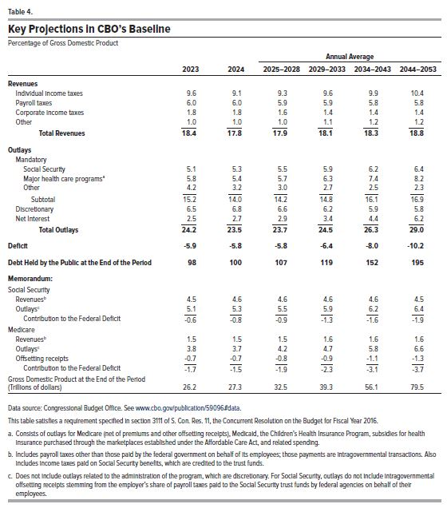
Table 4. Key Projections in CBO's Baseline
Percentage of Gross Domestic Product
 |  |  | Annual Average
 | 2023 | 2024 | 2025–2028 | 2029–2033 | 2034–2043 | 2044–2053
Revenues
Individual income taxes | 9.6 | 9.1 | 9.3 | 9.6 | 9.9 | 10.4
Payroll taxes | 6.0 | 6.0 | 5.9 | 5.9 | 5.8 | 5.8
Corporate income taxes | 1.8 | 1.8 | 1.6 | 1.4 | 1.4 | 1.4
Other | 1.0 | 1.0 | 1.0 | 1.1 | 1.2 | 1.2
Total Revenues | 18.4 | 17.8 | 17.9 | 18.1 | 18.3 | 18.8
Outlays
Mandatory
Social Security | 5.1 | 5.3 | 5.5 | 5.9 | 6.2 | 6.4
Major health care programs | 5.8 | 5.4 | 5.7 | 6.3 | 7.4 | 8.2
Other | 4.2 | 3.2 | 3.0 | 2.7 | 2.5 | 2.3
Subtotal | 15.2 | 14.0 | 14.2 | 14.8 | 16.1 | 16.9
Discretionary | 6.5 | 6.8 | 6.6 | 6.2 | 5.9 | 5.8
Net Interest | 2.5 | 2.7 | 2.9 | 3.4 | 4.4 | 6.2
Total Outlays | 24.2 | 23.5 | 23.7 | 24.5 | 26.3 | 29.0
Deficit | -5.9 | -5.8 | -5.8 | -6.4 | -8.0 | -10.2
Debt Held by the Public at the End of the Period | 98 | 100 | 107 | 119 | 152 | 195
Memorandum:
Social Security
Revenues | 4.5 | 4.6 | 4.6 | 4.6 | 4.6 | 4.5
Outlays | 5.1 | 5.3 | 5.5 | 5.9 | 6.2 | 6.4
Contribution to the Federal Deficit | -0.6 | -0.8 | -0.9 | -1.3 | -1.6 | -1.9
Medicare
Revenues | 1.5 | 1.5 | 1.5 | 1.6 | 1.6 | 1.6
Outlays | 3.8 | 3.7 | 4.2 | 4.7 | 5.8 | 6.6
Offsetting receipts | -0.7 | -0.7 | -0.8 | -0.9 | -1.1 | -1.3
Contribution to the Federal Deficit | -1.7 | -1.5 | -1.9 | -2.3 | -3.1 | -3.7
Gross Domestic Product at the End of the Period (Trillions of dollars) | 26.2 | 27.3 | 32.5 | 39.3 | 56.1 | 79.5

Back to Table of Contents

Table 5
This file presents data from the tables in CBO's May 2023 report An Update to the Budget Outlook: 2023 to 2033 and also provides supplemental data.
www.cbo.gov/publication/59096

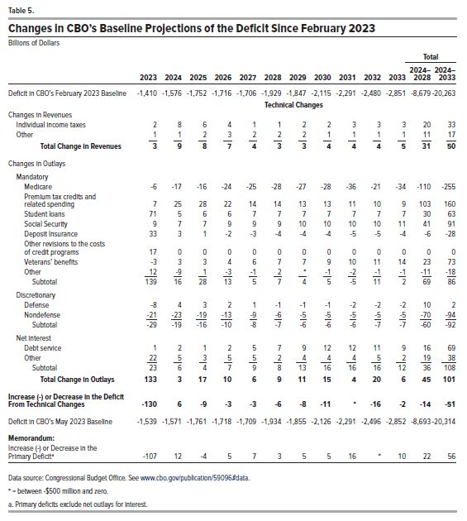
Table 5. Changes in CBO's Baseline Projections of the Deficit Since February 2023
Billions of Dollars
 |  |  |  |  |  |  |  |  |  |  |  | Total
 |  |  |  |  |  |  |  |  |  |  |  | 2024– 2028 | 2024– 2033
 | 2023 | 2024 | 2025 | 2026 | 2027 | 2028 | 2029 | 2030 | 2031 | 2032 | 2033
Deficit in CBO's February 2023 Baseline | -1,410 | -1,576 | -1,752 | -1,716 | -1,706 | -1,929 | -1,847 | -2,115 | -2,291 | -2,480 | -2,851 | -8,679 | -20,263

 | Technical Changes
Changes in Revenues
Individual income taxes | 2 | 8 | 6 | 4 | 1 | 1 | 2 | 2 | 3 | 3 | 3 | 20 | 33
Other | 1 | 1 | 2 | 3 | 2 | 2 | 2 | 1 | 1 | 1 | 1 | 11 | 17
Total Change in Revenues | 3 | 9 | 8 | 7 | 4 | 3 | 3 | 4 | 4 | 4 | 5 | 31 | 50

Changes in Outlays
Mandatory
Medicare | -6 | -17 | -16 | -24 | -25 | -28 | -27 | -28 | -36 | -21 | -34 | -110 | -255
Premium tax credits and related spending | 7 | 25 | 28 | 22 | 14 | 14 | 13 | 13 | 11 | 10 | 9 | 103 | 160
Student loans | 71 | 5 | 6 | 6 | 7 | 7 | 7 | 7 | 7 | 7 | 7 | 30 | 63
Social Security | 9 | 7 | 7 | 9 | 9 | 9 | 10 | 10 | 10 | 10 | 11 | 41 | 91
Deposit Insurance | 33 | 3 | 1 | -2 | -3 | -4 | -4 | -4 | -5 | -5 | -4 | -6 | -28
Other revisions to the costs of credit programs | 17 | 0 | 0 | 0 | 0 | 0 | 0 | 0 | 0 | 0 | 0 | 0 | 0
Veterans' benefits | -3 | 3 | 3 | 4 | 6 | 7 | 7 | 9 | 10 | 11 | 14 | 23 | 73
Other | 12 | -9 | 1 | -3 | -1 | 2 | 0 | -1 | -2 | -1 | -1 | -11 | -18
Subtotal | 139 | 16 | 28 | 13 | 5 | 7 | 4 | 5 | -5 | 11 | 2 | 69 | 86

Discretionary
Defense | -8 | 4 | 3 | 2 | 1 | -1 | -1 | -1 | -2 | -2 | -2 | 10 | 2
Nondefense | -21 | -23 | -19 | -13 | -9 | -6 | -5 | -5 | -5 | -5 | -5 | -70 | -94
Subtotal | -29 | -19 | -16 | -10 | -8 | -7 | -6 | -6 | -6 | -7 | -7 | -60 | -92

Net interest
Debt service | 1 | 2 | 1 | 2 | 5 | 7 | 9 | 12 | 12 | 11 | 9 | 16 | 69
Other | 22 | 5 | 3 | 5 | 5 | 2 | 4 | 4 | 4 | 5 | 2 | 19 | 38
Subtotal | 23 | 6 | 4 | 7 | 9 | 8 | 13 | 16 | 16 | 16 | 12 | 36 | 108
Total Change in Outlays | 133 | 3 | 17 | 10 | 6 | 9 | 11 | 15 | 4 | 20 | 6 | 45 | 101

Increase (-) or Decrease in the Deficit from Technical Changes | -130 | 6 | -9 | -3 | -3 | -6 | -8 | -11 | 0 | -16 | -2 | -14 | -51

Deficit in CBO's May 2023 Baseline | -1,539 | -1,571 | -1,761 | -1,718 | -1,709 | -1,934 | -1,855 | -2,126 | -2,291 | -2,496 | -2,852 | -8,693 | -20,314

Memorandum:
Increase (-) or Decrease in the Primary Deficit | -107 | 12 | -4 | 5 | 7 | 3 | 5 | 5 | 16 | 0 | 10 | 22 | 56

Back to Table of Contents

