Figure 1
This file presents the data from the figures in CBO's November 15, 2023, testimony CBO's Demographic Projections.
www.cbo.gov/publication/59683

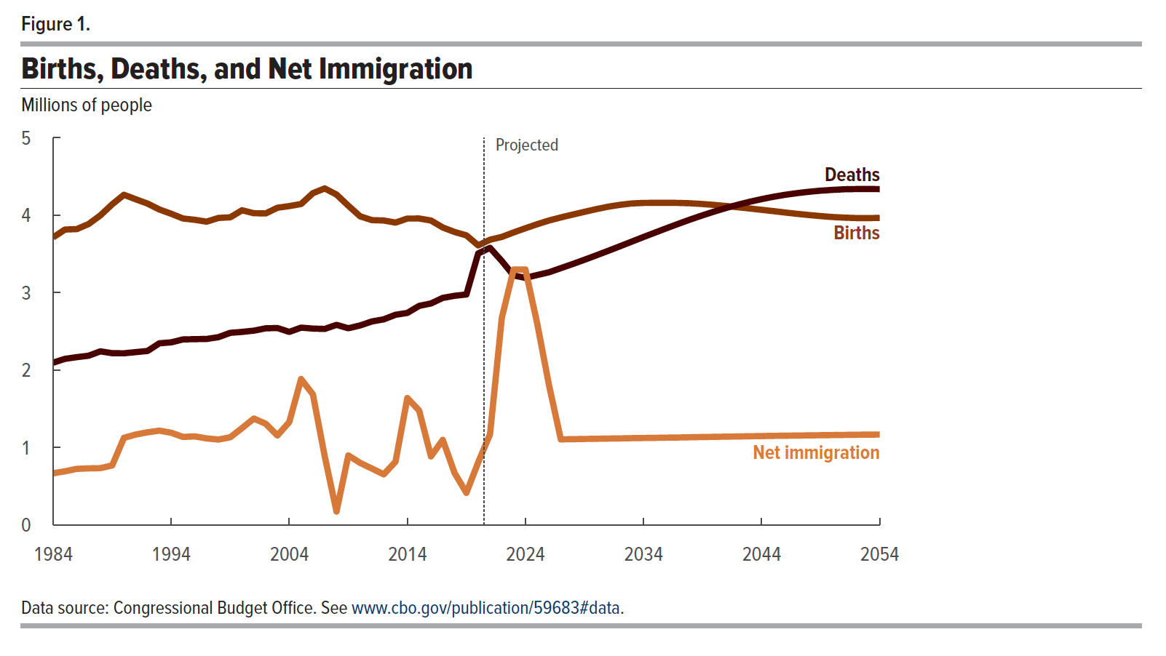
Figure 1. Births, Deaths, and Net Immigration
Millions of people

 | Net immigration | Deaths | Births
1984 | 0.7 | 2.1 | 3.7
1985 | 0.7 | 2.1 | 3.8
1986 | 0.7 | 2.2 | 3.8
1987 | 0.7 | 2.2 | 3.9
1988 | 0.7 | 2.2 | 4.0
1989 | 0.8 | 2.2 | 4.1
1990 | 1.1 | 2.2 | 4.3
1991 | 1.2 | 2.2 | 4.2
1992 | 1.2 | 2.2 | 4.1
1993 | 1.2 | 2.3 | 4.1
1994 | 1.2 | 2.4 | 4.0
1995 | 1.1 | 2.4 | 4.0
1996 | 1.1 | 2.4 | 3.9
1997 | 1.1 | 2.4 | 3.9
1998 | 1.1 | 2.4 | 4.0
1999 | 1.1 | 2.5 | 4.0
2000 | 1.3 | 2.5 | 4.1
2001 | 1.4 | 2.5 | 4.0
2002 | 1.3 | 2.5 | 4.0
2003 | 1.2 | 2.5 | 4.1
2004 | 1.3 | 2.5 | 4.1
2005 | 1.9 | 2.5 | 4.1
2006 | 1.7 | 2.5 | 4.3
2007 | 0.9 | 2.5 | 4.3
2008 | 0.2 | 2.6 | 4.3
2009 | 0.9 | 2.5 | 4.1
2010 | 0.8 | 2.6 | 4.0
2011 | 0.7 | 2.6 | 3.9
2012 | 0.7 | 2.7 | 3.9
2013 | 0.8 | 2.7 | 3.9
2014 | 1.6 | 2.7 | 4.0
2015 | 1.5 | 2.8 | 4.0
2016 | 0.9 | 2.9 | 3.9
2017 | 1.1 | 2.9 | 3.8
2018 | 0.7 | 3.0 | 3.8
2019 | 0.4 | 3.0 | 3.7
2020 | 0.8 | 3.5 | 3.6
2021 | 1.2 | 3.6 | 3.7
2022 | 2.7 | 3.4 | 3.7
2023 | 3.3 | 3.2 | 3.8
2024 | 3.3 | 3.2 | 3.8
2025 | 2.6 | 3.2 | 3.9
2026 | 1.8 | 3.3 | 3.9
2027 | 1.1 | 3.3 | 4.0
2028 | 1.1 | 3.4 | 4.0
2029 | 1.1 | 3.4 | 4.0
2030 | 1.1 | 3.5 | 4.1
2031 | 1.1 | 3.5 | 4.1
2032 | 1.1 | 3.6 | 4.1
2033 | 1.1 | 3.7 | 4.2
2034 | 1.1 | 3.7 | 4.2
2035 | 1.1 | 3.8 | 4.2
2036 | 1.1 | 3.8 | 4.2
2037 | 1.1 | 3.9 | 4.2
2038 | 1.1 | 3.9 | 4.2
2039 | 1.1 | 4.0 | 4.1
2040 | 1.1 | 4.0 | 4.1
2041 | 1.1 | 4.1 | 4.1
2042 | 1.1 | 4.1 | 4.1
2043 | 1.1 | 4.2 | 4.1
2044 | 1.1 | 4.2 | 4.1
2045 | 1.2 | 4.2 | 4.1
2046 | 1.2 | 4.3 | 4.0
2047 | 1.2 | 4.3 | 4.0
2048 | 1.2 | 4.3 | 4.0
2049 | 1.2 | 4.3 | 4.0
2050 | 1.2 | 4.3 | 4.0
2051 | 1.2 | 4.3 | 4.0
2052 | 1.2 | 4.3 | 4.0
2053 | 1.2 | 4.3 | 4.0
2054 | 1.2 | 4.3 | 4.0

Back to Table of Contents

Figure 2
This file presents the data from the figures in CBO's November 15, 2023, testimony CBO's Demographic Projections.
www.cbo.gov/publication/59683

Figure 2. Size of the Population Ages 20 to 64 in Relation to the Population Ages 65 or Older
Ratio
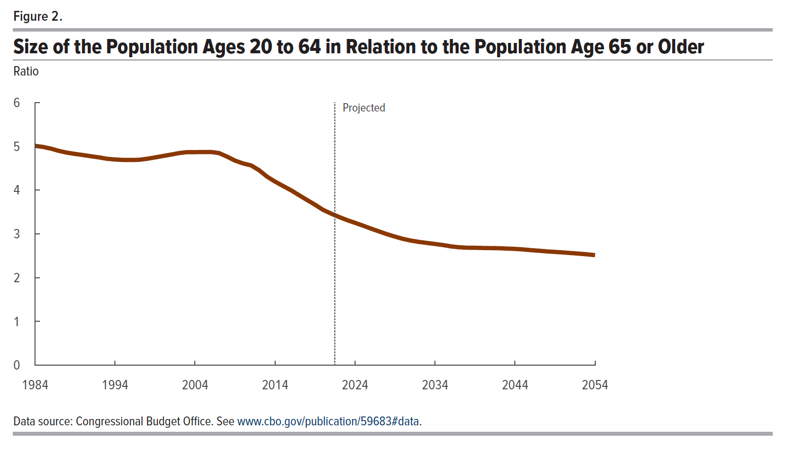
 | Ratio
1984 | 5.01
1985 | 4.99
1986 | 4.95
1987 | 4.89
1988 | 4.85
1989 | 4.83
1990 | 4.80
1991 | 4.77
1992 | 4.75
1993 | 4.72
1994 | 4.70
1995 | 4.69
1996 | 4.69
1997 | 4.69
1998 | 4.71
1999 | 4.75
2000 | 4.78
2001 | 4.81
2002 | 4.84
2003 | 4.87
2004 | 4.87
2005 | 4.87
2006 | 4.87
2007 | 4.85
2008 | 4.76
2009 | 4.67
2010 | 4.61
2011 | 4.56
2012 | 4.46
2013 | 4.31
2014 | 4.19
2015 | 4.09
2016 | 4.00
2017 | 3.88
2018 | 3.77
2019 | 3.67
2020 | 3.55
2021 | 3.46
2022 | 3.39
2023 | 3.32
2024 | 3.25
2025 | 3.19
2026 | 3.12
2027 | 3.06
2028 | 2.99
2029 | 2.94
2030 | 2.89
2031 | 2.85
2032 | 2.82
2033 | 2.79
2034 | 2.77
2035 | 2.75
2036 | 2.71
2037 | 2.69
2038 | 2.68
2039 | 2.68
2040 | 2.68
2041 | 2.68
2042 | 2.67
2043 | 2.66
2044 | 2.66
2045 | 2.65
2046 | 2.63
2047 | 2.62
2048 | 2.60
2049 | 2.59
2050 | 2.58
2051 | 2.56
2052 | 2.55
2053 | 2.53
2054 | 2.51

Back to Table of Contents

