Table 1
This file presents the data from the tables in CBO's April 2024 report Final Report on the Troubled Asset Relief Program.
www.cbo.gov/publication/59919

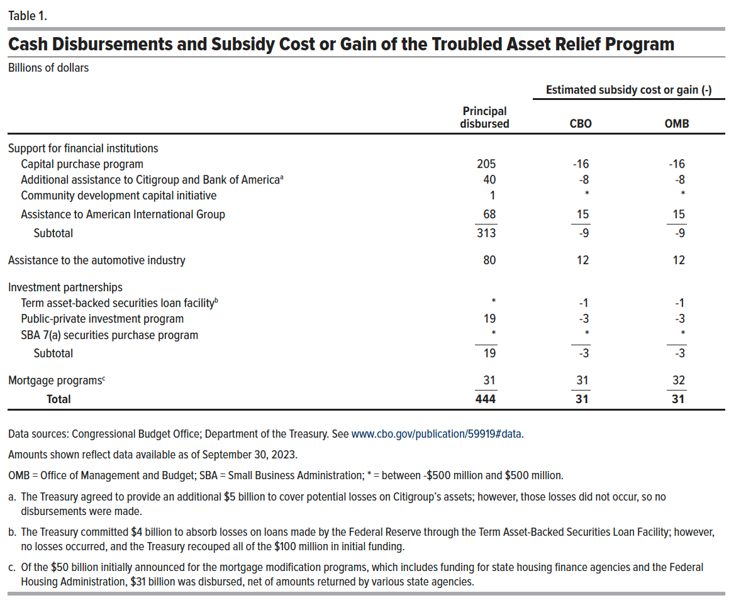
Table 1. Cash Disbursements and Subsidy Cost or Gain of the Troubled Asset Relief Program
Billions of Dollars
 |  | Estimated subsidy cost or gain (-)

 | Principal disbursed | CBO | OMB
Support for financial institutions
Capital purchase program | 205 | -16 | -16
Additional assistance to Citigroup and Bank of Americaa | 40 | -8 | -8
Community development capital initiative | 1 | 0 | 0
Assistance to American International Group | 68 | 15 | 15
Subtotal | 313 | -9 | -9
Assistance to the automotive industry | 80 | 12 | 12
Investment partnerships
Term asset-backed securities loan facilityb | 0 | -1 | -1
Public-private investment program | 19 | -3 | -3
SBA 7(a) purchase program | 0 | 0 | 0
Subtotal | 19 | -3 | -3
Mortgage programsc | 31 | 31 | 32
Total | 444 | 31 | 31

Back to Table of Contents

