Figure 1
This file presents the data underlying the figure in CBO's May 2017 report Transitioning From the Military to the Civilian Workforce: The Role of Unemployment.
www.cbo.gov/publication/52503

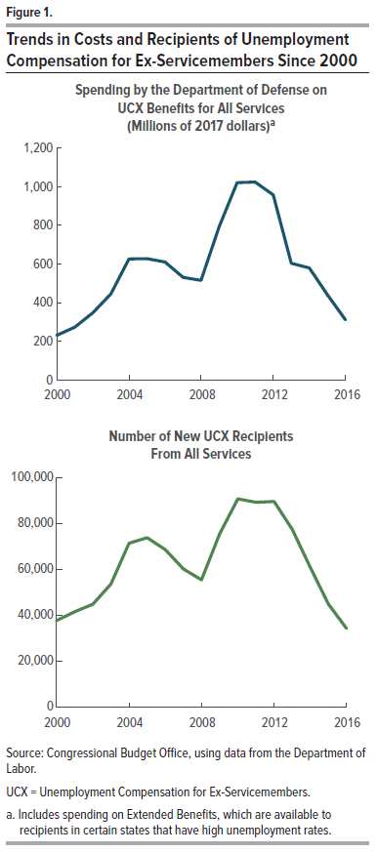
Figure 1.
Trends in Costs and Recipients of Unemployment Compensation for Ex-Servicemembers Since 2000

Spending by the Department of Defense on UCX Benefits for All Services (Millions of 2017 dollars)a |  | Number of New UCX Recipients From All Services

2000 | 232 | 2000 | 37,664
2001 | 274 | 2001 | 41,565
2002 | 348 | 2002 | 44,810
2003 | 446 | 2003 | 53,653
2004 | 627 | 2004 | 71,448
2005 | 628 | 2005 | 73,862
2006 | 611 | 2006 | 68,653
2007 | 531 | 2007 | 60,217
2008 | 516 | 2008 | 55,474
2009 | 792 | 2009 | 75,654
2010 | 1021 | 2010 | 90,815
2011 | 1024 | 2011 | 89,346
2012 | 958 | 2012 | 89,685
2013 | 604 | 2013 | 77,570
2014 | 580 | 2014 | 60,896
2015 | 441 | 2015 | 44,867
2016 | 311 | 2016 | 34,240

Source: Congressional Budget Office, using data from the Department of Labor.

UCX = Unemployment Compensation for Ex-Servicemembers.

a. Includes spending on Extended Benefits, which are available to recipients in certain states that have high unemployment rates.

