Figure 1
This file presents the data underlying the figures in CBO’s January 2020 report The Cost of Replacing the Department of Defense’s Current Aviation Fleet.
www.cbo.gov/publication/55950

Figure 1. Ages and Replacement Costs of the Department of Defense’s Fleet, 2018
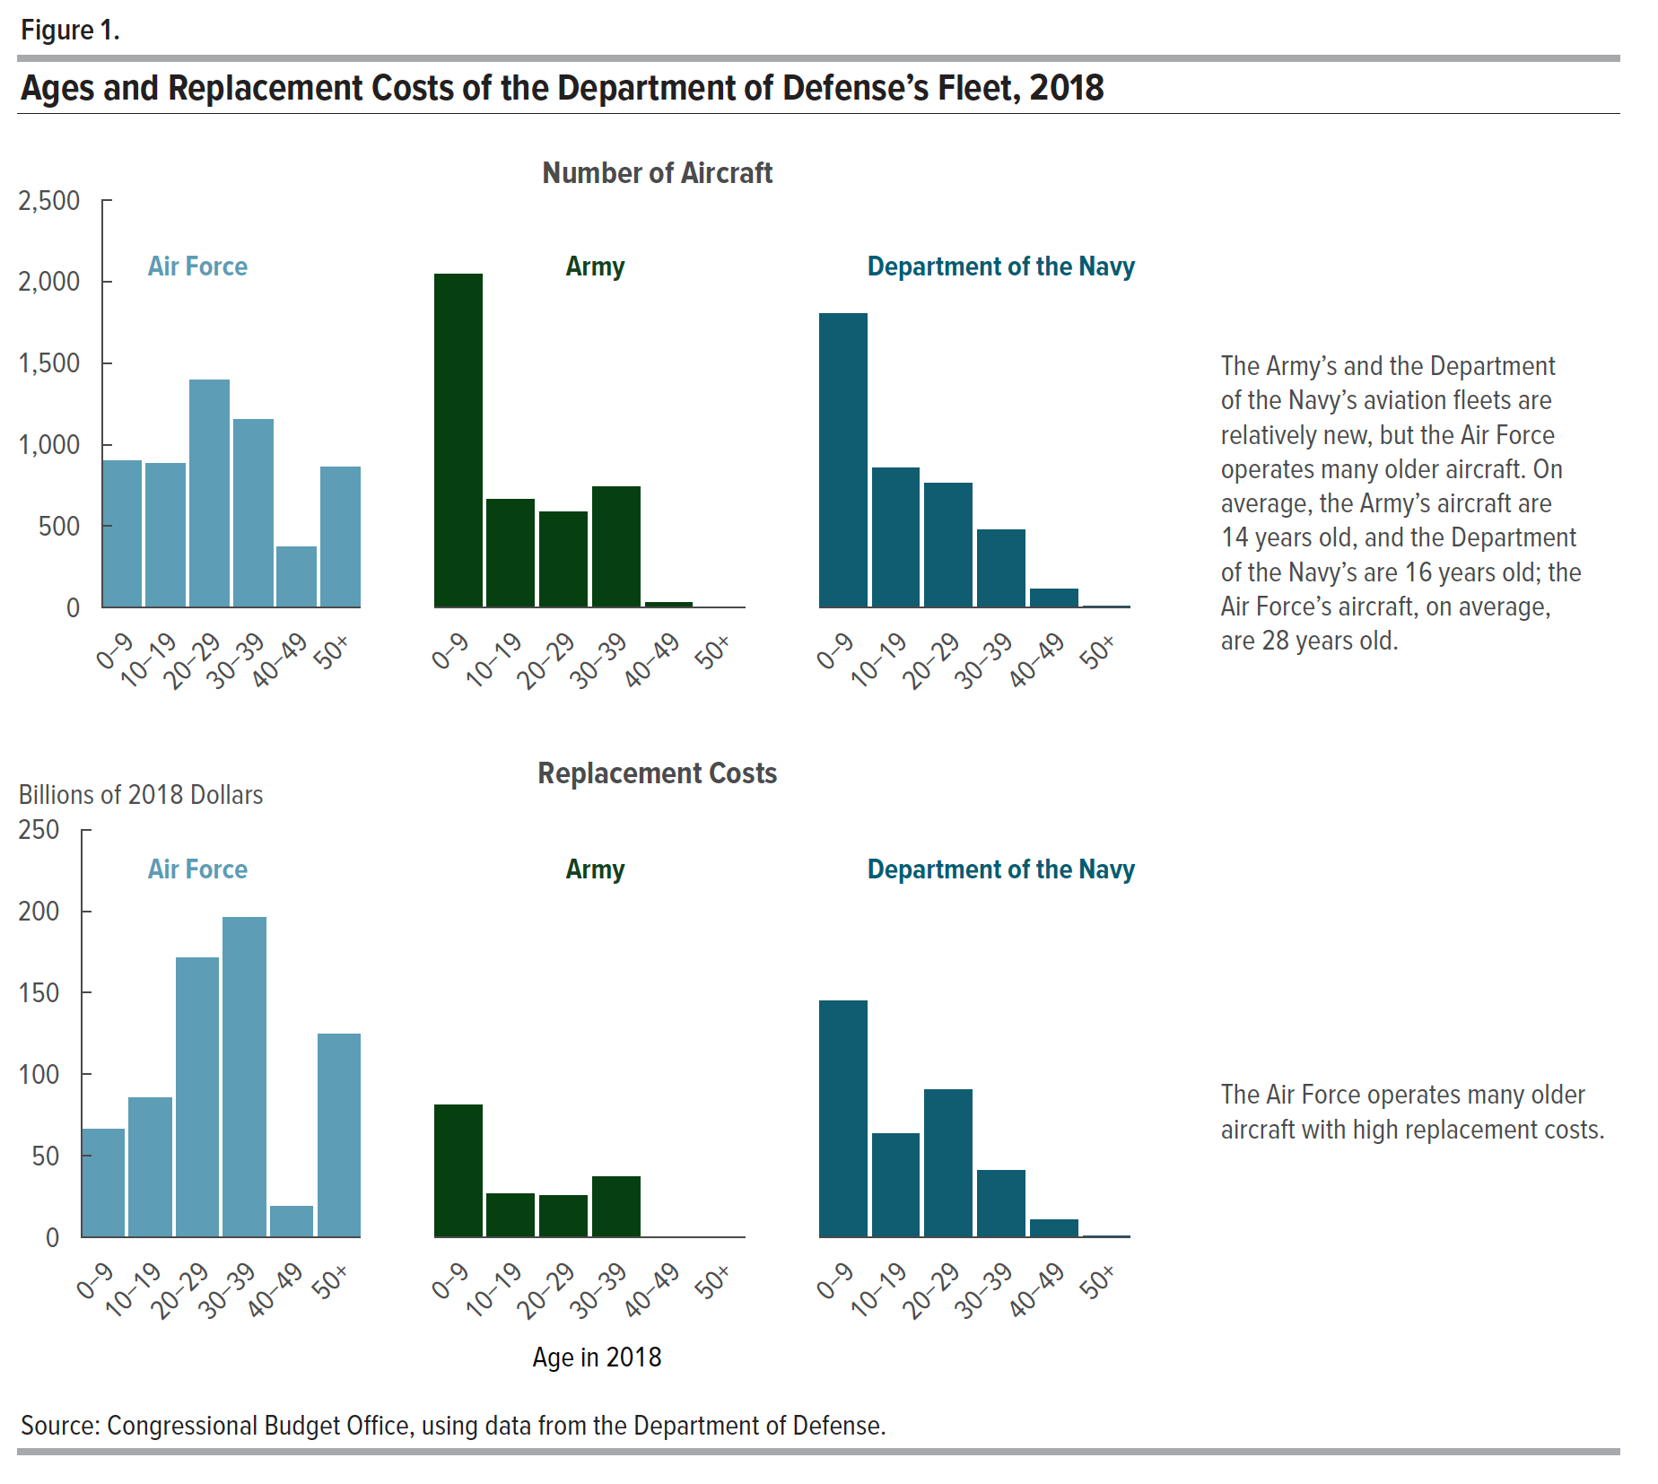
 |  |  |  | Replacement Costs
 | Number of Aircraft |  |  | (Billions of 2018 Dollars)
Age in 2018 | Air Force | Army | Department of the Navy | Air Force | Army | Department of the Navy
0–9 | 903 | 2047 | 1806 | 66.47 | 81.49 | 144.92
10–19 | 884 | 663 | 858 | 85.70 | 26.57 | 63.42
20–29 | 1395 | 585 | 763 | 171.66 | 25.60 | 90.33
30–39 | 1152 | 744 | 476 | 196.07 | 37.17 | 41.22
40–49 | 375 | 31 | 113 | 19.30 | 0.02 | 11.03
50+ | 862 | 0 | 10 | 124.59 | 0 | 1.01

Back to Table of Contents

Figure 2
This file presents the data underlying the figures in CBO’s January 2020 report The Cost of Replacing the Department of Defense’s Current Aviation Fleet.
www.cbo.gov/publication/55950

Figure 2. The Department of Defense’s Budgets for Procuring Aircraft, 2000 to 2018
Billions of 2018 Dollars
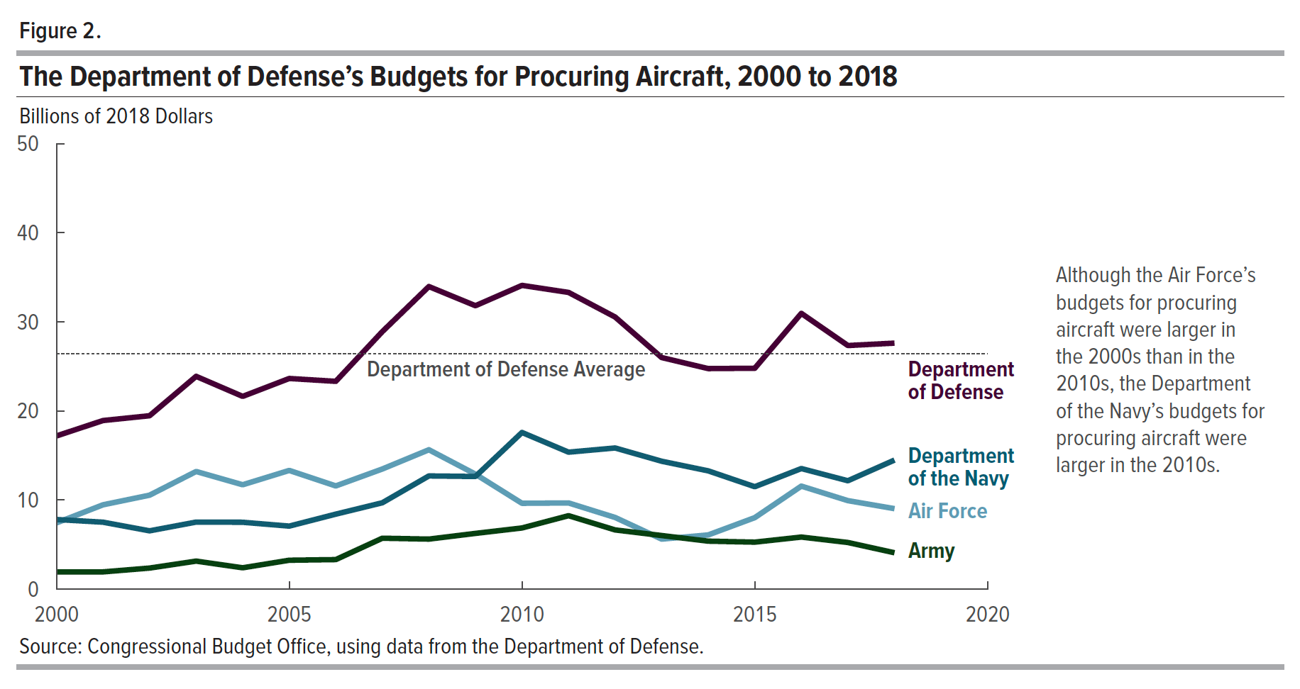
Year | Air Force | Army | Department of the Navy | Department of Defense | Department of Defense Average
2000 | 7.44 | 1.94 | 7.82 | 17.20 | 26.40
2001 | 9.47 | 1.94 | 7.52 | 18.93 | 26.40
2002 | 10.55 | 2.37 | 6.55 | 19.47 | 26.40
2003 | 13.21 | 3.15 | 7.53 | 23.89 | 26.40
2004 | 11.72 | 2.40 | 7.51 | 21.64 | 26.40
2005 | 13.33 | 3.25 | 7.08 | 23.65 | 26.40
2006 | 11.59 | 3.32 | 8.42 | 23.33 | 26.40
2007 | 13.49 | 5.72 | 9.70 | 28.91 | 26.40
2008 | 15.65 | 5.62 | 12.71 | 33.97 | 26.40
2009 | 12.91 | 6.26 | 12.65 | 31.82 | 26.40
2010 | 9.64 | 6.87 | 17.59 | 34.10 | 26.40
2011 | 9.68 | 8.25 | 15.38 | 33.31 | 26.40
2012 | 8.05 | 6.65 | 15.85 | 30.55 | 26.40
2013 | 5.62 | 6.02 | 14.36 | 26.00 | 26.40
2014 | 6.09 | 5.39 | 13.28 | 24.76 | 26.40
2015 | 8.03 | 5.28 | 11.50 | 24.80 | 26.40
2016 | 11.57 | 5.85 | 13.54 | 30.96 | 26.40
2017 | 9.94 | 5.24 | 12.17 | 27.35 | 26.40
2018 | 9.04 | 4.09 | 14.49 | 27.62 | 26.40

Back to Table of Contents

Figure 3
This file presents the data underlying the figures in CBO’s January 2020 report Cost of Replacing Today's Department of Defense Aviation Fleet.
www.cbo.gov/publication/55950

Figure 3. Projected Costs for the Department of Defense’s Procurement of New Aircraft, 2020 to 2050
Billions of 2018 Dollars
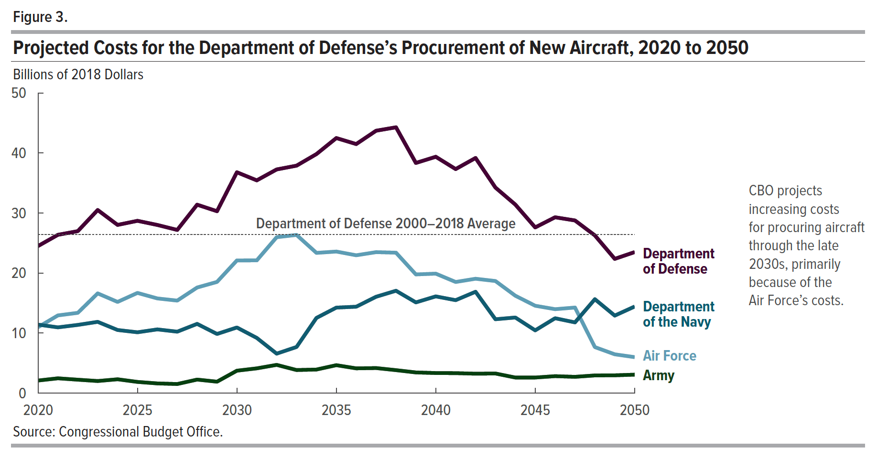
Year | Air Force | Army | Department of the Navy | Department of Defense | Department of Defense 2000–2028 Average
2020 | 10.99 | 2.10 | 11.42 | 24.51 | 26.30
2021 | 12.95 | 2.47 | 10.96 | 26.38 | 26.30
2022 | 13.38 | 2.24 | 11.37 | 26.99 | 26.30
2023 | 16.62 | 2.02 | 11.88 | 30.51 | 26.30
2024 | 15.20 | 2.31 | 10.52 | 28.03 | 26.30
2025 | 16.70 | 1.87 | 10.14 | 28.71 | 26.30
2026 | 15.78 | 1.62 | 10.62 | 28.02 | 26.30
2027 | 15.42 | 1.52 | 10.24 | 27.19 | 26.30
2028 | 17.60 | 2.26 | 11.54 | 31.40 | 26.30
2029 | 18.53 | 1.91 | 9.86 | 30.31 | 26.30
2030 | 22.11 | 3.74 | 10.94 | 36.80 | 26.30
2031 | 22.12 | 4.13 | 9.20 | 35.45 | 26.30
2032 | 25.98 | 4.71 | 6.58 | 37.27 | 26.30
2033 | 26.36 | 3.85 | 7.69 | 37.90 | 26.30
2034 | 23.37 | 3.93 | 12.53 | 39.83 | 26.30
2035 | 23.59 | 4.66 | 14.25 | 42.50 | 26.30
2036 | 22.97 | 4.13 | 14.40 | 41.50 | 26.30
2037 | 23.49 | 4.18 | 16.06 | 43.72 | 26.30
2038 | 23.40 | 3.83 | 17.06 | 44.29 | 26.30
2039 | 19.78 | 3.45 | 15.12 | 38.35 | 26.30
2040 | 19.91 | 3.35 | 16.12 | 39.38 | 26.30
2041 | 18.52 | 3.33 | 15.49 | 37.33 | 26.30
2042 | 19.06 | 3.24 | 16.89 | 39.18 | 26.30
2043 | 18.68 | 3.27 | 12.31 | 34.25 | 26.30
2044 | 16.23 | 2.60 | 12.60 | 31.42 | 26.30
2045 | 14.56 | 2.60 | 10.46 | 27.61 | 26.30
2046 | 13.99 | 2.83 | 12.48 | 29.30 | 26.30
2047 | 14.26 | 2.72 | 11.79 | 28.77 | 26.30
2048 | 7.67 | 2.95 | 15.65 | 26.28 | 26.30
2049 | 6.47 | 2.97 | 12.92 | 22.37 | 26.30
2050 | 6.00 | 3.08 | 14.43 | 23.50 | 26.30

Back to Table of Contents

Figure 4
This file presents the data underlying the figures in CBO’s January 2020 report Cost of Replacing Today's Department of Defense Aviation Fleet.
www.cbo.gov/publication/55950

Figure 4. The Department of Defense’s Aviation Programs With the Highest Procurement Costs, 2020 to 2050
Billions of 2018 Dollars
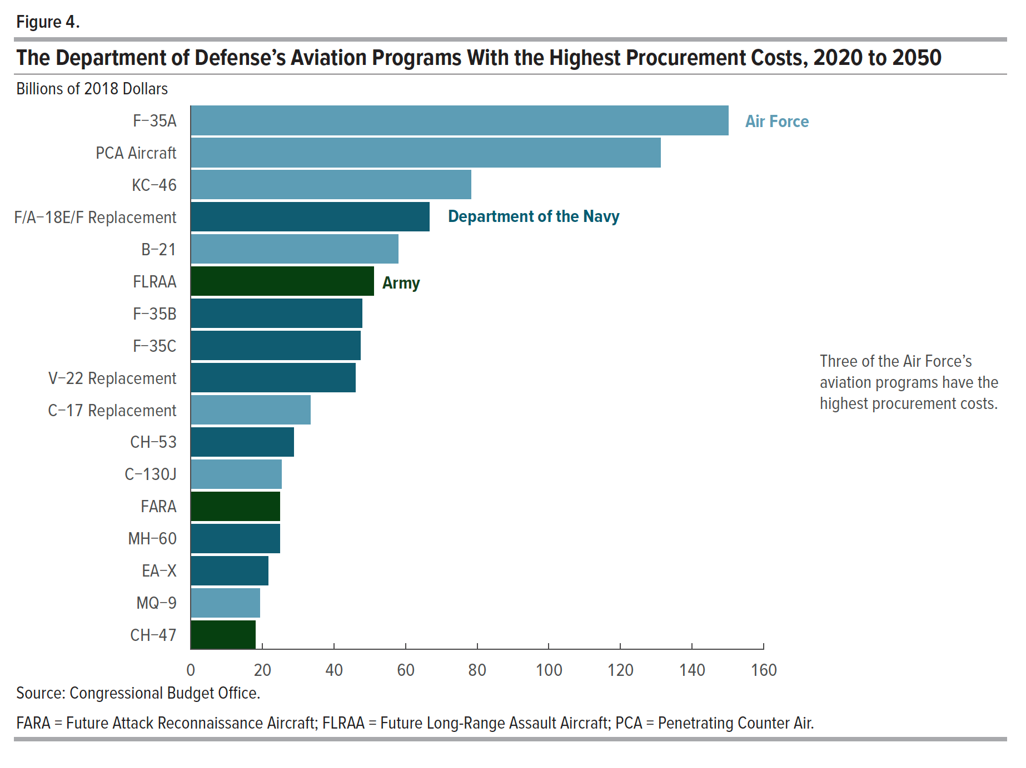
Aircraft | Cost | Service
F-35A | 150.10 | Air Force
PCA Aircraft | 131.20 | Air Force
KC-46 | 78.20 | Air Force
F/A-18E/F Replacement | 66.60 | Department of the Navy
B-21 | 58.00 | Air Force
FLRAA | 51.10 | Army
F-35B | 47.90 | Department of the Navy
F-35C | 47.30 | Department of the Navy
V-22 Replacement | 46.00 | Department of the Navy
C-17 Replacement | 33.40 | Air Force
CH-53 | 28.80 | Department of the Navy
C-130J | 25.30 | Air Force
FARA | 24.90 | Army
MH-60 | 24.90 | Department of the Navy
EA-X | 21.60 | Department of the Navy
MQ-9 | 19.20 | Air Force
CH-47 | 18.10 | Army

Back to Table of Contents

