Figure 1
This file presents supplemental information about CBO's January 2020 publication The Foreign-Born Population and Its Effects on the U.S. Economy and the Federal Budget—An Overview.
www.cbo.gov/publication/55967

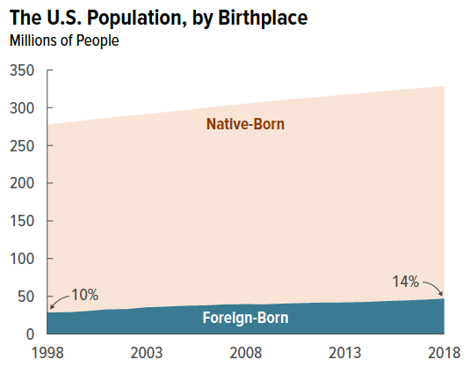
Figure 1. The U.S. Population, by Birthplace
Millions of People

 | Native-Born | Foreign-Born
1998 | 249 | 29
1999 | 252 | 29
2000 | 253 | 30
2001 | 254 | 33
2002 | 256 | 33
2003 | 256 | 35
2004 | 258 | 36
2005 | 260 | 37
2006 | 262 | 38
2007 | 263 | 39
2008 | 266 | 39
2009 | 269 | 39
2010 | 270 | 40
2011 | 272 | 41
2012 | 273 | 42
2013 | 275 | 42
2014 | 277 | 42
2015 | 278 | 43
2016 | 280 | 44
2017 | 281 | 45
2018 | 282 | 47

Source: Congressional Budget Office, using data from the Bureau of Labor Statistics’ and the Census Bureau’s Current Population Survey (Annual Social and Economic Supplement) and the Census Bureau’s Population Estimates Program.

Back to Table of Contents

Figure 2
This file presents supplemental information about CBO's January 2020 publication The Foreign-Born Population and Its Effects on the U.S. Economy and the Federal Budget—An Overview.
www.cbo.gov/publication/55967

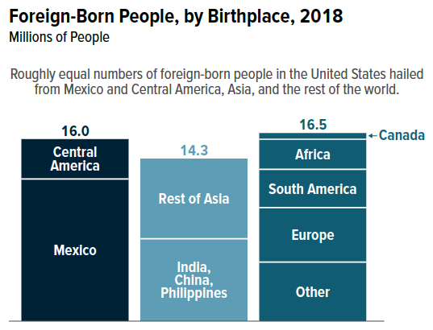
Figure 2. Foreign-Born People, by Birthplace, 2018
Millions of People

Mexico | 12.4
Central America | 3.6
India, China, Philippines | 7.2
Rest of Asia | 7.1
Canada | 0.6
Europe | 4.8
South America | 3.3
Africa | 2.6
Other | 5.2

Source: Congressional Budget Office, using data from the Bureau of Labor Statistics’ and the Census Bureau’s Current Population Survey (Annual Social and Economic Supplement) and the Census Bureau’s Population Estimates Program.

Back to Table of Contents

Figure 3
This file presents supplemental information about CBO's January 2020 publication The Foreign-Born Population and Its Effects on the U.S. Economy and the Federal Budget—An Overview.
www.cbo.gov/publication/55967

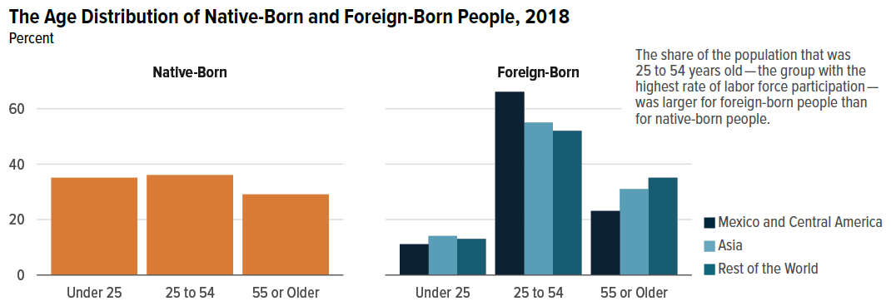
Figure 3. The Age Distribution of Native-Born and Foreign-Born People, 2018
Percent

 | Native-Born | Foreign-Born | Mexico and Central America | Asia | Rest of World
Under 25 | 35 | 13 | 11 | 14 | 13
25 to 54 | 36 | 58 | 66 | 55 | 52
55 or Older | 29 | 30 | 23 | 31 | 35

Source: Congressional Budget Office, using data from the Bureau of Labor Statistics’ and the Census Bureau’s Current Population Survey (Annual Social and Economic Supplement) and the Census Bureau’s Population Estimates Program.

Back to Table of Contents

Figure 4
This file presents supplemental information about CBO's January 2020 publication The Foreign-Born Population and Its Effects on the U.S. Economy and the Federal Budget—An Overview.
www.cbo.gov/publication/55967

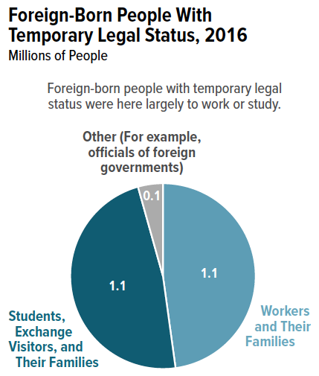
Figure 4. Foreign-Born People With Temporary Legal Status, 2016
Millions of People

Workers and Their Families | 1.1
Students, Exchange Visitors, and Their Families | 1.1
Other (For example, officials of foreign governments) | 0.1

Source: Congressional Budget Office, using data from Bryan Baker, Nonimmigrants Residing in the United States: Fiscal Year 2016 (Department of Homeland Security, March 2018), https://go.usa.gov/xpu8s.

Back to Table of Contents

Figure 5
This file presents supplemental information about CBO's January 2020 publication The Foreign-Born Population and Its Effects on the U.S. Economy and the Federal Budget—An Overview.
www.cbo.gov/publication/55967

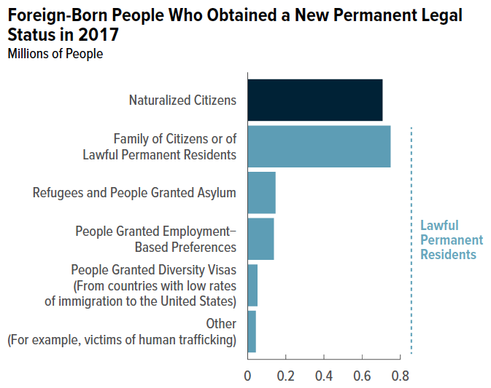
Figure 5. Foreign-Born People Who Obtained a New Permanent Legal Status in 2017
Millions of People

 | Lawful Permanent Residents
Naturalized Citizens | Family of Citizens or of Lawful Permanent Residents | Refugees and People Granted Asylum | People Granted Employment-Based Preferences | People Granted Diversity Visas (From countries with low rates of immigration to the United States) | Other (For example, victims of human trafficking)
0.71 | 0.75 | 0.15 | 0.14 | 0.05 | 0.04

Source: Congressional Budget Office, using data from Department of Homeland Security, 2017 Yearbook of Immigration Statistics (July 2019), www.dhs.gov/immigration-statistics/yearbook/2017.

Back to Table of Contents

Figure 6
This file presents supplemental information about CBO's January 2020 publication The Foreign-Born Population and Its Effects on the U.S. Economy and the Federal Budget—An Overview.
www.cbo.gov/publication/55967

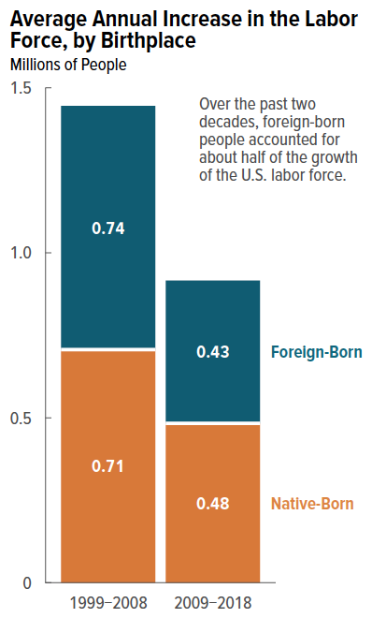
Figure 6. Average Annual Increase in the Labor Force, by Birthplace
Millions of People

 | Native-Born | Foreign-Born
1999–2008 | 0.71 | 0.74
2009–2018 | 0.48 | 0.43

Source: Congressional Budget Office, using data from the Bureau of Labor Statistics’ and the Census Bureau’s Current Population Survey (Annual Social and Economic Supplement) and the Census Bureau’s Population Estimates Program.

Back to Table of Contents

Figure 7
This file presents supplemental information about CBO's January 2020 publication The Foreign-Born Population and Its Effects on the U.S. Economy and the Federal Budget—An Overview.
www.cbo.gov/publication/55967

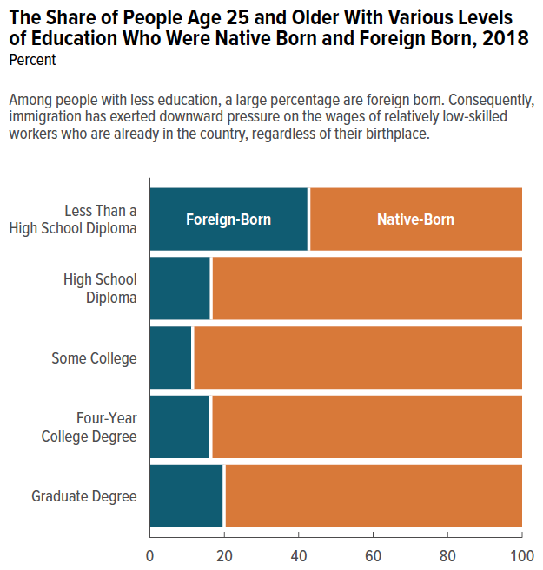
Figure 7. The Share of People Age 25 and Older With Various Levels of Education Who Were Native Born and Foreign Born, 2018
Percent

 | Foreign-Born | Native-Born
Less Than a High School Diploma | 43 | 57
High School Diploma | 16 | 84
Some College | 11 | 89
Four-Year College Degree | 16 | 84
Graduate Degree | 20 | 80

Source: Congressional Budget Office, using data from the Bureau of Labor Statistics’ and the Census Bureau’s Current Population Survey (Annual Social and Economic Supplement) and the Census Bureau’s Population Estimates Program.

Back to Table of Contents

Figure 8
This file presents supplemental information about CBO's January 2020 publication The Foreign-Born Population and Its Effects on the U.S. Economy and the Federal Budget—An Overview.
www.cbo.gov/publication/55967

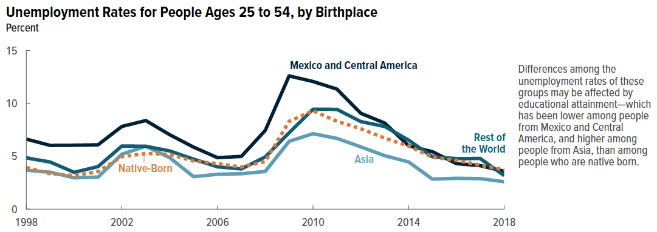
Figure 8. Unemployment Rates for People Ages 25 to 54, by Birthplace
Percent

 | Native-Born | Born in Mexico or Central America | Born in Asia | Born in Rest of the World
1998 | 3.9 | 6.6 | 3.7 | 4.8
1999 | 3.3 | 6.0 | 3.5 | 4.5
2000 | 3.2 | 6.0 | 3.0 | 3.5
2001 | 3.6 | 6.1 | 3.0 | 4.0
2002 | 5.0 | 7.8 | 5.2 | 6.0
2003 | 5.3 | 8.4 | 5.9 | 5.9
2004 | 5.2 | 7.0 | 4.9 | 5.5
2005 | 4.6 | 5.9 | 3.1 | 4.7
2006 | 4.3 | 4.9 | 3.3 | 4.0
2007 | 4.0 | 5.0 | 3.4 | 3.8
2008 | 4.5 | 7.4 | 3.6 | 4.9
2009 | 8.3 | 12.6 | 6.4 | 7.2
2010 | 9.3 | 12.1 | 7.1 | 9.4
2011 | 8.3 | 11.4 | 6.7 | 9.4
2012 | 7.6 | 9.1 | 5.9 | 8.3
2013 | 6.7 | 8.1 | 5.1 | 7.8
2014 | 6.0 | 6.0 | 4.5 | 6.5
2015 | 4.9 | 5.4 | 2.8 | 4.9
2016 | 4.6 | 4.3 | 2.9 | 4.8
2017 | 4.2 | 4.1 | 2.9 | 4.8
2018 | 3.7 | 3.6 | 2.6 | 3.2

Source: Congressional Budget Office, using data from the Bureau of Labor Statistics’ and the Census Bureau’s Current Population Survey (Annual Social and Economic Supplement) and the Census Bureau’s Population Estimates Program.

Back to Table of Contents

