Figure 1
This file presents the data underlying the figure and tables in CBO's September 2020 report The Effects of Pandemic-Related Legislation on Output.
www.cbo.gov/publication/56537

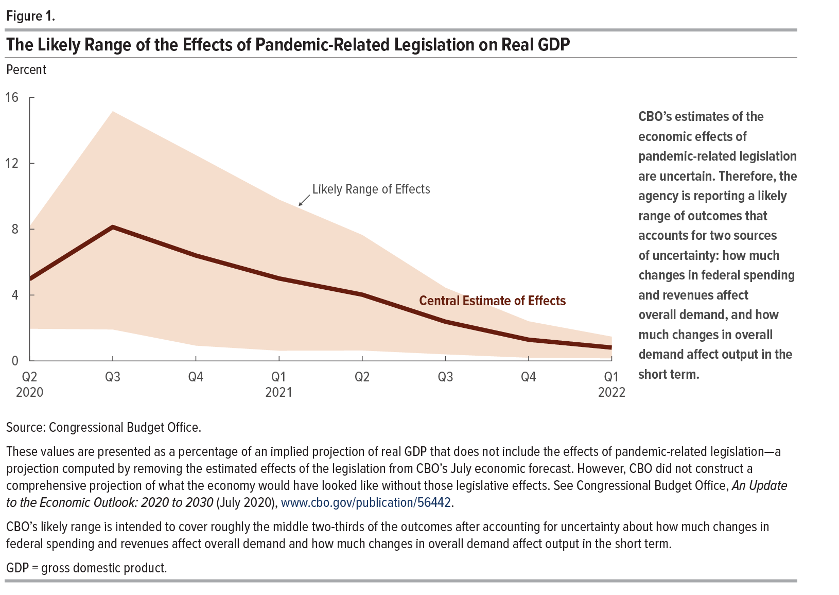
Figure 1. The Likely Range of the Effects of Pandemic-Related Legislation on Real GDP
Percent

 | Lower End of the Likely Range of Effects | Central Estimate of Effects | Upper End of the Likely Range of Effects
2020 Q2 | 2.0 | 5.0 | 8.2
2020 Q3 | 1.9 | 8.1 | 15.2
2020 Q4 | 0.9 | 6.4 | 12.5
2021 Q1 | 0.6 | 5.0 | 9.8
2021 Q2 | 0.6 | 4.0 | 7.6
2021 Q3 | 0.4 | 2.4 | 4.4
2021 Q4 | 0.2 | 1.3 | 2.4
2022 Q1 | 0.2 | 0.8 | 1.5

Back to Table of Contents

Table 1
This file presents the data underlying the figure and tables in CBO's September 2020 report The Effects of Pandemic-Related Legislation on Output.
www.cbo.gov/publication/56537

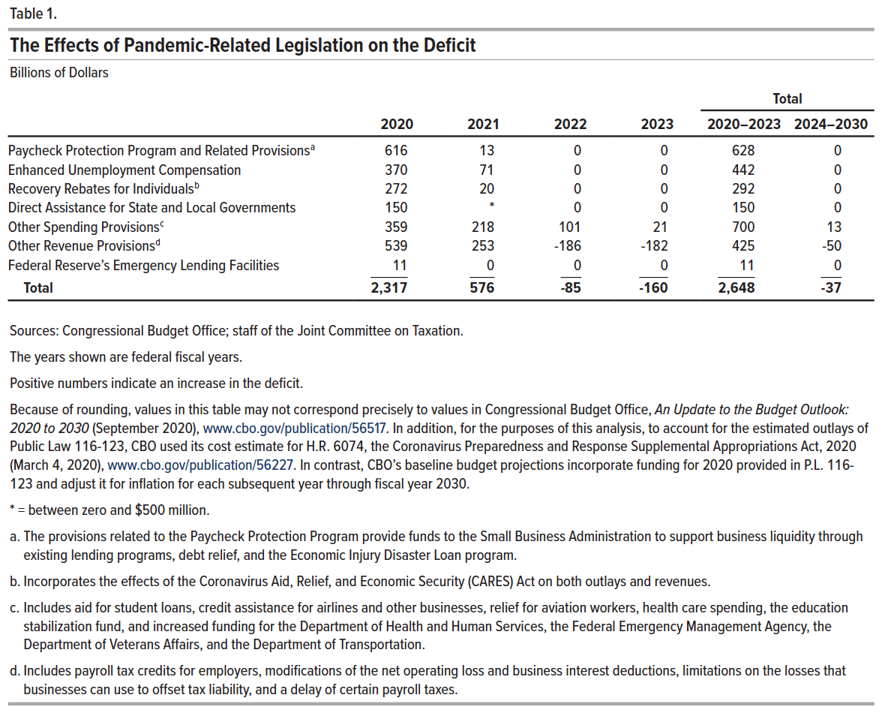
Table 1. The Effects of Pandemic-Related Legislation on the Deficit
Billions of Dollars

 |  |  |  |  | Total
 | 2020 | 2021 | 2022 | 2023 | 2020–2023 | 2024–2030
Paycheck Protection Program and Related Provisions | 616 | 13 | 0 | 0 | 628 | 0
Enhanced Unemployment Compensation | 370 | 71 | 0 | 0 | 442 | 0
Recovery Rebates for Individuals | 272 | 20 | 0 | 0 | 292 | 0
Direct Assistance for State and Local Governments | 150 | * | 0 | 0 | 150 | 0
Other Spending Provisions | 359 | 218 | 101 | 21 | 700 | 13
Other Revenue Provisions | 539 | 253 | -186 | -182 | 425 | -50
Federal Reserve’s Emergency Lending Facilities | 11 | 0 | 0 | 0 | 11 | 0
Total | 2,317 | 576 | -85 | -160 | 2,648 | -37

Back to Table of Contents

Table 2
This file presents the data underlying the figure and tables in CBO's September 2020 report The Effects of Pandemic-Related Legislation on Output.
www.cbo.gov/publication/56537

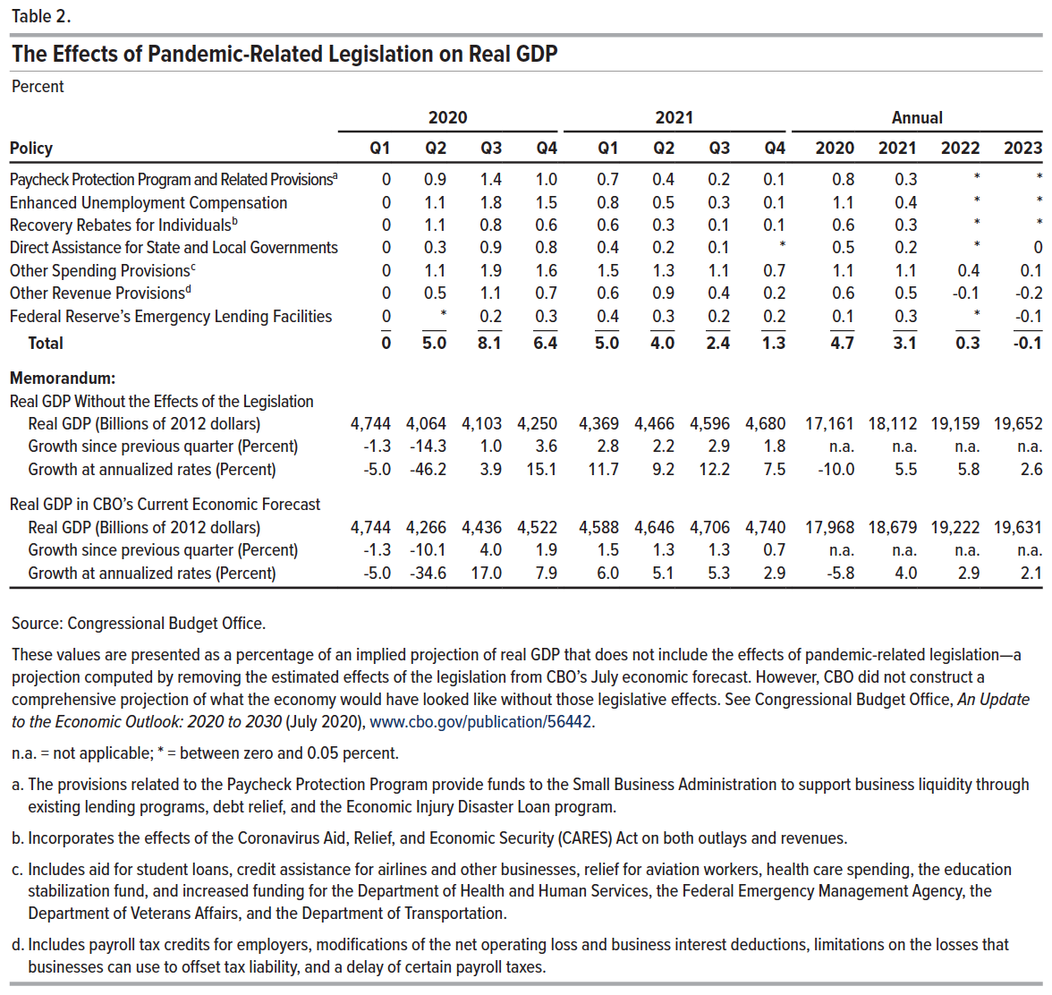
Table 2. The Effects of Pandemic-Related Legislation on Real GDP
Percent

 | 2020 |  |  |  | 2021 |  |  |  | Annual
Policy | Q1 | Q2 | Q3 | Q4 | Q1 | Q2 | Q3 | Q4 | 2020 | 2021 | 2022 | 2023
Paycheck Protection Program and Related Provisions | 0 | 0.9 | 1.4 | 1.0 | 0.7 | 0.4 | 0.2 | 0.1 | 0.8 | 0.3 | * | *
Enhanced Unemployment Compensation | 0 | 1.1 | 1.8 | 1.5 | 0.8 | 0.5 | 0.3 | 0.1 | 1.1 | 0.4 | * | *
Recovery Rebates for Individuals | 0 | 1.1 | 0.8 | 0.6 | 0.6 | 0.3 | 0.1 | 0.1 | 0.6 | 0.3 | * | *
Direct Assistance for State and Local Governments | 0 | 0.3 | 0.9 | 0.8 | 0.4 | 0.2 | 0.1 | * | 0.5 | 0.2 | * | 0
Other Spending Provisions | 0 | 1.1 | 1.9 | 1.6 | 1.5 | 1.3 | 1.1 | 0.7 | 1.1 | 1.1 | 0.4 | 0.1
Other Revenue Provisions | 0 | 0.5 | 1.1 | 0.7 | 0.6 | 0.9 | 0.4 | 0.2 | 0.6 | 0.5 | -0.1 | -0.2
Federal Reserve’s Emergency Lending Facilities | 0 | * | 0.2 | 0.3 | 0.4 | 0.3 | 0.2 | 0.2 | 0.1 | 0.3 | * | -0.1
Total | 0 | 5.0 | 8.1 | 6.4 | 5.0 | 4.0 | 2.4 | 1.3 | 4.7 | 3.1 | 0.3 | -0.1
Memorandum:
Real GDP Without the Effects of the Legislation
Real GDP (Billions of 2012 dollars) | 4,744 | 4,064 | 4,103 | 4,250 | 4,369 | 4,466 | 4,596 | 4,680 | 17,161 | 18,112 | 19,159 | 19,652
Growth since previous quarter (Percent) | -1.3 | -14.3 | 1.0 | 3.6 | 2.8 | 2.2 | 2.9 | 1.8 | n.a. | n.a. | n.a. | n.a.
Growth at annualized rates (Percent) | -5.0 | -46.2 | 3.9 | 15.1 | 11.7 | 9.2 | 12.2 | 7.5 | -10.0 | 5.5 | 5.8 | 2.6
Real GDP in CBO’s Current Economic Forecast
Real GDP (Billions of 2012 dollars) | 4,744 | 4,266 | 4,436 | 4,522 | 4,588 | 4,646 | 4,706 | 4,740 | 17,968 | 18,679 | 19,222 | 19,631
Growth since previous quarter (Percent) | -1.3 | -10.1 | 4.0 | 1.9 | 1.5 | 1.3 | 1.3 | 0.7 | n.a. | n.a. | n.a. | n.a.
Growth at annualized rates (Percent) | -5.0 | -34.6 | 17.0 | 7.9 | 6.0 | 5.1 | 5.3 | 2.9 | -5.8 | 4.0 | 2.9 | 2.1

Back to Table of Contents

Table 3
This file presents the data underlying the figure and tables in CBO's September 2020 report The Effects of Pandemic-Related Legislation on Output.
www.cbo.gov/publication/56537

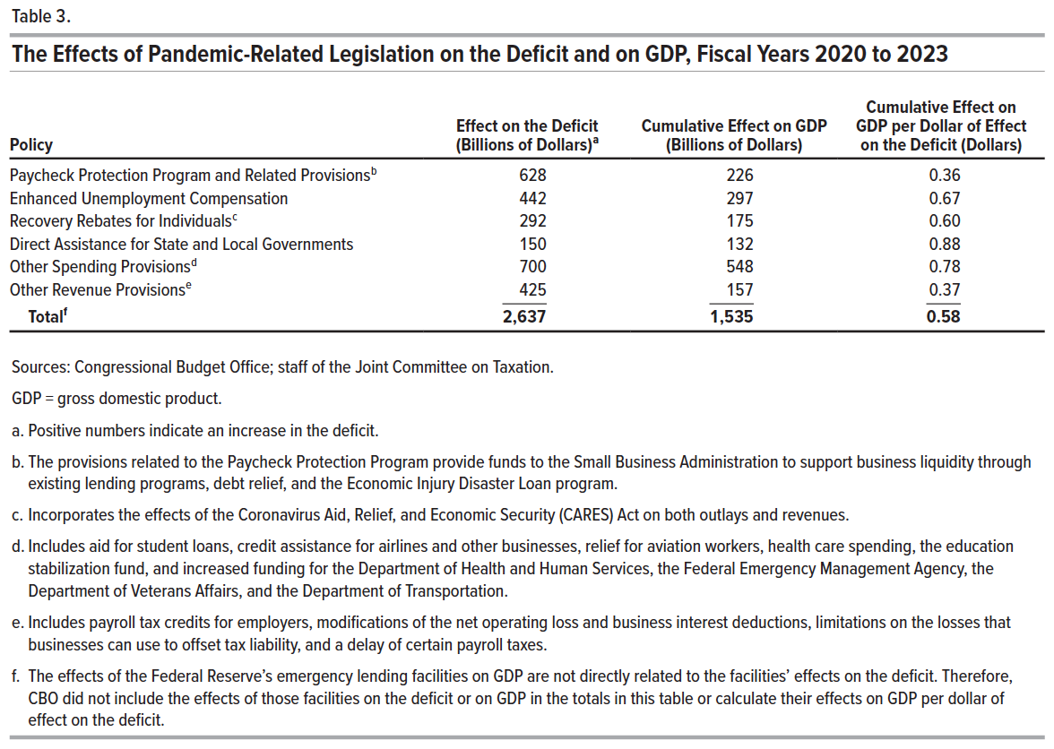
Table 3. The Effects of Pandemic-Related Legislation on the Deficit and on GDP, Fiscal Years 2020 to 2023

Policy | Effect on the Deficit (Billions of Dollars) | Cumulative Effect on GDP (Billions of Dollars) | Cumulative Effect on GDP per Dollar of Effect on the Deficit (Dollars)
Paycheck Protection Program and Related Provisions | 628 | 226 | 0.36
Enhanced Unemployment Compensation | 442 | 297 | 0.67
Recovery Rebates for Individuals | 292 | 175 | 0.60
Direct Assistance for State and Local Governments | 150 | 132 | 0.88
Other Spending Provisions | 700 | 548 | 0.78
Other Revenue Provisions | 425 | 157 | 0.37
Total | 2,637 | 1,535 | 0.58

Back to Table of Contents

