Figure 1-1
This file presents the data from figures in CBO's September 2022 report Policy Approaches to Reduce What Commercial Insurers Pay for Hospitals’ and Physicians’ Services.
www.cbo.gov/publication/58222

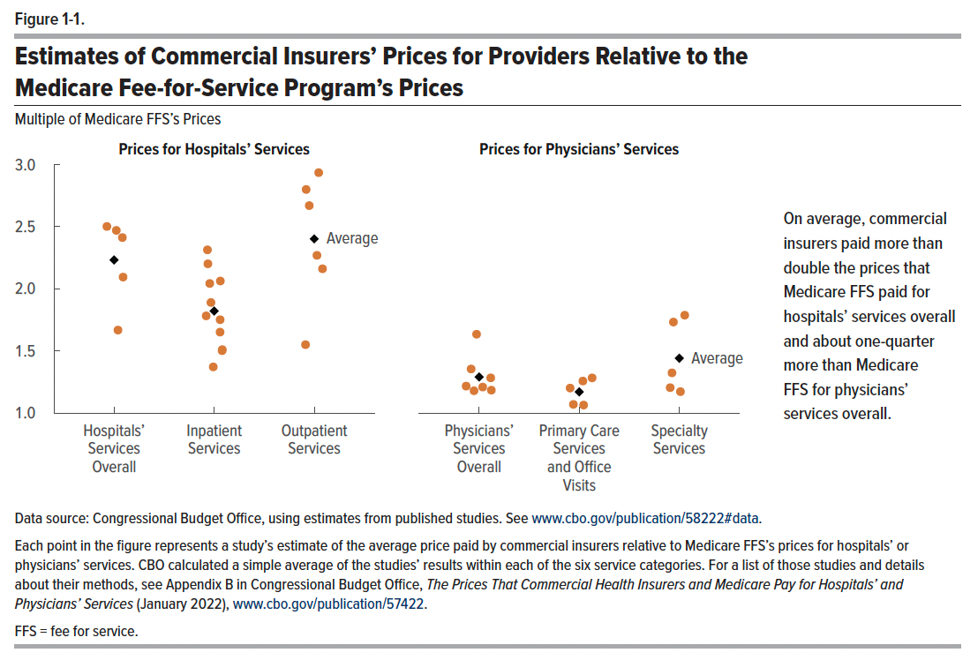
Figure 1-1. Estimates of Commercial Insurers’ Prices for Providers Relative to the Medicare Fee-for-Service Program’s Prices
Multiple of Medicare FFS’s Prices

Source | Category of Prices | Commercial Prices as a Multiple of Medicare FFS’s Prices
 | Prices for Hospitals’ Services
Bai and Anderson, 2018 | Hospitals’ Services Overall | 2.50
Whaley and Others, 2020 | Hospitals’ Services Overall | 2.47
White and Whaley, 2019 | Hospitals’ Services Overall | 2.41
Kronick and Neyaz, 2019 | Hospitals’ Services Overall | 2.09
AHA, 2020 | Hospitals’ Services Overall | 1.67
Average | Hospitals’ Services Overall | 2.23
White and Whaley, 2019 | Outpatient Services | 2.93
Ginsburg, 2010 | Outpatient Services | 2.80
Whaley and Others, 2020 | Outpatient Services | 2.67
White and Others, 2013 | Outpatient Services | 2.27
Chernew and Others, 2020 | Outpatient Services | 2.16
Selden, 2020 | Outpatient Services | 1.55
Average | Outpatient Services | 2.40
Whaley and Others, 2020 | Inpatient Services | 2.31
Cooper and Others, 2019 | Inpatient Services | 2.20
Chernew and Others, 2020 | Inpatient Services | 2.06
White and Whaley, 2019 | Inpatient Services | 2.04
Lane and Nelson, 2018 | Inpatient Services | 1.89
Ginsburg, 2010 | Inpatient Services | 1.78
Selden and Others, 2015 | Inpatient Services | 1.75
Baker and Others, 2016 | Inpatient Services | 1.65
White and Others, 2013 | Inpatient Services | 1.51
Selden, 2020 | Inpatient Services | 1.50
Fronsdal and Others, 2020 | Inpatient Services | 1.37
Average | Inpatient Services | 1.82
 | Prices for Physicians’ Services
Chernew and Others, 2020 | Physicians’ Services Overall | 1.63
MedPAC, 2020 | Physicians’ Services Overall | 1.35
Pelech, 2020 | Physicians’ Services Overall | 1.28
Johnson and Others, 2020 | Physicians’ Services Overall | 1.22
Trish and Others, 2017 | Physicians’ Services Overall | 1.21
Ginsburg, 2010 | Physicians’ Services Overall | 1.18
Biener and Selden, 2017 | Physicians’ Services Overall | 1.18
Average | Physicians’ Services Overall | 1.29
MedPAC, 2020 | Primary Care Services and Office Visits | 1.28
Biener and Selden, 2017 | Primary Care Services and Office Visits | 1.26
Johnson and Others, 2020 | Primary Care Services and Office Visits | 1.20
Trish and Others, 2017 | Primary Care Services and Office Visits | 1.07
Pelech, 2020 | Primary Care Services and Office Visits | 1.06
Average | Primary Care Services and Office Visits | 1.17
Trish and Others, 2017 | Specialty Services | 1.79
Pelech, 2020 | Specialty Services | 1.73
Wallace and Song, 2016 | Specialty Services | 1.32
Johnson and Others, 2020 | Specialty Services | 1.20
Biener and Selden, 2017 | Specialty Services | 1.17
Average | Specialty Services | 1.44

Back to Table of Contents

Figure 3-1
This file presents the data from figures in CBO's September 2022 report Policy Approaches to Reduce What Commercial Insurers Pay for Hospitals’ and Physicians’ Services.
www.cbo.gov/publication/58222

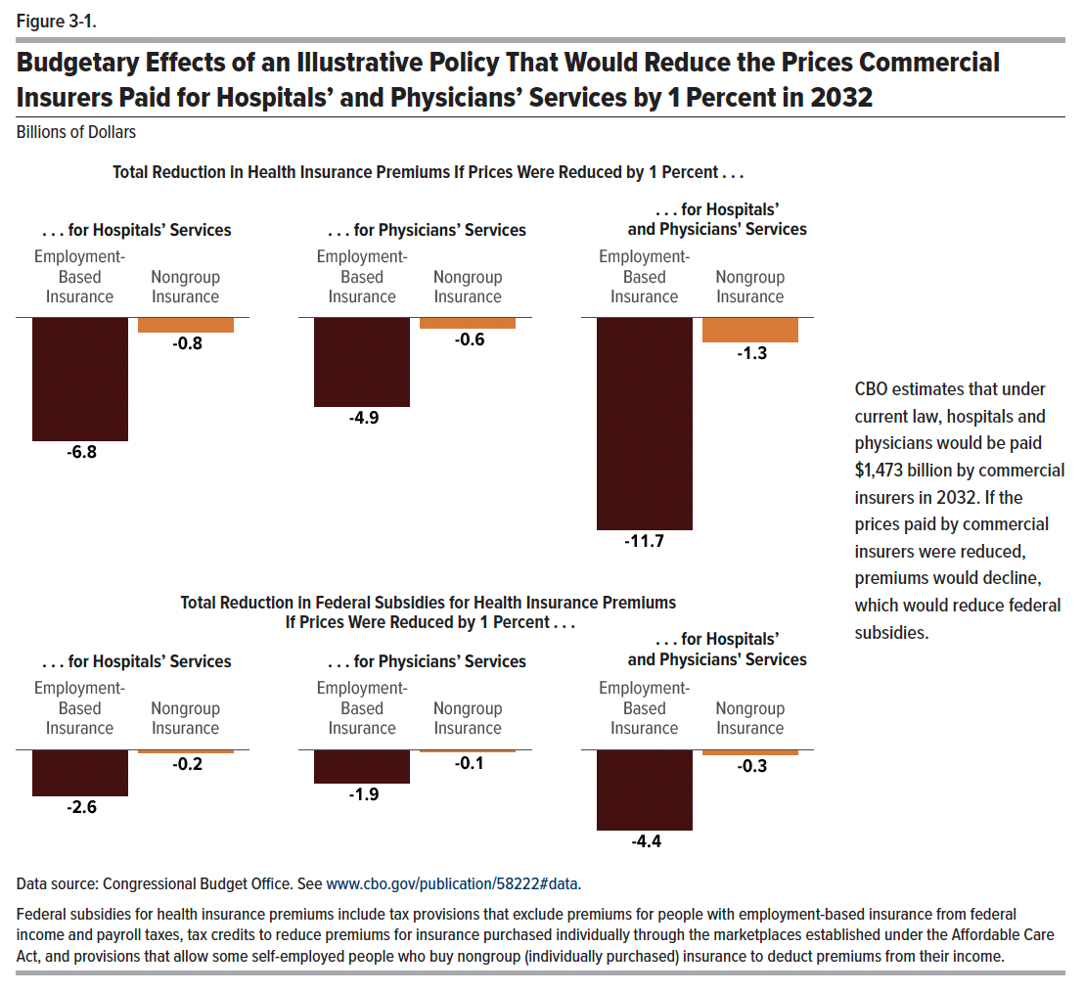
Figure 3-1. Budgetary Effects of an Illustrative Policy That Would Reduce the Prices Commercial Insurers Paid for Hospitals’ and Physicians’ Services by 1 Percent in 2032
Billions of Dollars

 | Hospitals’ Services | Physicians’ Services | Hospitals’ and Physicians' Services
 | Reduction in Premiums
Employment-Based Insurance | -6.8 | -4.9 | -11.7
Nongroup Insurance | -0.8 | -0.6 | -1.3
 | Reduction in Subsidies
Employment-Based Insurance | -2.6 | -1.9 | -4.4
Nongroup Insurance | -0.2 | -0.1 | -0.3

Back to Table of Contents

