Table 1
This file presents the data from the table and figure in CBO's March 2023 letter about CBO’s Projections of Federal Health Care Spending.
www.cbo.gov/publication/58997

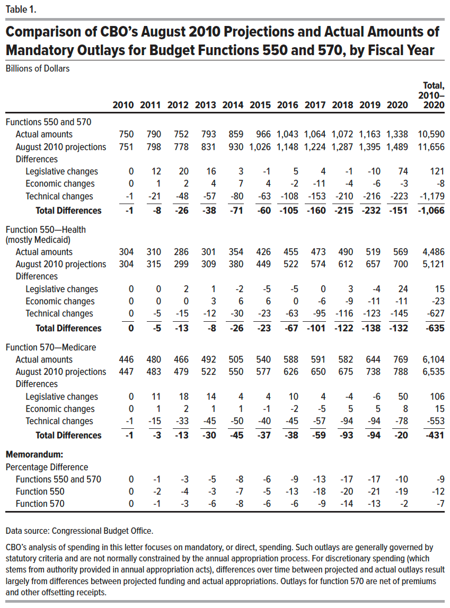
Table 1. Comparison of CBO’s August 2010 Projections and Actual Amounts of Mandatory Outlays for Budget Functions 550 and 570, by Fiscal Year
Billions of Dollars

 | 2010 | 2011 | 2012 | 2013 | 2014 | 2015 | 2016 | 2017 | 2018 | 2019 | 2020 | Total, 2010–2020
Functions 550 and 570
Actual amounts | 750 | 790 | 752 | 793 | 859 | 966 | 1,043 | 1,064 | 1,072 | 1,163 | 1,338 | 10,590
August 2010 projections | 751 | 798 | 778 | 831 | 930 | 1,026 | 1,148 | 1,224 | 1,287 | 1,395 | 1,489 | 11,656
Differences
Legislative changes | 0 | 12 | 20 | 16 | 3 | -1 | 5 | 4 | -1 | -10 | 74 | 121
Economic changes | 0 | 1 | 2 | 4 | 7 | 4 | -2 | -11 | -4 | -6 | -3 | -8
Technical changes | -1 | -21 | -48 | -57 | -80 | -63 | -108 | -153 | -210 | -216 | -223 | -1,179
Total Differences | -1 | -8 | -26 | -38 | -71 | -60 | -105 | -160 | -215 | -232 | -151 | -1,066
Function 550—Health (mostly Medicaid)
Actual amounts | 304 | 310 | 286 | 301 | 354 | 426 | 455 | 473 | 490 | 519 | 569 | 4,486
August 2010 projections | 304 | 315 | 299 | 309 | 380 | 449 | 522 | 574 | 612 | 657 | 700 | 5,121
Differences
Legislative changes | 0 | 0 | 2 | 1 | -2 | -5 | -5 | 0 | 3 | -4 | 24 | 15
Economic changes | 0 | 0 | 0 | 3 | 6 | 6 | 0 | -6 | -9 | -11 | -11 | -23
Technical changes | 0 | -5 | -15 | -12 | -30 | -23 | -63 | -95 | -116 | -123 | -145 | -627
Total Differences | 0 | -5 | -13 | -8 | -26 | -23 | -67 | -101 | -122 | -138 | -132 | -635
Function 570—Medicare
Actual amounts | 446 | 480 | 466 | 492 | 505 | 540 | 588 | 591 | 582 | 644 | 769 | 6,104
August 2010 projections | 447 | 483 | 479 | 522 | 550 | 577 | 626 | 650 | 675 | 738 | 788 | 6,535
Differences
Legislative changes | 0 | 11 | 18 | 14 | 4 | 4 | 10 | 4 | -4 | -6 | 50 | 106
Economic changes | 0 | 1 | 2 | 1 | 1 | -1 | -2 | -5 | 5 | 5 | 8 | 15
Technical changes | -1 | -15 | -33 | -45 | -50 | -40 | -45 | -57 | -94 | -94 | -78 | -553
Total Differences | -1 | -3 | -13 | -30 | -45 | -37 | -38 | -59 | -93 | -94 | -20 | -431
Memorandum:
Percentage Difference
Functions 550 and 570 | 0 | -1 | -3 | -5 | -8 | -6 | -9 | -13 | -17 | -17 | -10 | -9
Function 550 | 0 | -2 | -4 | -3 | -7 | -5 | -13 | -18 | -20 | -21 | -19 | -12
Function 570 | 0 | -1 | -3 | -6 | -8 | -6 | -6 | -9 | -14 | -13 | -2 | -7

Back to Table of Contents

Figure 1
This file presents the data from the table and figure in CBO's March 2023 letter about CBO’s Projections of Federal Health Care Spending.
www.cbo.gov/publication/58997

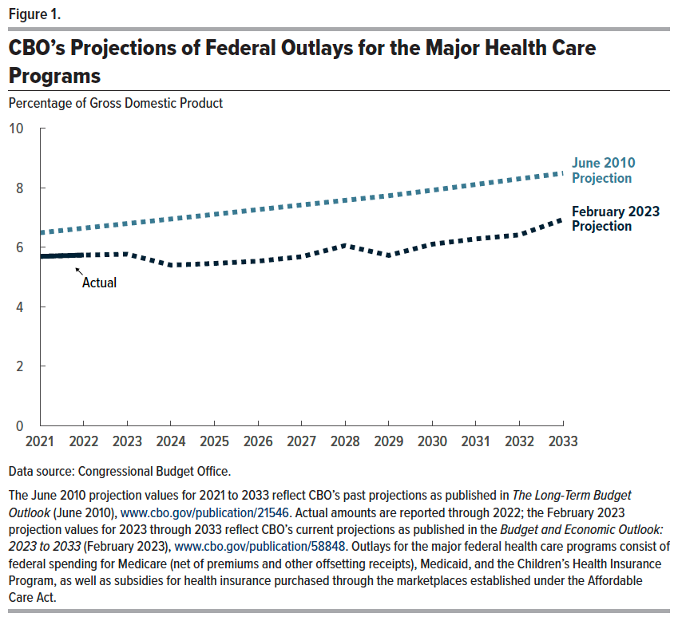
Figure 1. CBO’s Projections of Federal Outlays for the Major Health Care Programs
Percentage of Gross Domestic Product

 | 2021 | 2022 | 2023 | 2024 | 2025 | 2026 | 2027 | 2028 | 2029 | 2030 | 2031 | 2032 | 2033
February 2023 Projection | 5.7 | 5.7 | 5.8 | 5.4 | 5.5 | 5.5 | 5.7 | 6.1 | 5.7 | 6.1 | 6.3 | 6.4 | 6.9
June 2010 Projection | 6.5 | 6.6 | 6.8 | 7.0 | 7.1 | 7.3 | 7.4 | 7.6 | 7.7 | 7.9 | 8.1 | 8.3 | 8.5

Memorandum:
Gross Domestic Product (Billions of dollars by fiscal year)
February 2023 Projection | 22,654.0 | 25,009.3 | 26,237.9 | 27,266.2 | 28,610.1 | 29,932.3 | 31,251.3 | 32,525.4 | 33,810.8 | 35,132.7 | 36,487.8 | 37,874.2 | 39,288.1
June 2010 Projection | 23,473.0 | 24,371.9 | 25,310.1 | 26,289.4 | 27,324.5 | 28,411.9 | 29,551.2 | 30,789.1 | 32,086.1 | 33,462.5 | 34,909.3 | 36,427.6 | 38,017.1

Back to Table of Contents

