Table 1
This file presents the data from the table and figure in CBO's April 2023 report Budgetary Effects of Policies to Modify or Eliminate Medicaid's Instititutions for Mental Diseases Exclusion.
www.cbo.gov/publication/58962

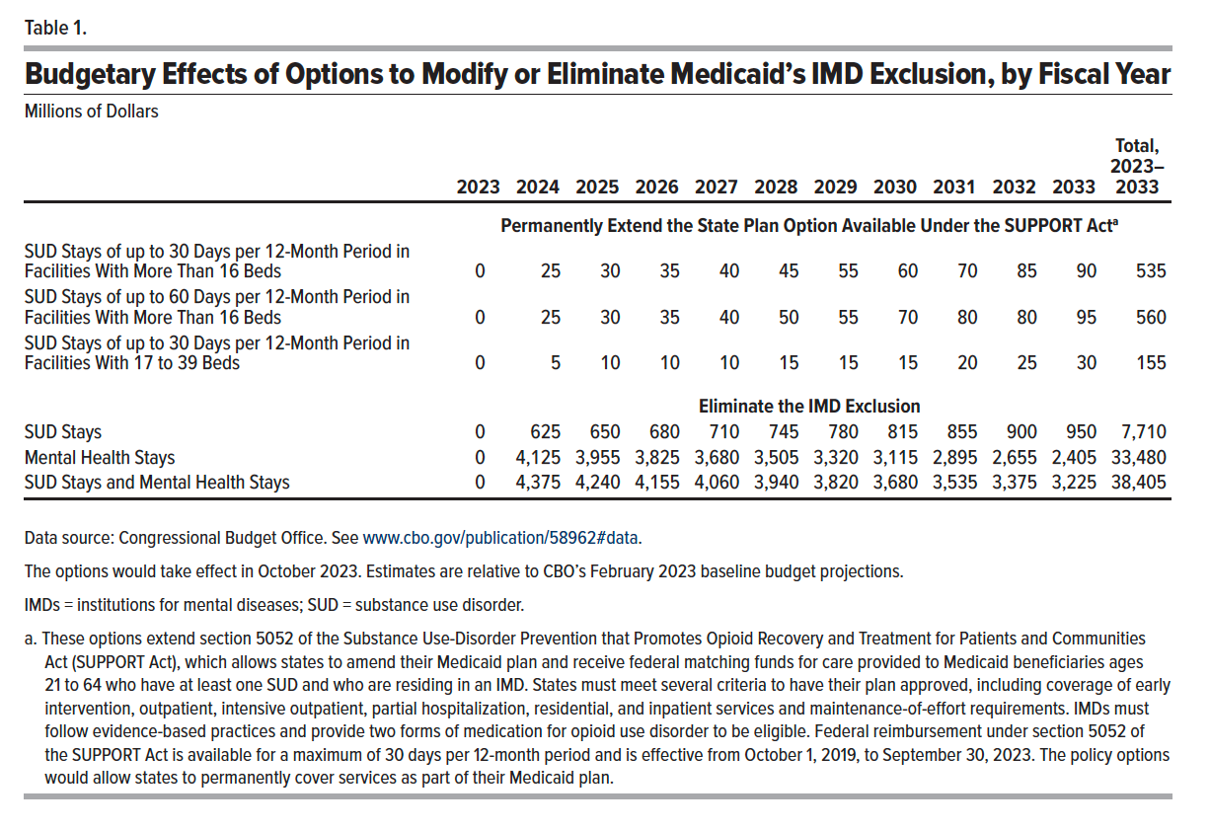
Table 1. Budgetary Effects of Options to Modify or Eliminate Medicaid’s IMD Exclusion, by Fiscal Year
Millions of Dollars

 | 2023 | 2024 | 2025 | 2026 | 2027 | 2028 | 2029 | 2030 | 2031 | 2032 | 2033 | Total 2023-2033
 | Permanently Extend the State Plan Option Available Under the SUPPORT Act
SUD Stays of up to 30 Days per 12-Month Period in Facilities With More Than 16 Beds | 0 | 25 | 30 | 35 | 40 | 45 | 55 | 60 | 70 | 85 | 90 | 535
SUD Stays of up to 60 Days per 12-Month Period in Facilities With More Than 16 Beds | 0 | 25 | 30 | 35 | 40 | 50 | 55 | 70 | 80 | 80 | 95 | 560
SUD Stays of up to 30 Days per 12-Month Period in Facilities With 17 to 39 Beds | 0 | 5 | 10 | 10 | 10 | 15 | 15 | 15 | 20 | 25 | 30 | 155
 | Eliminate the IMD Exclusion
SUD Stays | 0 | 625 | 650 | 680 | 710 | 745 | 780 | 815 | 855 | 900 | 950 | 7,710
Mental Health Stays | 0 | 4,125 | 3,955 | 3,825 | 3,680 | 3,505 | 3,320 | 3,115 | 2,895 | 2,655 | 2,405 | 33,480
SUD Stays and Mental Health Stays | 0 | 4,375 | 4,240 | 4,155 | 4,060 | 3,940 | 3,820 | 3,680 | 3,535 | 3,375 | 3,225 | 38,405

Back to Table of Contents

Figure 1
This file presents the data from the table and figure in CBO's April 2023 report Budgetary Effects of Policies to Modify or Eliminate Medicaid's Instititutions for Mental Diseases Exclusion.
www.cbo.gov/publication/58962

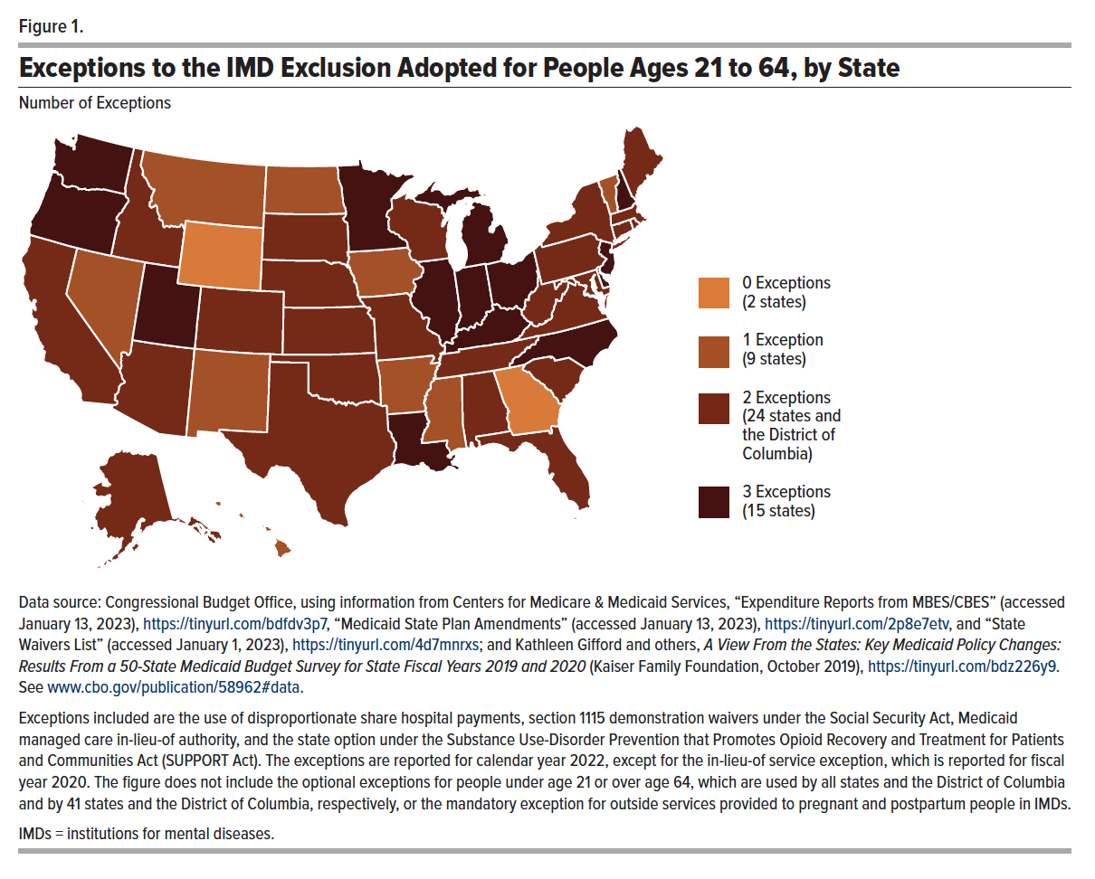
Figure 1. Exceptions to the IMD Exclusion Adopted for People Ages 21 to 64, by State
Number of Exceptions

State | Exceptions
AK | 2
AL | 2
AR | 1
AZ | 2
CA | 2
CO | 2
CT | 2
DC | 3
DE | 3
FL | 2
GA | 0
HI | 1
IA | 1
ID | 2
IL | 3
IN | 3
KS | 2
KY | 3
LA | 3
MA | 2
MD | 2
ME | 2
MI | 3
MN | 3
MO | 2
MS | 1
MT | 1
NC | 3
ND | 1
NE | 2
NH | 3
NJ | 3
NM | 1
NV | 1
NY | 2
OH | 3
OK | 2
OR | 3
PA | 2
RI | 2
SC | 2
SD | 2
TN | 2
TX | 2
UT | 3
VA | 2
VT | 1
WA | 3
WI | 2
WV | 2
WY | 0

Back to Table of Contents

