Table 1
This file presents the data from the tables in CBO's April 2023 report Report on the Troubled Asset Relief Program—April 2023.
www.cbo.gov/publication/59062

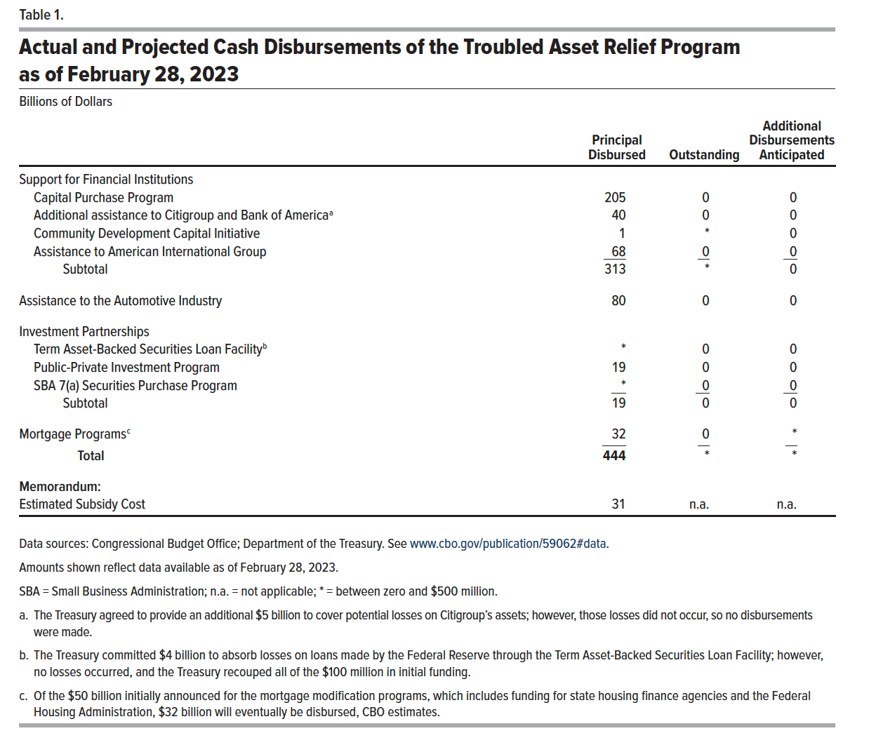
Table 1. Actual and Projected Cash Disbursements of the Troubled Asset Relief Program as of February 28, 2023
Billions of Dollars

 | Principal Disbursed | Outstanding | Additional Disbursements Anticipated
Support for Financial Institutions
Capital Purchase Program | 205 | 0 | 0
Additional assistance to Citigroup and Bank of America | 40 | 0 | 0
Community Development Capital Initiative | 1 | 0 | 0
Assistance to American International Group | 68 | 0 | 0
Subtotal | 313.3 | 0 | 0
Assistance to the Automotive Industry | 80 | 0 | 0
Investment Partnerships
Term Asset-Backed Securities Loan Facility | 0 | 0 | 0
Public-Private Investment Program | 19 | 0 | 0
SBA 7(a) Purchase Program | 0 | 0 | 0
Subtotal | 19.1 | 0 | 0
Mortgage Programs | 32 | 0 | 0.1
Total | 444 | 0 | 0
Memorandum:
Estimated Subsidy Cost | 31 | n.a. | n.a.

Back to Table of Contents

Table 2
This file presents the data from the tables in CBO's April 2023 report Report on the Troubled Asset Relief Program—April 2023.
www.cbo.gov/publication/59062

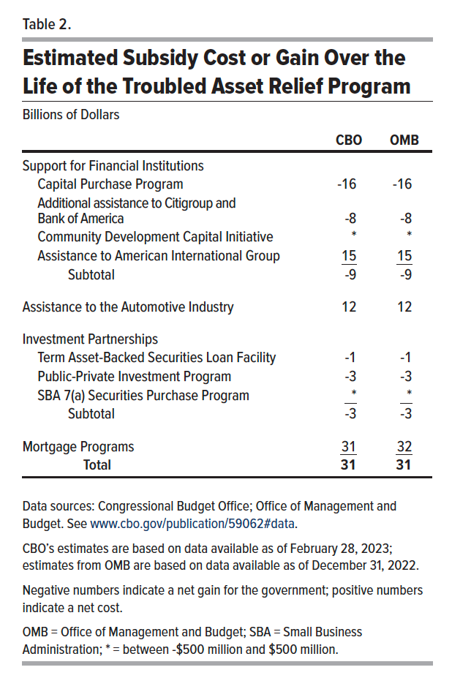
Table 2. Estimated Subsidy Cost or Gain Over the Life of the Troubled Asset Relief Program
Billions of Dollars

 | CBO | OMB
Support for Financial Institutions
Capital Purchase Program | -16 | -16
Additional assistance to Citigroup and Bank of America | -8 | -8
Community Development Capital Initiative | 0 | 0
Assistance to American International Group | 15 | 15
Subtotal | -9 | -9
Assistance to the Automotive Industry | 12 | 12
Investment Partnerships
Term Asset-Backed Securities Loan Facility | -1 | -1
Public-Private Investment Program | -3 | -3
SBA 7(a) Purchase Program | 0 | 0
Subtotal | -3 | -3
Mortgage Programs | 31 | 32
Total | 31 | 31

Back to Table of Contents

