Table 1
This file presents the data from the tables in CBO's June 2023 report How the Fiscal Responsibility Act of 2023 Affects CBO’s Projections of Federal Debt.
www.cbo.gov/publication/59235

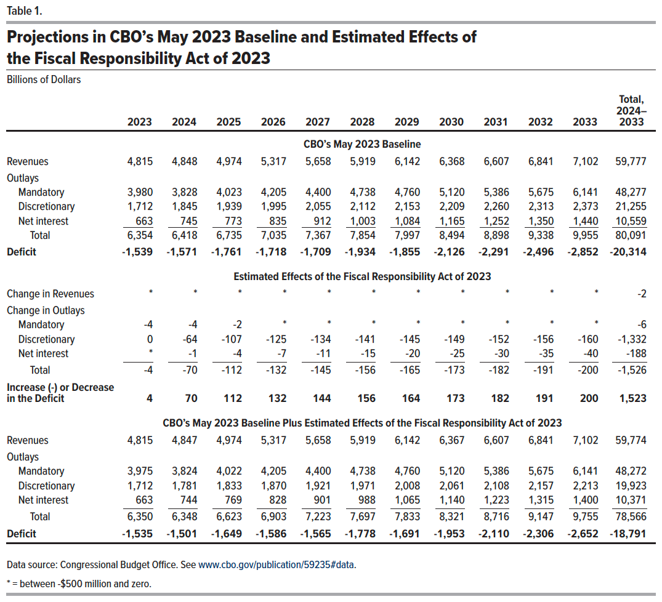
Table 1. Projections in CBO’s May 2023 Baseline and Estimated Effects of the Fiscal Responsibility Act of 2023
Billions of Dollars

 | 2023 | 2024 | 2025 | 2026 | 2027 | 2028 | 2029 | 2030 | 2031 | 2032 | 2033 | Total, 2024–2033
 | CBO’s May 2023 Baseline
Revenues | 4,815 | 4,848 | 4,974 | 5,317 | 5,658 | 5,919 | 6,142 | 6,368 | 6,607 | 6,841 | 7,102 | 59,777
Outlays
Mandatory | 3,980 | 3,828 | 4,023 | 4,205 | 4,400 | 4,738 | 4,760 | 5,120 | 5,386 | 5,675 | 6,141 | 48,277
Discretionary | 1,712 | 1,845 | 1,939 | 1,995 | 2,055 | 2,112 | 2,153 | 2,209 | 2,260 | 2,313 | 2,373 | 21,255
Net interest | 663 | 745 | 773 | 835 | 912 | 1,003 | 1,084 | 1,165 | 1,252 | 1,350 | 1,440 | 10,559
Total | 6,354 | 6,418 | 6,735 | 7,035 | 7,367 | 7,854 | 7,997 | 8,494 | 8,898 | 9,338 | 9,955 | 80,091
Deficit | -1,539 | -1,571 | -1,761 | -1,718 | -1,709 | -1,934 | -1,855 | -2,126 | -2,291 | -2,496 | -2,852 | -20,314
 | Estimated Effects of the Fiscal Responsibility Act of 2023
Change in Revenues | * | * | * | * | * | * | * | * | * | * | * | -2
Change in Outlays
Mandatory | -4 | -4 | -2 | * | * | * | * | * | * | * | * | -6
Discretionary | 0 | -64 | -107 | -125 | -134 | -141 | -145 | -149 | -152 | -156 | -160 | -1,332
Net interest | * | -1 | -4 | -7 | -11 | -15 | -20 | -25 | -30 | -35 | -40 | -188
Total | -4 | -70 | -112 | -132 | -145 | -156 | -165 | -173 | -182 | -191 | -200 | -1,526
Increase (-) or Decrease in the Deficit | 4 | 70 | 112 | 132 | 144 | 156 | 164 | 173 | 182 | 191 | 200 | 1,523
 | CBO’s May 2023 Baseline Plus Estimated Effects of the Fiscal Responsibility Act of 2023
Revenues | 4,815 | 4,847 | 4,974 | 5,317 | 5,658 | 5,919 | 6,142 | 6,367 | 6,607 | 6,841 | 7,102 | 59,774
Outlays
Mandatory | 3,975 | 3,824 | 4,022 | 4,205 | 4,400 | 4,738 | 4,760 | 5,120 | 5,386 | 5,675 | 6,141 | 48,272
Discretionary | 1,712 | 1,781 | 1,833 | 1,870 | 1,921 | 1,971 | 2,008 | 2,061 | 2,108 | 2,157 | 2,213 | 19,923
Net interest | 663 | 744 | 769 | 828 | 901 | 988 | 1,065 | 1,140 | 1,223 | 1,315 | 1,400 | 10,371
Total | 6,350 | 6,348 | 6,623 | 6,903 | 7,223 | 7,697 | 7,833 | 8,321 | 8,716 | 9,147 | 9,755 | 78,566
Deficit | -1,535 | -1,501 | -1,649 | -1,586 | -1,565 | -1,778 | -1,691 | -1,953 | -2,110 | -2,306 | -2,652 | -18,791

Back to Table of Contents

Table 2
This file presents the data from the tables in CBO's June 2023 report How the Fiscal Responsibility Act of 2023 Affects CBO’s Projections of Federal Debt.
www.cbo.gov/publication/59235

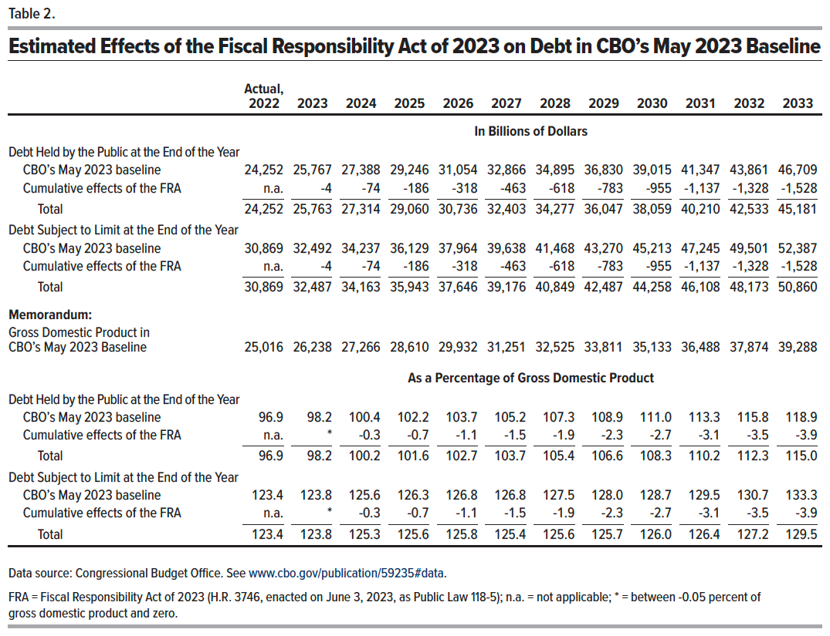
Table 2. Estimated Effects of the Fiscal Responsibility Act of 2023 on Debt in CBO’s May 2023 Baseline

 | Actual, 2022 | 2023 | 2024 | 2025 | 2026 | 2027 | 2028 | 2029 | 2030 | 2031 | 2032 | 2033
 | In Billions of Dollars
Debt Held by the Public at the End of the Year
CBO’s May 2023 baseline | 24,252 | 25,767 | 27,388 | 29,246 | 31,054 | 32,866 | 34,895 | 36,830 | 39,015 | 41,347 | 43,861 | 46,709
Cumulative effects of the FRA | n.a. | -4 | -74 | -186 | -318 | -463 | -618 | -783 | -955 | -1,137 | -1,328 | -1,528
Total | 24,252 | 25,763 | 27,314 | 29,060 | 30,736 | 32,403 | 34,277 | 36,047 | 38,059 | 40,210 | 42,533 | 45,181
Debt Subject to Limit at the End of the Year
CBO’s May 2023 baseline | 30,869 | 32,492 | 34,237 | 36,129 | 37,964 | 39,638 | 41,468 | 43,270 | 45,213 | 47,245 | 49,501 | 52,387
Cumulative effects of the FRA | n.a. | -4 | -74 | -186 | -318 | -463 | -618 | -783 | -955 | -1,137 | -1,328 | -1,528
Total | 30,869 | 32,487 | 34,163 | 35,943 | 37,646 | 39,176 | 40,849 | 42,487 | 44,258 | 46,108 | 48,173 | 50,860
Memorandum:
Gross Domestic Product in CBO’s May 2023 Baseline | 25,016 | 26,238 | 27,266 | 28,610 | 29,932 | 31,251 | 32,525 | 33,811 | 35,133 | 36,488 | 37,874 | 39,288
 | As a Percentage of Gross Domestic Product
Debt Held by the Public at the End of the Year
CBO’s May 2023 baseline | 96.9 | 98.2 | 100.4 | 102.2 | 103.7 | 105.2 | 107.3 | 108.9 | 111.0 | 113.3 | 115.8 | 118.9
Cumulative effects of the FRA | n.a. | * | -0.3 | -0.7 | -1.1 | -1.5 | -1.9 | -2.3 | -2.7 | -3.1 | -3.5 | -3.9
Total | 96.9 | 98.2 | 100.2 | 101.6 | 102.7 | 103.7 | 105.4 | 106.6 | 108.3 | 110.2 | 112.3 | 115.0
Debt Subject to Limit at the End of the Year
CBO’s May 2023 baseline | 123.4 | 123.8 | 125.6 | 126.3 | 126.8 | 126.8 | 127.5 | 128.0 | 128.7 | 129.5 | 130.7 | 133.3
Cumulative effects of the FRA | n.a. | * | -0.3 | -0.7 | -1.1 | -1.5 | -1.9 | -2.3 | -2.7 | -3.1 | -3.5 | -3.9
Total | 123.4 | 123.8 | 125.3 | 125.6 | 125.8 | 125.4 | 125.6 | 125.7 | 126.0 | 126.4 | 127.2 | 129.5

Back to Table of Contents

