Figure 1
This file presents the data from the figures in CBO's July 2023 report The Long-Term Budget Outlook Under Alternative Scenarios for the Economy and the Budget.
www.cbo.gov/publication/59233

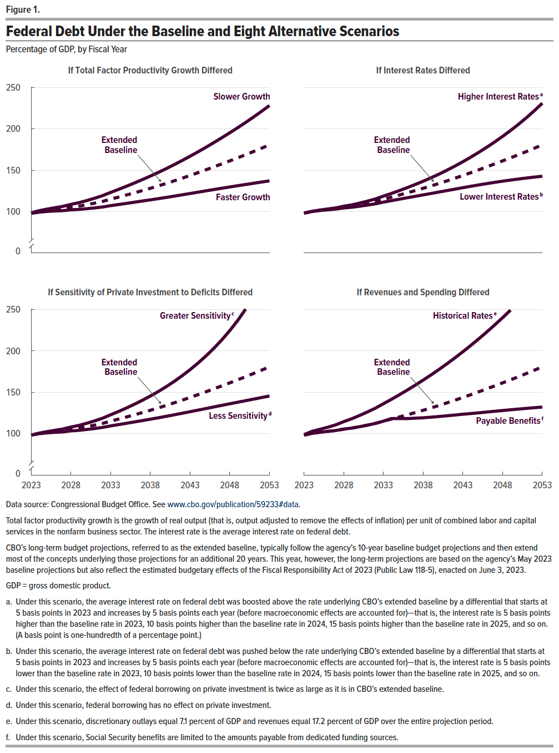
Figure 1. Federal Debt Under the Baseline and Eight Alternative Scenarios
Percentage of GDP, by Fiscal Year

 |  | If Total Factor Productivity Growth Differed |  | If Interest Rates Differed |  | If Sensitivity of Private Investment to Deficits Differed |  | If Revenues and Spending Differed
 | Extended Baseline | Faster Growth | Slower Growth | Higher Interest Rates | Lower Interest Rates | Greater Sensitivity | Less Sensitivity | Historical Rates | Payable Benefits
2023 | 98.2 | 97.8 | 98.6 | 98.2 | 98.1 | 98.2 | 98.2 | 98.7 | 98.2
2024 | 100.2 | 99.3 | 101.1 | 100.3 | 100.0 | 100.5 | 99.8 | 102.7 | 100.2
2025 | 101.6 | 100.2 | 103.0 | 101.9 | 101.3 | 102.3 | 100.8 | 105.2 | 101.6
2026 | 102.7 | 100.7 | 104.7 | 103.2 | 102.2 | 104.0 | 101.5 | 107.7 | 102.7
2027 | 103.7 | 101.1 | 106.3 | 104.5 | 103.0 | 105.5 | 102.0 | 110.6 | 103.7
2028 | 105.4 | 102.1 | 108.7 | 106.5 | 104.4 | 107.9 | 103.2 | 114.4 | 105.4
2029 | 106.6 | 102.6 | 110.7 | 108.1 | 105.2 | 109.8 | 103.9 | 117.9 | 106.6
2030 | 108.3 | 103.5 | 113.3 | 110.2 | 106.5 | 112.4 | 104.9 | 121.9 | 108.3
2031 | 110.2 | 104.5 | 116.1 | 112.6 | 107.9 | 115.3 | 106.1 | 126.2 | 110.2
2032 | 112.3 | 105.6 | 119.3 | 115.3 | 109.4 | 118.6 | 107.4 | 130.7 | 112.3
2033 | 115.0 | 107.2 | 123.1 | 118.7 | 111.5 | 122.7 | 109.3 | 136.1 | 115.0
2034 | 117.5 | 108.5 | 126.8 | 121.9 | 113.2 | 126.6 | 110.8 | 141.3 | 118.2
2035 | 120.0 | 109.9 | 130.6 | 125.3 | 115.0 | 130.9 | 112.4 | 146.8 | 118.1
2036 | 122.7 | 111.3 | 134.5 | 128.9 | 116.7 | 135.4 | 114.1 | 152.5 | 118.1
2037 | 125.4 | 112.7 | 138.6 | 132.7 | 118.4 | 140.2 | 115.7 | 158.4 | 118.6
2038 | 128.1 | 114.2 | 142.8 | 136.7 | 120.2 | 145.3 | 117.4 | 164.6 | 119.1
2039 | 131.0 | 115.6 | 147.2 | 140.8 | 121.9 | 150.7 | 119.0 | 170.9 | 119.8
2040 | 134.0 | 117.1 | 151.8 | 145.3 | 123.6 | 156.6 | 120.8 | 177.5 | 120.6
2041 | 137.1 | 118.7 | 156.6 | 150.0 | 125.4 | 162.9 | 122.6 | 184.3 | 121.5
2042 | 140.3 | 120.2 | 161.6 | 155.0 | 127.1 | 169.8 | 124.5 | 191.4 | 122.4
2043 | 143.6 | 121.8 | 166.8 | 160.2 | 128.9 | 177.1 | 126.4 | 198.8 | 123.4
2044 | 147.0 | 123.4 | 172.1 | 165.7 | 130.6 | 185.0 | 128.3 | 206.5 | 124.2
2045 | 150.4 | 125.0 | 177.6 | 171.5 | 132.2 | 193.6 | 130.2 | 214.4 | 125.1
2046 | 154.0 | 126.6 | 183.3 | 177.6 | 133.8 | 202.9 | 132.1 | 222.6 | 126.0
2047 | 157.6 | 128.2 | 189.1 | 184.1 | 135.3 | 213.1 | 134.1 | 231.1 | 126.9
2048 | 161.2 | 129.7 | 195.1 | 190.8 | 136.7 | 224.2 | 136.0 | 239.9 | 127.8
2049 | 164.9 | 131.2 | 201.3 | 197.9 | 138.1 | 236.5 | 137.8 | 249.1 | 128.7
2050 | 168.7 | 132.7 | 207.6 | 205.4 | 139.3 | 250.2 | 139.7 | N/A | 129.6
2051 | 172.5 | 134.2 | 214.2 | 213.4 | 140.5 | N/A | 141.6 | N/A | 130.4
2052 | 176.5 | 135.7 | 221.0 | 221.8 | 141.7 | N/A | 143.5 | N/A | 131.2
2053 | 180.6 | 137.1 | 228.1 | 230.8 | 142.7 | N/A | 145.4 | N/A | 132.0

Back to Table of Contents

Figure 2
This file presents the data from the figures in CBO's July 2023 report The Long-Term Budget Outlook Under Alternative Scenarios for the Economy and the Budget.
www.cbo.gov/publication/59233

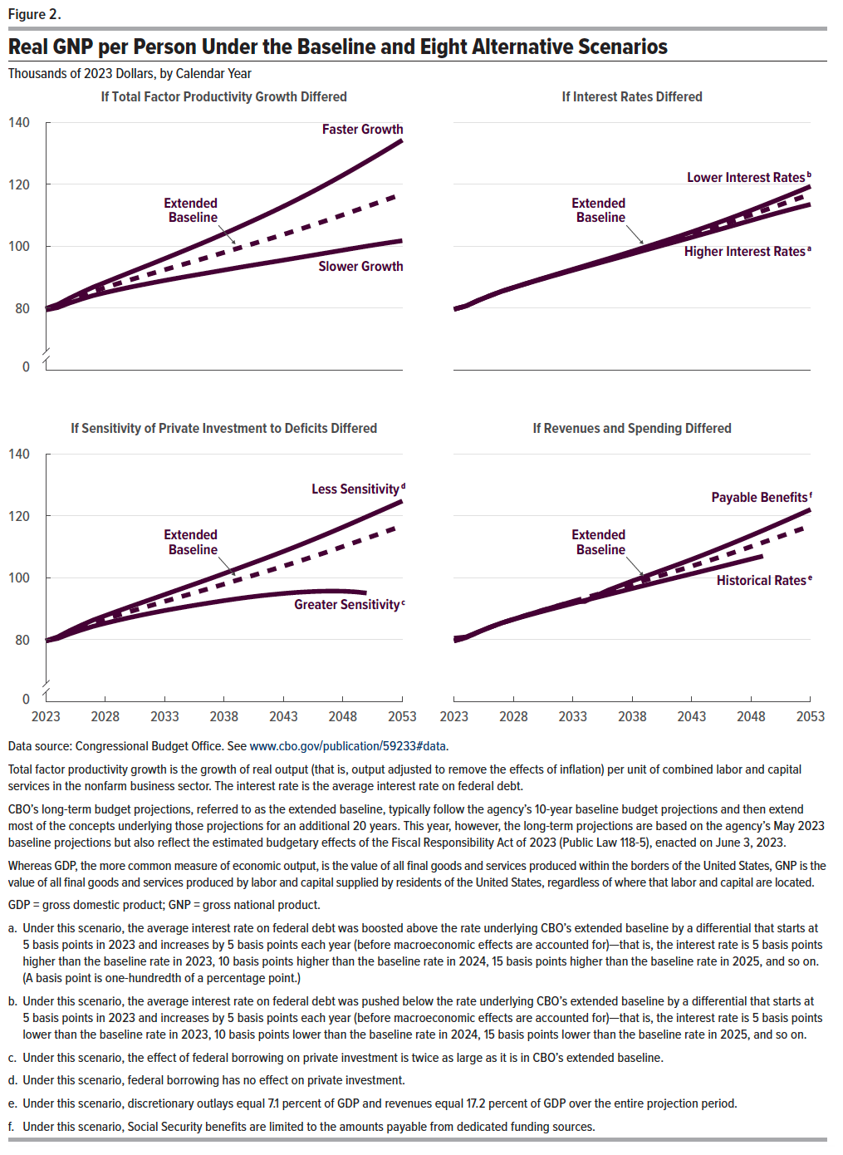
Figure 2. Real GNP per Person Under the Baseline and Eight Alternative Scenarios
Thousands of 2023 Dollars, by Calendar Year

 |  | If Total Factor Productivity Growth Differed |  | If Interest Rates Differed |  | If Sensitivity of Private Investment to Deficits Differed |  | If Revenues and Spending Differed
 | Extended Baseline | Faster Growth | Slower Growth | Higher Interest Rates | Lower Interest Rates | Greater Sensitivity | Less Sensitivity | Historical Rates | Payable Benefits
2023 | 79.6 | 79.9 | 79.4 | 79.6 | 79.6 | 79.6 | 79.6 | 80.5 | 79.6
2024 | 80.7 | 81.2 | 80.2 | 80.7 | 80.7 | 80.4 | 80.9 | 80.9 | 80.7
2025 | 82.4 | 83.2 | 81.6 | 82.4 | 82.4 | 81.9 | 82.9 | 82.5 | 82.4
2026 | 84.0 | 85.0 | 82.9 | 84.0 | 84.0 | 83.2 | 84.7 | 84.0 | 84.0
2027 | 85.4 | 86.8 | 84.1 | 85.4 | 85.4 | 84.4 | 86.4 | 85.4 | 85.4
2028 | 86.6 | 88.3 | 85.0 | 86.6 | 86.7 | 85.3 | 87.8 | 86.6 | 86.6
2029 | 87.8 | 89.9 | 85.9 | 87.8 | 87.9 | 86.3 | 89.2 | 87.7 | 87.8
2030 | 89.0 | 91.4 | 86.7 | 88.9 | 89.1 | 87.1 | 90.6 | 88.7 | 89.0
2031 | 90.1 | 92.9 | 87.4 | 90.0 | 90.2 | 87.9 | 91.9 | 89.7 | 90.1
2032 | 91.3 | 94.4 | 88.2 | 91.1 | 91.4 | 88.7 | 93.2 | 90.7 | 91.3
2033 | 92.4 | 96.0 | 88.9 | 92.2 | 92.5 | 89.4 | 94.6 | 91.7 | 92.4
2034 | 93.5 | 97.5 | 89.6 | 93.3 | 93.7 | 90.1 | 95.9 | 92.7 | 92.3
2035 | 94.6 | 99.1 | 90.3 | 94.3 | 94.8 | 90.8 | 97.3 | 93.7 | 94.3
2036 | 95.7 | 100.7 | 91.0 | 95.4 | 96.0 | 91.4 | 98.6 | 94.6 | 96.1
2037 | 96.8 | 102.3 | 91.6 | 96.5 | 97.2 | 92.0 | 100.0 | 95.6 | 97.5
2038 | 98.0 | 104.0 | 92.3 | 97.5 | 98.4 | 92.6 | 101.4 | 96.5 | 99.0
2039 | 99.1 | 105.7 | 92.9 | 98.6 | 99.6 | 93.2 | 102.8 | 97.5 | 100.3
2040 | 100.3 | 107.4 | 93.6 | 99.7 | 100.8 | 93.7 | 104.2 | 98.5 | 101.7
2041 | 101.4 | 109.2 | 94.2 | 100.7 | 102.0 | 94.2 | 105.6 | 99.4 | 103.1
2042 | 102.6 | 111.0 | 94.8 | 101.8 | 103.3 | 94.6 | 107.0 | 100.3 | 104.5
2043 | 103.8 | 112.8 | 95.5 | 102.9 | 104.6 | 94.9 | 108.5 | 101.3 | 106.0
2044 | 105.0 | 114.7 | 96.1 | 103.9 | 105.9 | 95.3 | 110.0 | 102.2 | 107.4
2045 | 106.2 | 116.7 | 96.8 | 105.0 | 107.3 | 95.5 | 111.6 | 103.2 | 108.9
2046 | 107.5 | 118.7 | 97.4 | 106.1 | 108.7 | 95.7 | 113.1 | 104.1 | 110.5
2047 | 108.8 | 120.8 | 98.1 | 107.2 | 110.1 | 95.7 | 114.7 | 105.1 | 112.1
2048 | 110.1 | 122.9 | 98.7 | 108.3 | 111.6 | 95.7 | 116.4 | 106.1 | 113.7
2049 | 111.4 | 125.1 | 99.4 | 109.4 | 113.1 | 95.5 | 118.0 | 107.0 | 115.3
2050 | 112.8 | 127.3 | 100.0 | 110.5 | 114.6 | 95.1 | 119.7 | n.a. | 117.0
2051 | 114.1 | 129.6 | 100.6 | 111.5 | 116.2 | n.a. | 121.4 | n.a. | 118.6
2052 | 115.4 | 131.9 | 101.2 | 112.5 | 117.7 | n.a. | 123.1 | n.a. | 120.3
2053 | 116.8 | 134.2 | 101.8 | 113.5 | 119.3 | n.a. | 124.8 | n.a. | 122.0

Back to Table of Contents

