Table 1
This file presents the data from the tables in CBO's July 2023 report The Economic and Budgetary Effects of Discretionary Funding Caps as Specified in the Limit, Save, Grow Act of 2023.
www.cbo.gov/publication/59173

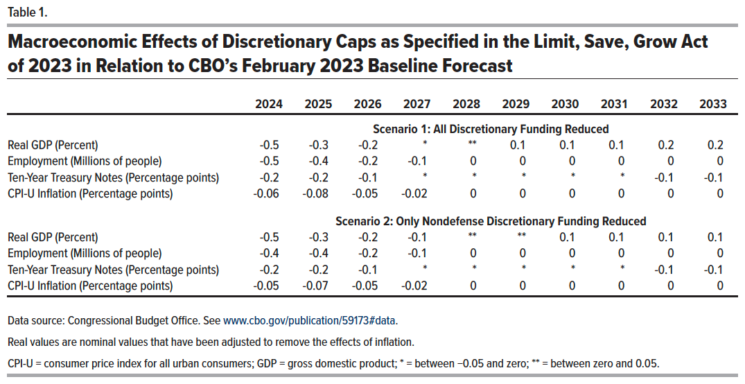
Table 1. Macroeconomic Effects of Discretionary Caps as Specified in the Limit, Save, Grow Act of 2023 in Relation to CBO’s February 2023 Baseline Forecast

 | 2024 | 2025 | 2026 | 2027 | 2028 | 2029 | 2030 | 2031 | 2032 | 2033
 | Scenario 1: All Discretionary Funding Reduced
Real GDP (Percent) | -0.5 | -0.3 | -0.2 | * | ** | 0 | 0 | 0 | 0 | 0.2
Employment (Millions of people) | -0.5 | -0.4 | -0.2 | 0 | 0 | 0 | 0 | 0 | 0 | 0.0
Ten-Year Treasury Notes (Percentage points) | -0.2 | -0.2 | -0.1 | * | * | * | * | * | 0 | -0.1
CPI-U Inflation (Percentage points) | -0.06 | -0.08 | -0.05 | 0 | 0 | 0 | 0 | 0 | 0 | 0.0
 | Scenario 2: Only Nondefense Discretionary Funding Reduced
Real GDP (Percent) | -0.5 | -0.3 | -0.2 | 0 | ** | ** | 0 | 0 | 0 | 0.1
Employment (Millions of people) | -0.4 | -0.4 | -0.2 | 0 | 0 | 0 | 0 | 0 | 0 | 0.0
Ten-Year Treasury Notes (Percentage points) | -0.2 | -0.2 | -0.1 | * | * | * | * | * | 0 | -0.1
CPI-U Inflation (Percentage points) | -0.05 | -0.07 | -0.05 | 0 | 0 | 0 | 0 | 0 | 0 | 0.0

Back to Table of Contents

Table 2
This file presents the data from the tables in CBO's July 2023 report The Economic and Budgetary Effects of Discretionary Funding Caps as Specified in the Limit, Save, Grow Act of 2023.
www.cbo.gov/publication/59173

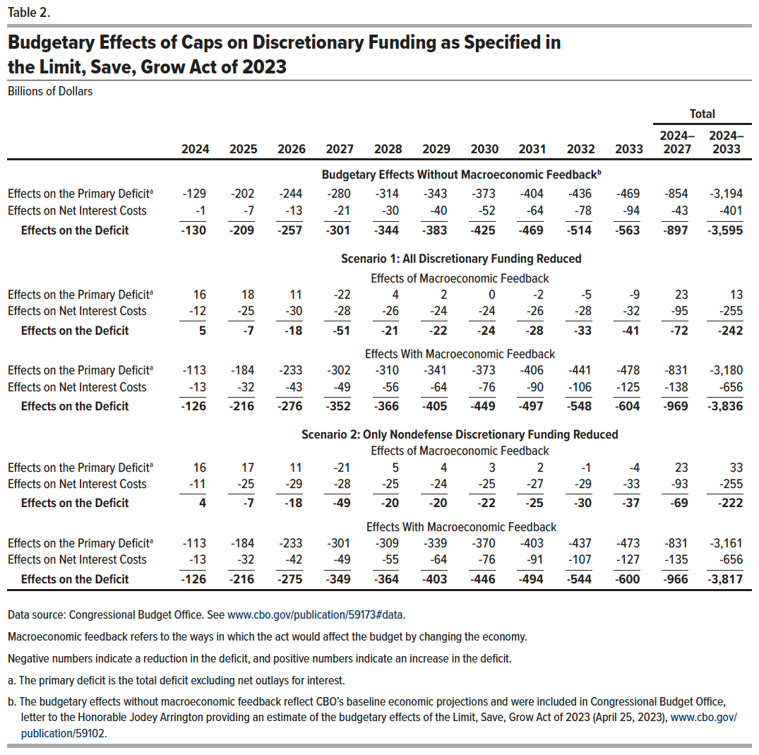
Table 2. Budgetary Effects of Caps on Discretionary Funding as Specified in the Limit, Save, Grow Act of 2023
Billions of Dollars

 |  |  |  |  |  |  |  |  |  |  | Total
 | 2024 | 2025 | 2026 | 2027 | 2028 | 2029 | 2030 | 2031 | 2032 | 2033 | 2024–2027 | 2024–2033
 | Budgetary Effects Without Macroeconomic Feedback
Effects on the Primary Deficit | -129 | -202 | -244 | -280 | -314 | -343 | -373 | -404 | -436 | -469 | -854 | -3,194
Effects on Net Interest Costs | -1 | -7 | -13 | -21 | -30 | -40 | -52 | -64 | -78 | -94 | -43 | -401
Effects on the Deficit | -130 | -209 | -257 | -301 | -344 | -383 | -425 | -469 | -514 | -563 | -897 | -3,595
 | Scenario 1: All Discretionary Funding Reduced
 | Effects of Macroeconomic Feedback
Effects on the Primary Deficit | 16 | 18 | 11 | -22 | 4 | 2 | 0 | -2 | -5 | -9 | 23 | 13
Effects on Net Interest Costs | -12 | -25 | -30 | -28 | -26 | -24 | -24 | -26 | -28 | -32 | -95 | -255
Effects on the Deficit | 5 | -7 | -18 | -51 | -21 | -22 | -24 | -28 | -33 | -41 | -72 | -242
 | Effects With Macroeconomic Feedback
Effects on the Primary Deficit | -113 | -184 | -233 | -302 | -310 | -341 | -373 | -406 | -441 | -478 | -831 | -3,180
Effects on Net Interest Costs | -13 | -32 | -43 | -49 | -56 | -64 | -76 | -90 | -106 | -125 | -138 | -656
Effects on the Deficit | -126 | -216 | -276 | -352 | -366 | -405 | -449 | -497 | -548 | -604 | -969 | -3,836
 | Scenario 2: Only Nondefense Discretionary Funding Reduced
 | Effects of Macroeconomic Feedback
Effects on the Primary Deficit | 16 | 17 | 11 | -21 | 5 | 4 | 3 | 2 | -1 | -4 | 23 | 33
Effects on Net Interest Costs | -11 | -25 | -29 | -28 | -25 | -24 | -25 | -27 | -29 | -33 | -93 | -255
Effects on the Deficit | 4 | -7 | -18 | -49 | -20 | -20 | -22 | -25 | -30 | -37 | -69 | -222
 | Effects With Macroeconomic Feedback
Effects on the Primary Deficit | -113 | -184 | -233 | -301 | -309 | -339 | -370 | -403 | -437 | -473 | -831 | -3,161
Effects on Net Interest Costs | -13 | -32 | -42 | -49 | -55 | -64 | -76 | -91 | -107 | -127 | -135 | -656
Effects on the Deficit | -126 | -216 | -275 | -349 | -364 | -403 | -446 | -494 | -544 | -600 | -966 | -3,817

Back to Table of Contents

Table 3
This file presents the data from the tables in CBO's July 2023 report The Economic and Budgetary Effects of Discretionary Funding Caps as Specified in the Limit, Save, Grow Act of 2023.
www.cbo.gov/publication/59173

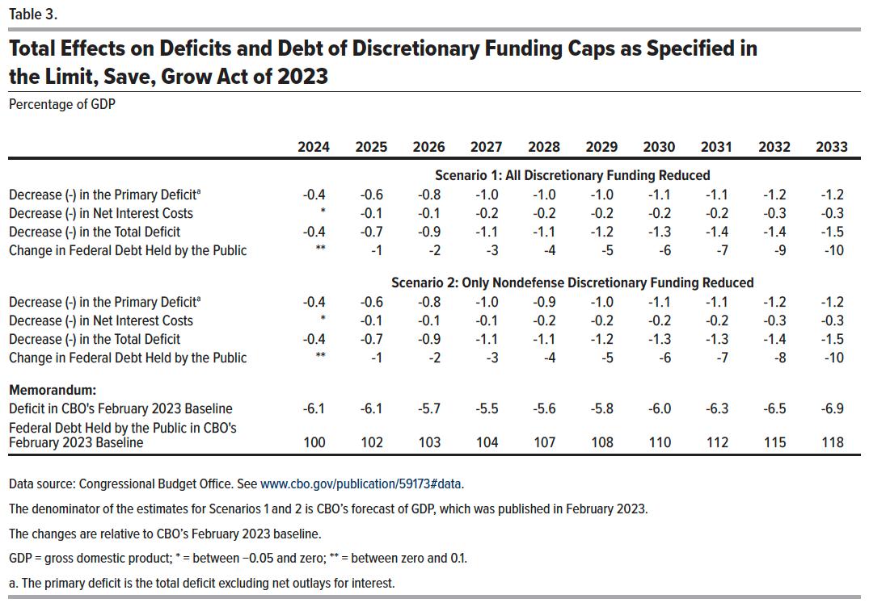
Table 3. Total Effects on Deficits and Debt of Discretionary Funding Caps as Specified in the Limit, Save, Grow Act of 2023
Percentage of GDP

 | 2024 | 2025 | 2026 | 2027 | 2028 | 2029 | 2030 | 2031 | 2032 | 2033
 | Scenario 1: All Discretionary Funding Reduced
Decrease (-) in the Primary Deficit | -0.4 | -0.6 | -0.8 | -1.0 | -1.0 | -1.0 | -1.1 | -1.1 | -1.2 | -1.2
Decrease (-) in Net Interest Costs | * | -0.1 | -0.1 | -0.2 | -0.2 | -0.2 | -0.2 | -0.2 | -0.3 | -0.3
Decrease (-) in the Total Deficit | -0.4 | -0.7 | -0.9 | -1.1 | -1.1 | -1.2 | -1.3 | -1.4 | -1.4 | -1.5
Change in Federal Debt Held by the Public | ** | -1 | -2 | -3 | -4 | -5 | -6 | -7 | -9 | -10
 | Scenario 2: Only Nondefense Discretionary Funding Reduced
Decrease (-) in the Primary Deficit | -0.4 | -0.6 | -0.8 | -1.0 | -0.9 | -1.0 | -1.1 | -1.1 | -1.2 | -1.2
Decrease (-) in Net Interest Costs | * | -0.1 | -0.1 | -0.1 | -0.2 | -0.2 | -0.2 | -0.2 | -0.3 | -0.3
Decrease (-) in the Total Deficit | -0.4 | -0.7 | -0.9 | -1.1 | -1.1 | -1.2 | -1.3 | -1.3 | -1.4 | -1.5
Change in Federal Debt Held by the Public | ** | -1 | -2 | -3 | -4 | -5 | -6 | -7 | -8 | -10
Memorandum:
Deficit in CBO's February 2023 Baseline | -6.1 | -6.1 | -5.7 | -5.5 | -5.6 | -5.8 | -6.0 | -6.3 | -6.5 | -6.9
Federal Debt Held by the Public in CBO's February 2023 Baseline | 100 | 102 | 103 | 104 | 107 | 108 | 110 | 112 | 115 | 118

Back to Table of Contents

