Figure 2
This file presents the data underlying the figures in CBO's August 2018 report Transitioning to Alternative Structures for Housing Finance: An Update.
www.cbo.gov/publication/54218

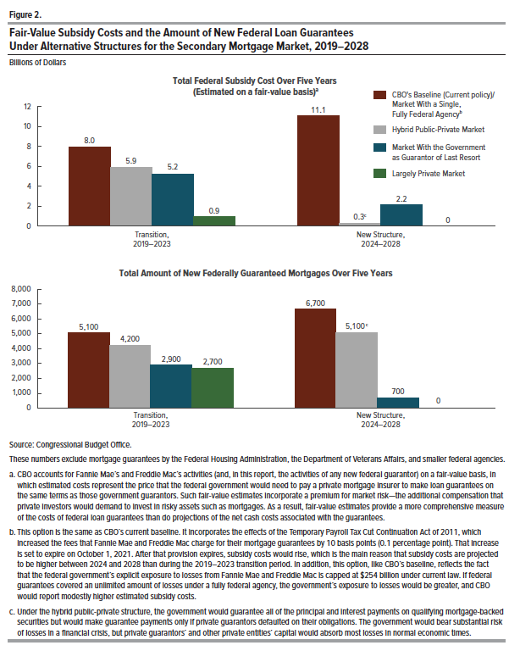
Figure 2.
Fair-Value Subsidy Costs and the Amount of New Federal Loan Guarantees Under Alternative Structures for the Secondary Mortgage Market, 2019–2028
Billions of Dollars

Transition 2019-2023 | New Structure 2024-2028

8.0 | 11.1
5.9 | 0.3
5.2 | 2.2
0.9 | 0

5,100 | 6,700
4,200 | 5,100
2,900 | 700
2,700 | 0

Figure 4
This file presents the data underlying the figures in CBO's August 2018 report Transitioning to Alternative Structures for Housing Finance: An Update.
www.cbo.gov/publication/54218

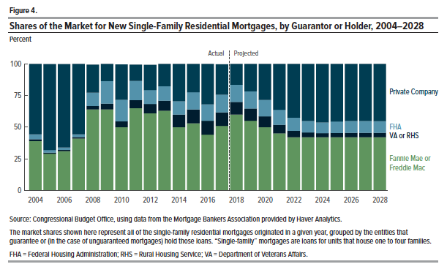
Figure 4.
Shares of the Market for New Single-Family Residential Mortgages, by Guarantor or Holder, 2004–2028
Percent

Mortgage Type | 2004 | 2005 | 2006 | 2007 | 2008 | 2009 | 2010 | 2011 | 2012 | 2013 | 2014 | 2015 | 2016 | 2017 | 2018 | 2019 | 2020 | 2021 | 2022 | 2023 | 2024 | 2025 | 2026 | 2027 | 2028
Fannie Mae or Freddie Mac | 39 | 29 | 31 | 41 | 64 | 64 | 50 | 65 | 61 | 63 | 50 | 53 | 44 | 51 | 60 | 55 | 50 | 45 | 42 | 42 | 42 | 42 | 42 | 42 | 42
FHA | 4 | 2 | 2 | 2 | 11 | 18 | 17 | 15 | 11 | 11 | 11 | 14 | 13 | 14 | 13 | 14 | 13 | 12 | 10 | 9 | 9 | 9 | 9 | 9 | 9
VA or RHS | 1 | 1 | 1 | 1 | 3 | 5 | 5 | 6 | 7 | 8 | 10 | 11 | 11 | 11 | 10 | 10 | 8 | 7 | 5 | 4 | 3 | 3 | 4 | 4 | 4
Private Company | 56 | 68 | 66 | 56 | 22 | 14 | 28 | 13 | 20 | 18 | 30 | 23 | 33 | 24 | 17 | 22 | 28 | 36 | 43 | 45 | 46 | 46 | 45 | 45 | 45
Total | 100 | 100 | 100 | 100 | 100 | 100 | 100 | 100 | 100 | 100 | 100 | 100 | 100 | 100 | 100 | 100 | 100 | 100 | 100 | 100 | 100 | 100 | 100 | 100 | 100

Figure 6
This file presents the data underlying the figures in CBO's August 2018 report Transitioning to Alternative Structures for Housing Finance: An Update.
www.cbo.gov/publication/54218

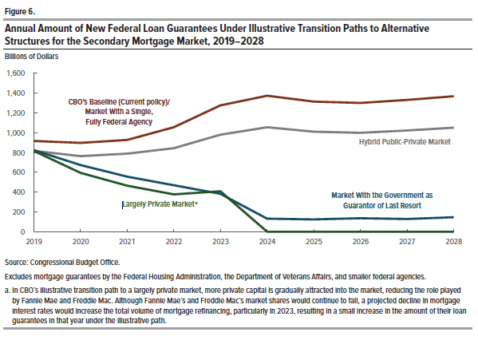
Figure 6.
Annual Amount of New Federal Loan Guarantees Under Illustrative Transition Paths to Alternative Structures for the Secondary Mortgage Market, 2019–2028
Billions of Dollars

Volume (in billions) | 2019 | 2020 | 2021 | 2022 | 2023 | 2024 | 2025 | 2026 | 2027 | 2028
CBO’s Baseline (Current policy)/ Market With a Single, Fully Federal Agency | 917 | 898 | 928 | 1,055 | 1,276 | 1,374 | 1,315 | 1,301 | 1,331 | 1,368

Hybrid Public-Private Market | 817 | 764 | 789 | 844 | 980 | 1,056 | 1,010 | 1,000 | 1,023 | 1,051
Market With the Government as Guarantor of Last Resort | 825 | 673 | 557 | 470 | 384 | 131 | 125 | 136 | 129 | 147
Largely Private Market | 817 | 594 | 465 | 377 | 409 | 0 | 0 | 0 | 0 | 0

