Figure 2
This file presents data that supplement CBO's November 2017 report An Evaluation of CBO’s Past Outlay Projections.
www.cbo.gov/publication/53328

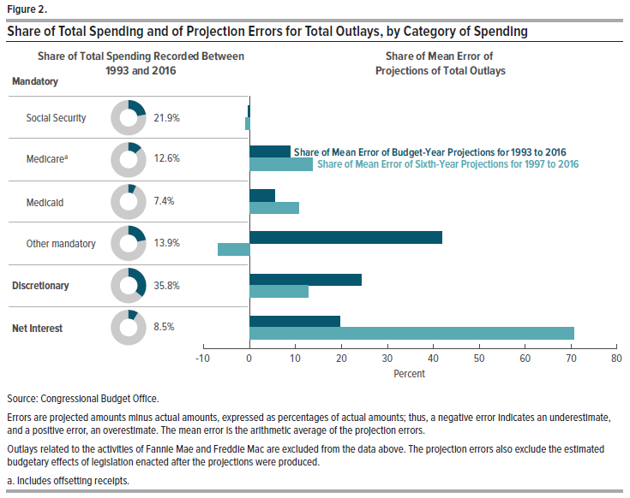
Figure 2.
Share of Total Spending and of Projection Errors for Total Outlays, by Category of Spending
Percent

Category of Spending | Share of Total Spending Recorded Between 1993 and 2016 | Share of Mean Error of Projections of Total Outlays
 |  | Budget-Year Projections for 1993 to 2016 | Sixth-Year Projections for 1997 to 2016

Mandatory
Social Security | 21.879 | -0.285 | -0.985
Medicarea | 12.600 | 8.860 | 13.701
Medicaid | 7.373 | 5.459 | 10.704
Other mandatory | 13.865 | 41.917 | -6.843
Discretionary | 35.777 | 24.377 | 12.764
Net Interest | 8.506 | 19.671 | 70.659

Source: Congressional Budget Office.

Errors are projected amounts minus actual amounts, expressed as percentages of actual amounts; thus, a negative error indicates an underestimate, and a positive error, an overestimate. The mean error is the arithmetic average of the projection errors.

Outlays related to the activities of Fannie Mae and Freddie Mac are excluded from the data above. The projection errors also exclude the estimated budgetary effects of legislation enacted after the projections were produced.

a. Includes offsetting receipts.

Figure 3
This file presents data that supplement CBO's November 2017 report An Evaluation of CBO’s Past Outlay Projections.
www.cbo.gov/publication/53328

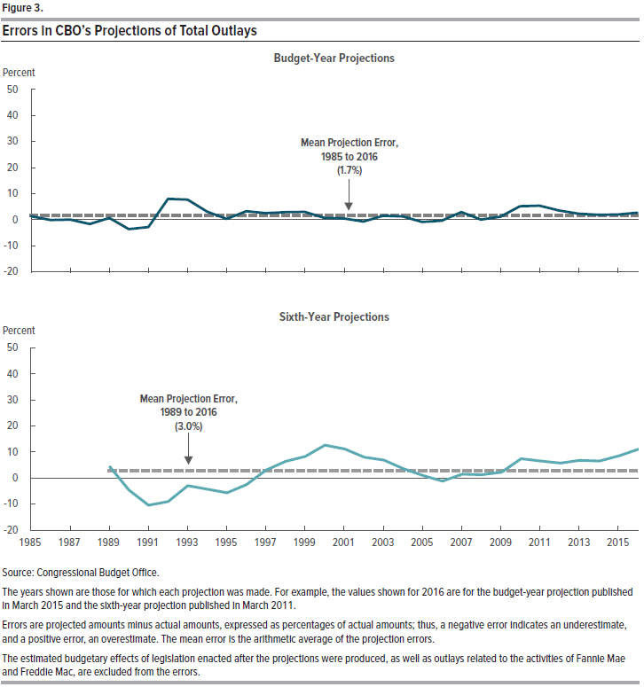
Figure 3.
Errors in CBO’s Projections of Total Outlays
Percent

 | Budget-Year Projections |  | Sixth-Year Projections
 | Projection Error | Mean Projection Error, 1985 to 2016 | Projection Error | Mean Projection Error, 1989 to 2016
1985 | 1.338 | 1.686
1986 | -0.105 | 1.686
1987 | 0.065 | 1.686
1988 | -1.645 | 1.686
1989 | 0.697 | 1.686 | 4.573 | 2.962
1990 | -3.606 | 1.686 | -4.612 | 2.962
1991 | -2.795 | 1.686 | -10.430 | 2.962
1992 | 8.010 | 1.686 | -9.003 | 2.962
1993 | 7.711 | 1.686 | -2.906 | 2.962
1994 | 3.098 | 1.686 | -4.267 | 2.962
1995 | 0.314 | 1.686 | -5.663 | 2.962
1996 | 3.279 | 1.686 | -2.498 | 2.962
1997 | 2.519 | 1.686 | 3.094 | 2.962
1998 | 2.916 | 1.686 | 6.422 | 2.962
1999 | 3.029 | 1.686 | 8.323 | 2.962
2000 | 0.664 | 1.686 | 12.651 | 2.962
2001 | 0.462 | 1.686 | 11.166 | 2.962
2002 | -0.681 | 1.686 | 8.016 | 2.962
2003 | 1.513 | 1.686 | 6.937 | 2.962
2004 | 1.245 | 1.686 | 3.623 | 2.962
2005 | -0.865 | 1.686 | 0.978 | 2.962
2006 | -0.353 | 1.686 | -1.184 | 2.962
2007 | 2.954 | 1.686 | 1.480 | 2.962
2008 | 0.043 | 1.686 | 1.310 | 2.962
2009 | 1.132 | 1.686 | 2.211 | 2.962
2010 | 5.196 | 1.686 | 7.428 | 2.962
2011 | 5.360 | 1.686 | 6.528 | 2.962
2012 | 3.515 | 1.686 | 5.767 | 2.962
2013 | 2.342 | 1.686 | 6.830 | 2.962
2014 | 1.894 | 1.686 | 6.529 | 2.962
2015 | 2.015 | 1.686 | 8.530 | 2.962
2016 | 2.700 | 1.686 | 11.116 | 2.962

Source: Congressional Budget Office.

The years shown are those for which each projection was made. For example, the values shown for 2016 are for the budget-year projection published in March 2015 and the sixth-year projection published in March 2011.

Errors are projected amounts minus actual amounts, expressed as percentages of actual amounts; thus, a negative error indicates an underestimate, and a positive error, an overestimate. The mean error is the arithmetic average of the projection errors.

The estimated budgetary effects of legislation enacted after the projections were produced, as well as outlays related to the activities of Fannie Mae and Freddie Mac, are excluded from the errors.

Figure 4
This file presents data that supplement CBO's November 2017 report An Evaluation of CBO’s Past Outlay Projections.
www.cbo.gov/publication/53328

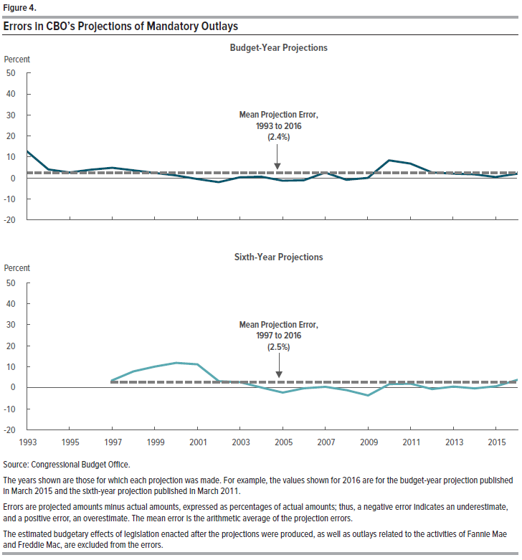
Figure 4.
Errors in CBO’s Projections of Mandatory Outlays
Percent

 | Budget-Year Projections |  | Sixth-Year Projections
 | Projection Error | Mean Projection Error, 1993 to 2016 | Projection Error | Mean Projection Error, 1997 to 2016
1993 | 12.689 | 2.423
1994 | 4.101 | 2.423
1995 | 2.658 | 2.423
1996 | 3.978 | 2.423
1997 | 4.864 | 2.423 | 3.496 | 2.545
1998 | 3.676 | 2.423 | 7.788 | 2.545
1999 | 2.444 | 2.423 | 10.041 | 2.545
2000 | 1.215 | 2.423 | 11.812 | 2.545
2001 | -0.452 | 2.423 | 11.152 | 2.545
2002 | -1.953 | 2.423 | 3.120 | 2.545
2003 | 0.407 | 2.423 | 2.672 | 2.545
2004 | 0.663 | 2.423 | 0.067 | 2.545
2005 | -1.275 | 2.423 | -2.278 | 2.545
2006 | -1.058 | 2.423 | -0.235 | 2.545
2007 | 2.619 | 2.423 | 0.429 | 2.545
2008 | -0.844 | 2.423 | -1.182 | 2.545
2009 | 0.048 | 2.423 | -3.670 | 2.545
2010 | 8.405 | 2.423 | 1.741 | 2.545
2011 | 6.896 | 2.423 | 1.888 | 2.545
2012 | 2.691 | 2.423 | -0.637 | 2.545
2013 | 2.106 | 2.423 | 0.526 | 2.545
2014 | 1.755 | 2.423 | -0.283 | 2.545
2015 | 0.503 | 2.423 | 0.745 | 2.545
2016 | 2.005 | 2.423 | 3.713 | 2.545

Source: Congressional Budget Office.

The years shown are those for which each projection was made. For example, the values shown for 2016 are for the budget-year projection published in March 2015 and the sixth-year projection published in March 2011.

Errors are projected amounts minus actual amounts, expressed as percentages of actual amounts; thus, a negative error indicates an underestimate, and a positive error, an overestimate. The mean error is the arithmetic average of the projection errors.

The estimated budgetary effects of legislation enacted after the projections were produced, as well as outlays related to the activities of Fannie Mae and Freddie Mac, are excluded from the errors.

Figure 5
This file presents data that supplement CBO's November 2017 report An Evaluation of CBO’s Past Outlay Projections.
www.cbo.gov/publication/53328

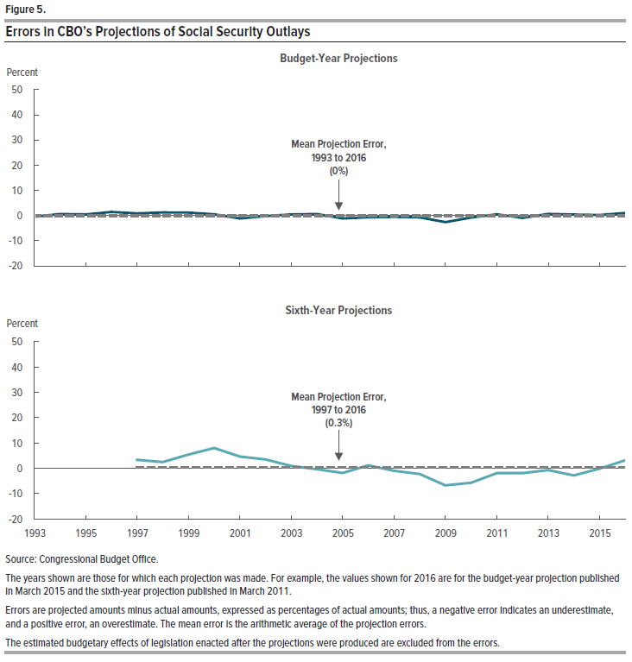
Figure 5.
Errors in CBO’s Projections of Social Security Outlays
Percent

 | Budget-Year Projections |  | Sixth-Year Projections
 | Projection Error | Mean Projection Error, 1993 to 2016 | Projection Error | Mean Projection Error, 1997 to 2016
1993 | -0.470 | 0.034
1994 | 0.606 | 0.034
1995 | 0.437 | 0.034
1996 | 1.431 | 0.034
1997 | 0.856 | 0.034 | 3.292 | 0.315
1998 | 1.230 | 0.034 | 2.405 | 0.315
1999 | 1.159 | 0.034 | 5.402 | 0.315
2000 | 0.471 | 0.034 | 7.979 | 0.315
2001 | -1.155 | 0.034 | 4.583 | 0.315
2002 | -0.173 | 0.034 | 3.441 | 0.315
2003 | 0.419 | 0.034 | 0.904 | 0.315
2004 | 0.593 | 0.034 | -0.401 | 0.315
2005 | -1.121 | 0.034 | -1.904 | 0.315
2006 | -0.678 | 0.034 | 1.090 | 0.315
2007 | -0.504 | 0.034 | -1.048 | 0.315
2008 | -0.718 | 0.034 | -2.317 | 0.315
2009 | -2.608 | 0.034 | -6.784 | 0.315
2010 | -0.775 | 0.034 | -5.736 | 0.315
2011 | 0.477 | 0.034 | -1.944 | 0.315
2012 | -0.958 | 0.034 | -1.956 | 0.315
2013 | 0.632 | 0.034 | -0.747 | 0.315
2014 | 0.398 | 0.034 | -2.845 | 0.315
2015 | 0.206 | 0.034 | -0.216 | 0.315
2016 | 1.049 | 0.034 | 3.105 | 0.315

Source: Congressional Budget Office.

The years shown are those for which each projection was made. For example, the values shown for 2016 are for the budget-year projection published in March 2015 and the sixth-year projection published in March 2011.

Errors are projected amounts minus actual amounts, expressed as percentages of actual amounts; thus, a negative error indicates an underestimate, and a positive error, an overestimate. The mean error is the arithmetic average of the projection errors.

The estimated budgetary effects of legislation enacted after the projections were produced are excluded from the errors.

Figure 6
This file presents data that supplement CBO's November 2017 report An Evaluation of CBO’s Past Outlay Projections.
www.cbo.gov/publication/53328

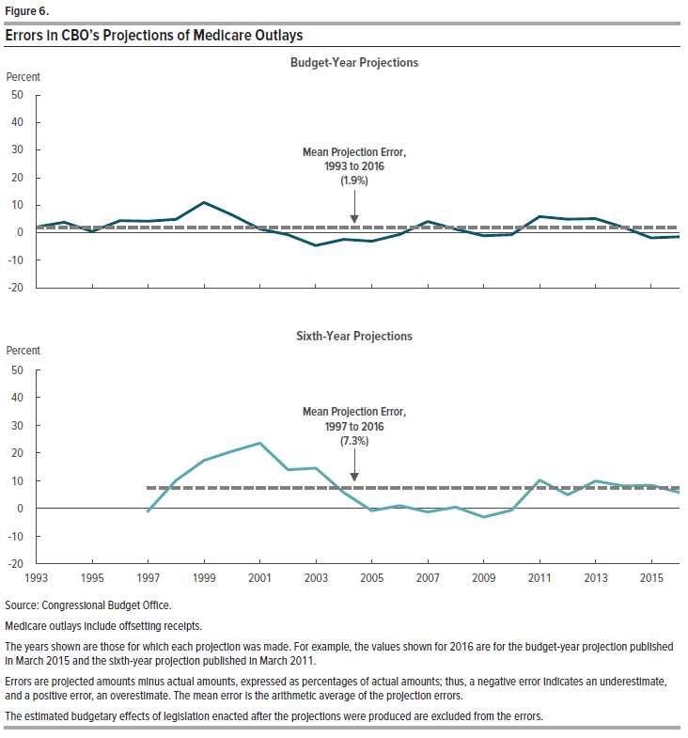
Figure 6.
Errors in CBO’s Projections of Medicare Outlays
Percent

 | Budget-Year Projections |  | Sixth-Year Projections
 | Projection Error | Mean Projection Error, 1993 to 2016 | Projection Error | Mean Projection Error, 1997 to 2016
1993 | 2.066 | 1.874
1994 | 3.806 | 1.874
1995 | 0.398 | 1.874
1996 | 4.390 | 1.874
1997 | 4.158 | 1.874 | -1.031 | 7.268
1998 | 4.857 | 1.874 | 9.999 | 7.268
1999 | 10.995 | 1.874 | 17.193 | 7.268
2000 | 6.501 | 1.874 | 20.508 | 7.268
2001 | 1.297 | 1.874 | 23.441 | 7.268
2002 | -0.731 | 1.874 | 13.833 | 7.268
2003 | -4.673 | 1.874 | 14.400 | 7.268
2004 | -2.400 | 1.874 | 5.556 | 7.268
2005 | -3.104 | 1.874 | -0.947 | 7.268
2006 | -0.625 | 1.874 | 0.909 | 7.268
2007 | 4.079 | 1.874 | -1.382 | 7.268
2008 | 1.281 | 1.874 | 0.361 | 7.268
2009 | -1.083 | 1.874 | -3.256 | 7.268
2010 | -0.715 | 1.874 | -0.707 | 7.268
2011 | 5.876 | 1.874 | 10.121 | 7.268
2012 | 4.924 | 1.874 | 4.817 | 7.268
2013 | 5.107 | 1.874 | 9.741 | 7.268
2014 | 1.939 | 1.874 | 8.003 | 7.268
2015 | -1.909 | 1.874 | 8.214 | 7.268
2016 | -1.451 | 1.874 | 5.583 | 7.268

Source: Congressional Budget Office

Medicare outlays include offsetting receipts.

The years shown are those for which each projection was made. For example, the values shown for 2016 are for the budget-year projection published in March 2015 and the sixth-year projection published in March 2011.

Errors are projected amounts minus actual amounts, expressed as percentages of actual amounts; thus, a negative error indicates an underestimate, and a positive error, an overestimate. The mean error is the arithmetic average of the projection errors.

The estimated budgetary effects of legislation enacted after the projections were produced are excluded from the errors.

Figure 7
This file presents data that supplement CBO's November 2017 report An Evaluation of CBO’s Past Outlay Projections.
www.cbo.gov/publication/53328

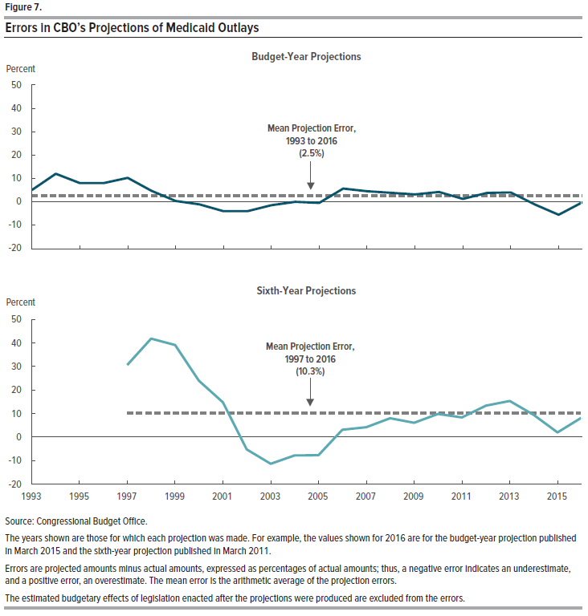
Figure 7.
Errors in CBO’s Projections of Medicaid Outlays
Percent

 | Budget-Year Projections |  | Sixth-Year Projections
 | Projection Error | Mean Projection Error, 1993 to 2016 | Projection Error | Mean Projection Error, 1997 to 2016
1993 | 5.036 | 2.518
1994 | 11.990 | 2.518
1995 | 8.004 | 2.518
1996 | 7.992 | 2.518
1997 | 10.247 | 2.518 | 30.611 | 10.288
1998 | 4.654 | 2.518 | 41.815 | 10.288
1999 | 0.348 | 2.518 | 39.073 | 10.288
2000 | -1.139 | 2.518 | 23.926 | 10.288
2001 | -4.046 | 2.518 | 14.775 | 10.288
2002 | -4.067 | 2.518 | -5.265 | 10.288
2003 | -1.495 | 2.518 | -11.354 | 10.288
2004 | -0.026 | 2.518 | -7.832 | 10.288
2005 | -0.495 | 2.518 | -7.713 | 10.288
2006 | 5.676 | 2.518 | 3.107 | 10.288
2007 | 4.492 | 2.518 | 4.201 | 10.288
2008 | 3.841 | 2.518 | 8.014 | 10.288
2009 | 3.170 | 2.518 | 6.077 | 10.288
2010 | 4.193 | 2.518 | 9.816 | 10.288
2011 | 1.197 | 2.518 | 8.325 | 10.288
2012 | 3.763 | 2.518 | 13.325 | 10.288
2013 | 3.982 | 2.518 | 15.309 | 10.288
2014 | -1.125 | 2.518 | 9.396 | 10.288
2015 | -5.579 | 2.518 | 1.954 | 10.288
2016 | -0.178 | 2.518 | 8.206 | 10.288

Source: Congressional Budget Office.

The years shown are those for which each projection was made. For example, the values shown for 2016 are for the budget-year projection published in March 2015 and the sixth-year projection published in March 2011.

Errors are projected amounts minus actual amounts, expressed as percentages of actual amounts; thus, a negative error indicates an underestimate, and a positive error, an overestimate. The mean error is the arithmetic average of the projection errors.

The estimated budgetary effects of legislation enacted after the projections were produced are excluded from the errors.

Figure 8
This file presents data that supplement CBO's November 2017 report An Evaluation of CBO’s Past Outlay Projections.
www.cbo.gov/publication/53328

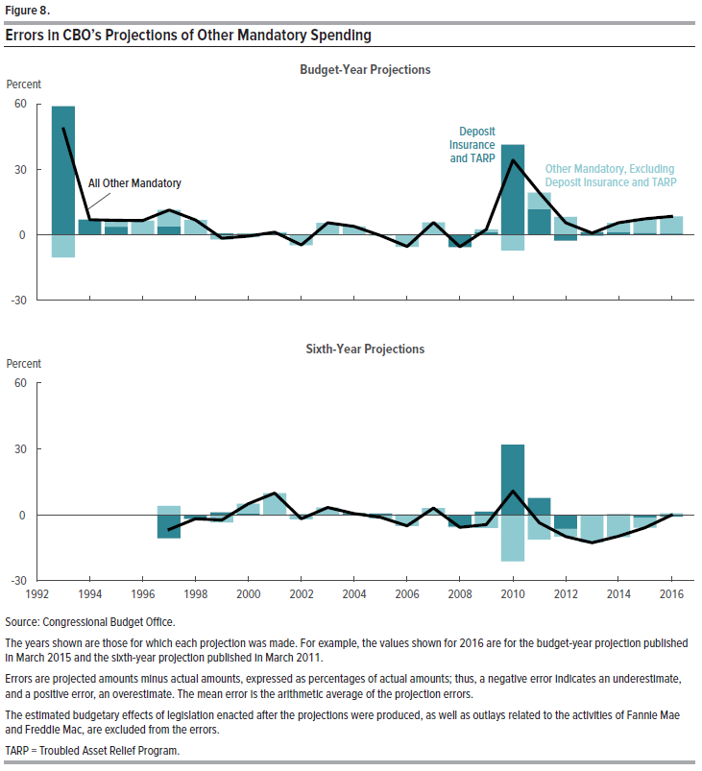
Figure 8.
Errors in CBO’s Projections of Other Mandatory Spending
Percent

 | Budget-Year Projections |  |  | Sixth-Year Projections
 | All Other Mandatory | Other Mandatory, Excluding Deposit Insurance and TARP | Deposit Insurance and TARP | All Other Mandatory | Other Mandatory, Excluding Deposit Insurance and TARP | Deposit Insurance and TARP
1993 | 48.469 | -10.340 | 58.808
1994 | 6.943 | 0.097 | 6.846
1995 | 6.534 | 2.928 | 3.605
1996 | 6.495 | 6.050 | 0.445
1997 | 11.358 | 7.499 | 3.860 | -6.628 | 4.053 | -10.681
1998 | 6.785 | 6.728 | 0.057 | -1.812 | -0.001 | -1.811
1999 | -1.612 | -2.208 | 0.597 | -2.312 | -3.471 | 1.160
2000 | -0.697 | -1.210 | 0.513 | 5.123 | 4.471 | 0.652
2001 | 1.219 | 0.519 | 0.700 | 9.964 | 9.805 | 0.160
2002 | -4.720 | -4.862 | 0.142 | -1.715 | -1.979 | 0.264
2003 | 5.475 | 5.304 | 0.171 | 3.341 | 3.211 | 0.130
2004 | 3.836 | 3.648 | 0.188 | 0.617 | -0.241 | 0.858
2005 | -0.302 | -0.232 | -0.070 | -1.041 | -1.607 | 0.565
2006 | -5.375 | -5.471 | 0.096 | -4.915 | -5.045 | 0.130
2007 | 5.604 | 5.532 | 0.072 | 3.072 | 2.908 | 0.164
2008 | -5.495 | 0.154 | -5.650 | -5.612 | -0.288 | -5.323
2009 | 2.358 | 1.033 | 1.325 | -4.461 | -5.939 | 1.478
2010 | 34.116 | -7.197 | 41.314 | 10.851 | -21.131 | 31.983
2011 | 19.299 | 7.563 | 11.737 | -3.554 | -11.293 | 7.739
2012 | 5.424 | 8.137 | -2.713 | -9.843 | -3.438 | -6.405
2013 | 0.717 | -0.578 | 1.295 | -12.659 | -12.523 | -0.136
2014 | 5.443 | 4.335 | 1.108 | -9.763 | -10.059 | 0.297
2015 | 7.242 | 6.382 | 0.860 | -5.838 | -4.579 | -1.259
2016 | 8.453 | 7.855 | 0.598 | -0.115 | 0.723 | -0.838

Source: Congressional Budget Office.

The years shown are those for which each projection was made. For example, the values shown for 2016 are for the budget-year projection published in March 2015 and the sixth-year projection published in March 2011.

Errors are projected amounts minus actual amounts, expressed as percentages of actual amounts; thus, a negative error indicates an underestimate, and a positive error, an overestimate. The mean error is the arithmetic average of the projection errors.

The estimated budgetary effects of legislation enacted after the projections were produced, as well as outlays related to the activities of Fannie Mae and Freddie Mac, are excluded from the errors.

TARP = Troubled Asset Relief Program.

Figure 9
This file presents data that supplement CBO's November 2017 report An Evaluation of CBO’s Past Outlay Projections.
www.cbo.gov/publication/53328

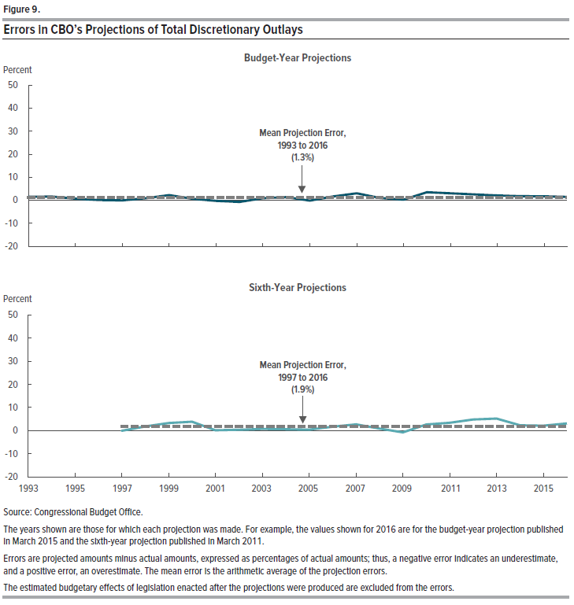
Figure 9.
Errors in CBO’s Projections of Total Discretionary Outlays
Percent

 | Budget-Year Projections |  | Sixth-Year Projections
 | Projection Error | Mean Projection Error, 1993 to 2016 | Projection Error | Mean Projection Error, 1997 to 2016
1993 | 1.518 | 1.302
1994 | 1.649 | 1.302
1995 | 0.679 | 1.302
1996 | 0.110 | 1.302
1997 | -0.056 | 1.302 | -0.126 | 1.936
1998 | 0.933 | 1.302 | 1.772 | 1.936
1999 | 2.254 | 1.302 | 3.258 | 1.936
2000 | 0.658 | 1.302 | 3.802 | 1.936
2001 | -0.260 | 1.302 | 0.112 | 1.936
2002 | -0.707 | 1.302 | 0.320 | 1.936
2003 | 0.917 | 1.302 | 0.705 | 1.936
2004 | 1.370 | 1.302 | 0.579 | 1.936
2005 | -0.146 | 1.302 | 0.387 | 1.936
2006 | 1.693 | 1.302 | 1.660 | 1.936
2007 | 3.070 | 1.302 | 2.705 | 1.936
2008 | 0.993 | 1.302 | 0.886 | 1.936
2009 | 0.292 | 1.302 | -0.796 | 1.936
2010 | 3.513 | 1.302 | 2.610 | 1.936
2011 | 3.070 | 1.302 | 3.373 | 1.936
2012 | 2.572 | 1.302 | 4.778 | 1.936
2013 | 2.091 | 1.302 | 5.181 | 1.936
2014 | 1.783 | 1.302 | 2.295 | 1.936
2015 | 1.741 | 1.302 | 2.125 | 1.936
2016 | 1.503 | 1.302 | 3.094 | 1.936

Source: Congressional Budget Office

The years shown are those for which each projection was made. For example, the values shown for 2016 are for the budget-year projection published in March 2015 and the sixth-year projection published in March 2011.

Errors are projected amounts minus actual amounts, expressed as percentages of actual amounts; thus, a negative error indicates an underestimate, and a positive error, an overestimate. The mean error is the arithmetic average of the projection errors.

The estimated budgetary effects of legislation enacted after the projections were produced are excluded from the errors.

Figure 10
This file presents data that supplement CBO's November 2017 report An Evaluation of CBO’s Past Outlay Projections.
www.cbo.gov/publication/53328

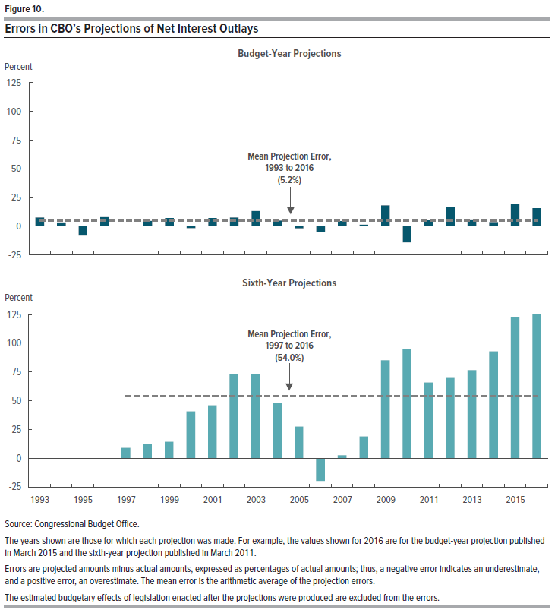
Figure 10.
Errors in CBO’s Projections of Net Interest Outlays
Percent

 | Budget-Year Projections |  | Sixth-Year Projections
 | Projection Error | Mean Projection Error, 1993 to 2016 | Projection Error | Mean Projection Error, 1997 to 2016
1993 | 7.725 | 5.209
1994 | 3.415 | 5.209
1995 | -8.004 | 5.209
1996 | 8.004 | 5.209
1997 | 0.503 | 5.209 | 8.979 | 54.006
1998 | 4.745 | 5.209 | 12.202 | 54.006
1999 | 7.247 | 5.209 | 14.201 | 54.006
2000 | -1.677 | 5.209 | 40.627 | 54.006
2001 | 7.201 | 5.209 | 46.037 | 54.006
2002 | 7.664 | 5.209 | 72.734 | 54.006
2003 | 13.265 | 5.209 | 73.440 | 54.006
2004 | 5.034 | 5.209 | 48.091 | 54.006
2005 | -1.712 | 5.209 | 27.439 | 54.006
2006 | -5.143 | 5.209 | -19.851 | 54.006
2007 | 4.492 | 5.209 | 2.519 | 54.006
2008 | 1.372 | 5.209 | 18.938 | 54.006
2009 | 18.299 | 5.209 | 85.120 | 54.006
2010 | -13.889 | 5.209 | 94.805 | 54.006
2011 | 5.274 | 5.209 | 65.782 | 54.006
2012 | 16.605 | 5.209 | 70.530 | 54.006
2013 | 5.978 | 5.209 | 76.542 | 54.006
2014 | 3.780 | 5.209 | 92.978 | 54.006
2015 | 19.160 | 5.209 | 122.972 | 54.006
2016 | 15.686 | 5.209 | 126.036 | 54.006

Source: Congressional Budget Office

The years shown are those for which each projection was made. For example, the values shown for 2016 are for the budget-year projection published in March 2015 and the sixth-year projection published in March 2011.

Errors are projected amounts minus actual amounts, expressed as percentages of actual amounts; thus, a negative error indicates an underestimate, and a positive error, an overestimate. The mean error is the arithmetic average of the projection errors.

The estimated budgetary effects of legislation enacted after the projections were produced are excluded from the errors.

Figure 11
This file presents data that supplement CBO's November 2017 report An Evaluation of CBO’s Past Outlay Projections.
www.cbo.gov/publication/53328

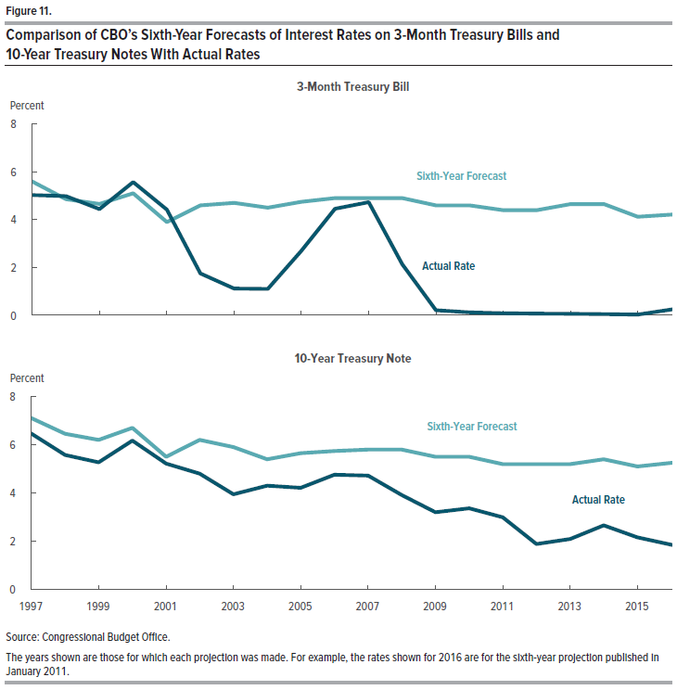
Figure 11.
Comparison of CBO’s Sixth-Year Forecasts of Interest Rates on 3-Month Treasury Bills and 10-Year Treasury Notes With Actual Rates

Percent

 | 3-Month Treasury Bill |  | 10-Year Treasury Note
 | Actual Rate | Sixth-Year Forecast | Actual Rate | Sixth-Year Forecast
1997 | 5.033 | 5.594 | 6.462 | 7.105
1998 | 4.986 | 4.858 | 5.573 | 6.452
1999 | 4.441 | 4.658 | 5.269 | 6.200
2000 | 5.573 | 5.100 | 6.173 | 6.700
2001 | 4.416 | 3.900 | 5.217 | 5.500
2002 | 1.748 | 4.600 | 4.802 | 6.200
2003 | 1.115 | 4.700 | 3.945 | 5.900
2004 | 1.099 | 4.500 | 4.303 | 5.400
2005 | 2.692 | 4.750 | 4.211 | 5.650
2006 | 4.458 | 4.900 | 4.757 | 5.738
2007 | 4.732 | 4.900 | 4.722 | 5.800
2008 | 2.138 | 4.900 | 3.918 | 5.800
2009 | 0.210 | 4.600 | 3.205 | 5.500
2010 | 0.117 | 4.600 | 3.363 | 5.500
2011 | 0.083 | 4.400 | 2.990 | 5.200
2012 | 0.068 | 4.400 | 1.888 | 5.200
2013 | 0.064 | 4.650 | 2.091 | 5.200
2014 | 0.043 | 4.650 | 2.658 | 5.400
2015 | 0.028 | 4.125 | 2.158 | 5.100
2016 | 0.241 | 4.212 | 1.857 | 5.250

Source: Congressional Budget Office

The years shown are those for which each projection was made. For example, the rates shown for 2016 are for the sixth-year projection published in January 2011.

Figure 12
This file presents data that supplement CBO's November 2017 report An Evaluation of CBO’s Past Outlay Projections.
www.cbo.gov/publication/53328

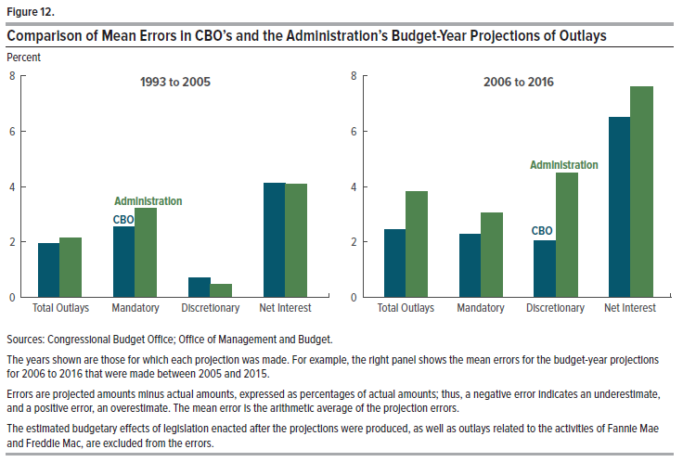
Figure 12.
Comparison of Mean Errors in CBO’s and the Administration’s Budget-Year Projections of Outlays
Percent

 | 1993 to 2005 |  | 2006 to 2016
 | CBO | Administration | CBO | Administration
Total Outlays | 1.939 | 2.140 | 2.436 | 3.815
Mandatory | 2.540 | 3.200 | 2.284 | 3.052
Discretionary | 0.686 | 0.465 | 2.029 | 4.489
Net Interest | 4.108 | 4.100 | 6.510 | 7.625

Source: Congressional Budget Office

The years shown are those for which each projection was made. For example, the right panel shows the mean errors for the budget-year projections for 2006 to 2016 that were made between 2005 and 2015.

Errors are projected amounts minus actual amounts, expressed as percentages of actual amounts; thus, a negative error indicates an underestimate, and a positive error, an overestimate. The mean error is the arithmetic average of the projection errors.

The estimated budgetary effects of legislation enacted after the projections were produced, as well as outlays related to the activities of Fannie Mae and Freddie Mac, are excluded from the errors.

