Figure 1
This file presents the data underlying the figures in CBO's May 2020 report Interim Economic Projections for 2020 and 2021.
www.cbo.gov/publication/56351

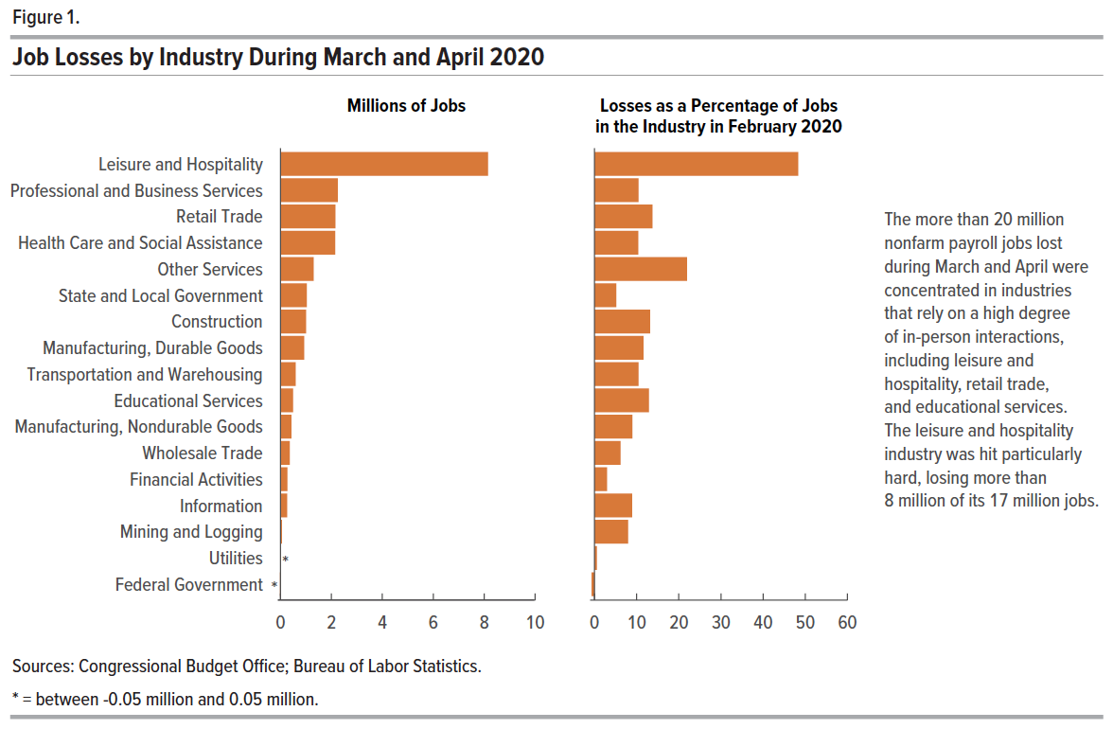
Figure 1. Job Losses by Industry During March and April 2020

Sector | Millions of Jobs | Losses as a Percentage of Jobs in the Industry in February 2020
Mining and Logging | -0.1 | -7.9
Construction | -1.0 | -13.1
Manufacturing, Durable Goods | -0.9 | -11.5
Manufacturing, Nondurable Goods | -0.4 | -8.9
Wholesale Trade | -0.4 | -6.1
Retail Trade | -2.2 | -13.7
Transportation and Warehousing | -0.6 | -10.4
Utilities | 0.0 | -0.5
Information | -0.3 | -8.9
Financial Activities | -0.3 | -2.9
Professional and Business Services | -2.2 | -10.4
Educational Services | -0.5 | -12.9
Health Care and Social Assistance | -2.2 | -10.3
Leisure and Hospitality | -8.2 | -48.3
Other Services | -1.3 | -21.9
Federal Government | 0.0 | 0.6
State and Local Government | -1.0 | -5.1

Back to Table of Contents

Figure 2
This file presents the data underlying the figures in CBO's May 2020 report Interim Economic Projections for 2020 and 2021.
www.cbo.gov/publication/56351

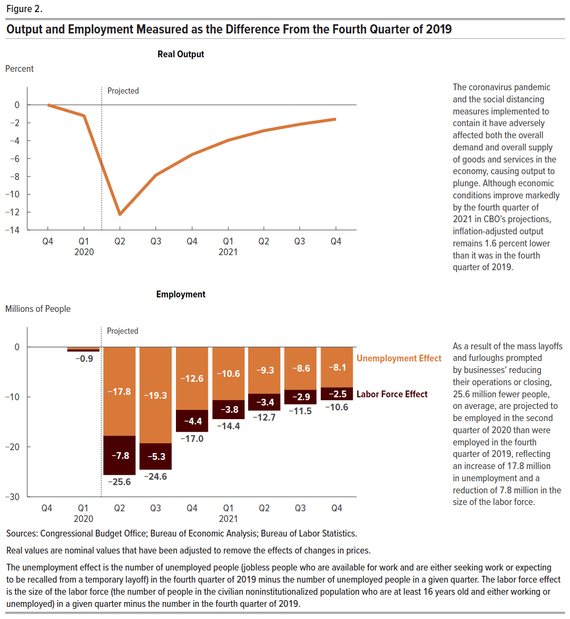
Figure 2. Output and Employment Measured as the Difference From the Fourth Quarter of 2019

 | Real Output (Percent) | Unemployment Effect (Millions of People) | Labor Force Effect (Millions of People) | Employment (Millions of People)
2019 Q4 | 0 | 0 | 0 | 0
2020 Q1 | -1.2 | -0.5 | -0.4 | -0.9
2020 Q2 | -12.2 | -17.8 | -7.8 | -25.6
2020 Q3 | -7.9 | -19.3 | -5.3 | -24.6
2020 Q4 | -5.6 | -12.6 | -4.4 | -17.0
2021 Q1 | -4.0 | -10.6 | -3.8 | -14.4
2021 Q2 | -2.9 | -9.3 | -3.4 | -12.7
2021 Q3 | -2.2 | -8.6 | -2.9 | -11.5
2021 Q4 | -1.6 | -8.1 | -2.5 | -10.6

Back to Table of Contents

Figure 3
This file presents the data underlying the figures in CBO's May 2020 report Interim Economic Projections for 2020 and 2021.
www.cbo.gov/publication/56351

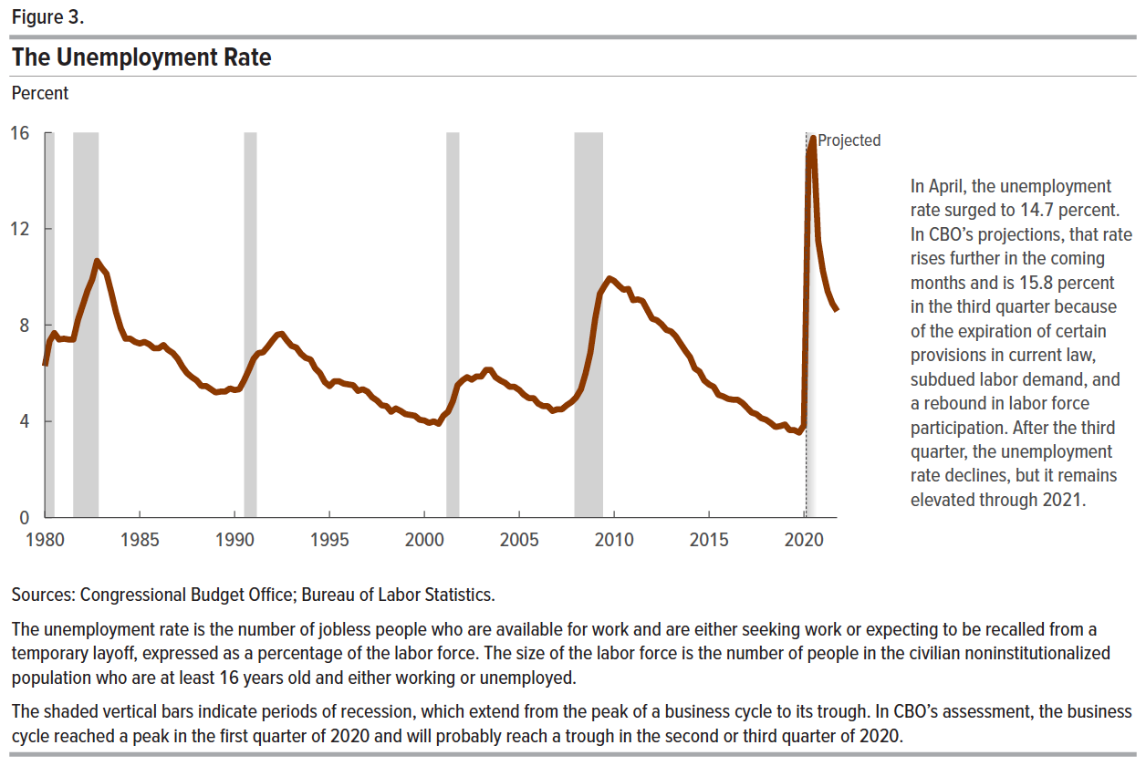
Figure 3. The Unemployment Rate
Percent

 | Unemployment Rate
1980 Q1 | 6.3
1980 Q2 | 7.3
1980 Q3 | 7.7
1980 Q4 | 7.4
1981 Q1 | 7.4
1981 Q2 | 7.4
1981 Q3 | 7.4
1981 Q4 | 8.2
1982 Q1 | 8.8
1982 Q2 | 9.4
1982 Q3 | 9.9
1982 Q4 | 10.7
1983 Q1 | 10.4
1983 Q2 | 10.1
1983 Q3 | 9.4
1983 Q4 | 8.5
1984 Q1 | 7.9
1984 Q2 | 7.4
1984 Q3 | 7.4
1984 Q4 | 7.3
1985 Q1 | 7.2
1985 Q2 | 7.3
1985 Q3 | 7.2
1985 Q4 | 7.0
1986 Q1 | 7.0
1986 Q2 | 7.2
1986 Q3 | 7.0
1986 Q4 | 6.8
1987 Q1 | 6.6
1987 Q2 | 6.3
1987 Q3 | 6.0
1987 Q4 | 5.8
1988 Q1 | 5.7
1988 Q2 | 5.5
1988 Q3 | 5.5
1988 Q4 | 5.3
1989 Q1 | 5.2
1989 Q2 | 5.2
1989 Q3 | 5.2
1989 Q4 | 5.4
1990 Q1 | 5.3
1990 Q2 | 5.3
1990 Q3 | 5.7
1990 Q4 | 6.1
1991 Q1 | 6.6
1991 Q2 | 6.8
1991 Q3 | 6.9
1991 Q4 | 7.1
1992 Q1 | 7.4
1992 Q2 | 7.6
1992 Q3 | 7.6
1992 Q4 | 7.4
1993 Q1 | 7.1
1993 Q2 | 7.1
1993 Q3 | 6.8
1993 Q4 | 6.6
1994 Q1 | 6.6
1994 Q2 | 6.2
1994 Q3 | 6.0
1994 Q4 | 5.6
1995 Q1 | 5.5
1995 Q2 | 5.7
1995 Q3 | 5.7
1995 Q4 | 5.6
1996 Q1 | 5.5
1996 Q2 | 5.5
1996 Q3 | 5.3
1996 Q4 | 5.3
1997 Q1 | 5.2
1997 Q2 | 5.0
1997 Q3 | 4.9
1997 Q4 | 4.7
1998 Q1 | 4.6
1998 Q2 | 4.4
1998 Q3 | 4.5
1998 Q4 | 4.4
1999 Q1 | 4.3
1999 Q2 | 4.3
1999 Q3 | 4.2
1999 Q4 | 4.1
2000 Q1 | 4.0
2000 Q2 | 3.9
2000 Q3 | 4.0
2000 Q4 | 3.9
2001 Q1 | 4.2
2001 Q2 | 4.4
2001 Q3 | 4.8
2001 Q4 | 5.5
2002 Q1 | 5.7
2002 Q2 | 5.8
2002 Q3 | 5.7
2002 Q4 | 5.9
2003 Q1 | 5.9
2003 Q2 | 6.1
2003 Q3 | 6.1
2003 Q4 | 5.8
2004 Q1 | 5.7
2004 Q2 | 5.6
2004 Q3 | 5.4
2004 Q4 | 5.4
2005 Q1 | 5.3
2005 Q2 | 5.1
2005 Q3 | 5.0
2005 Q4 | 5.0
2006 Q1 | 4.7
2006 Q2 | 4.6
2006 Q3 | 4.6
2006 Q4 | 4.4
2007 Q1 | 4.5
2007 Q2 | 4.5
2007 Q3 | 4.7
2007 Q4 | 4.8
2008 Q1 | 5.0
2008 Q2 | 5.3
2008 Q3 | 6.0
2008 Q4 | 6.9
2009 Q1 | 8.3
2009 Q2 | 9.3
2009 Q3 | 9.6
2009 Q4 | 9.9
2010 Q1 | 9.8
2010 Q2 | 9.6
2010 Q3 | 9.5
2010 Q4 | 9.5
2011 Q1 | 9.0
2011 Q2 | 9.1
2011 Q3 | 9.0
2011 Q4 | 8.6
2012 Q1 | 8.3
2012 Q2 | 8.2
2012 Q3 | 8.0
2012 Q4 | 7.8
2013 Q1 | 7.7
2013 Q2 | 7.5
2013 Q3 | 7.2
2013 Q4 | 6.9
2014 Q1 | 6.7
2014 Q2 | 6.2
2014 Q3 | 6.1
2014 Q4 | 5.7
2015 Q1 | 5.5
2015 Q2 | 5.4
2015 Q3 | 5.1
2015 Q4 | 5.0
2016 Q1 | 4.9
2016 Q2 | 4.9
2016 Q3 | 4.9
2016 Q4 | 4.8
2017 Q1 | 4.6
2017 Q2 | 4.4
2017 Q3 | 4.3
2017 Q4 | 4.1
2018 Q1 | 4.1
2018 Q2 | 3.9
2018 Q3 | 3.8
2018 Q4 | 3.8
2019 Q1 | 3.9
2019 Q2 | 3.6
2019 Q3 | 3.6
2019 Q4 | 3.5
2020 Q1 | 3.8
2020 Q2 | 15.1
2020 Q3 | 15.8
2020 Q4 | 11.5
2021 Q1 | 10.2
2021 Q2 | 9.4
2021 Q3 | 8.9
2021 Q4 | 8.6

Back to Table of Contents

Figure 4
This file presents the data underlying the figures in CBO's May 2020 report Interim Economic Projections for 2020 and 2021.
www.cbo.gov/publication/56351

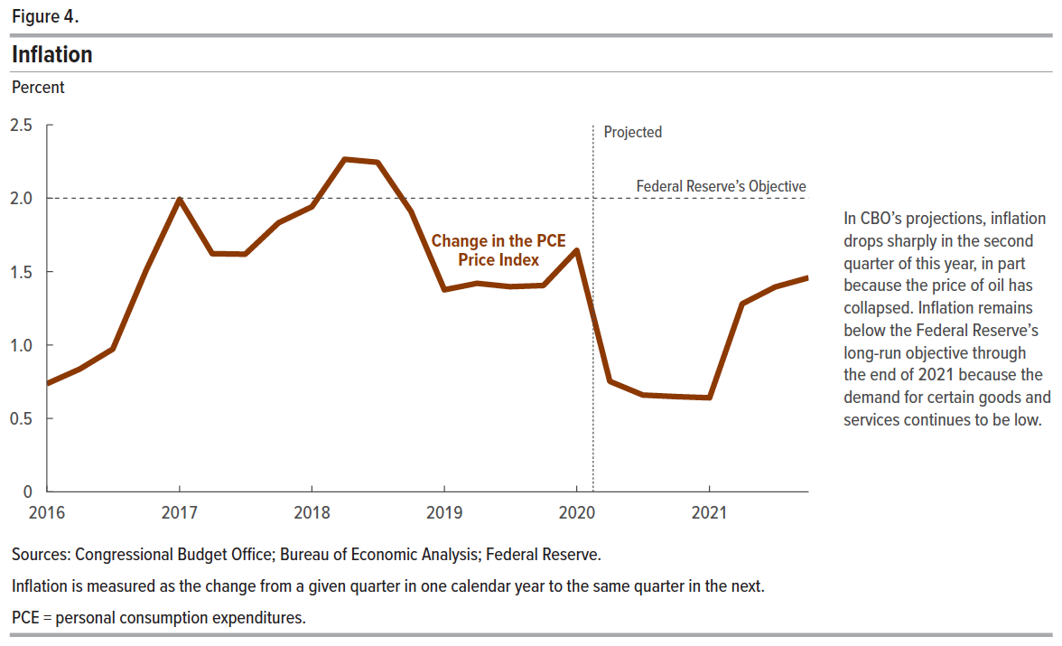
Figure 4. Inflation
Percent

 | Change in the PCE Price Index
2016 Q1 | 0.7
2016 Q2 | 0.8
2016 Q3 | 1.0
2016 Q4 | 1.5
2017 Q1 | 2.0
2017 Q2 | 1.6
2017 Q3 | 1.6
2017 Q4 | 1.8
2018 Q1 | 1.9
2018 Q2 | 2.3
2018 Q3 | 2.2
2018 Q4 | 1.9
2019 Q1 | 1.4
2019 Q2 | 1.4
2019 Q3 | 1.4
2019 Q4 | 1.4
2020 Q1 | 1.6
2020 Q2 | 0.8
2020 Q3 | 0.7
2020 Q4 | 0.6
2021 Q1 | 0.6
2021 Q2 | 1.3
2021 Q3 | 1.4
2021 Q4 | 1.5

Back to Table of Contents

Figure 5
This file presents the data underlying the figures in CBO's May 2020 report Interim Economic Projections for 2020 and 2021.
www.cbo.gov/publication/56351

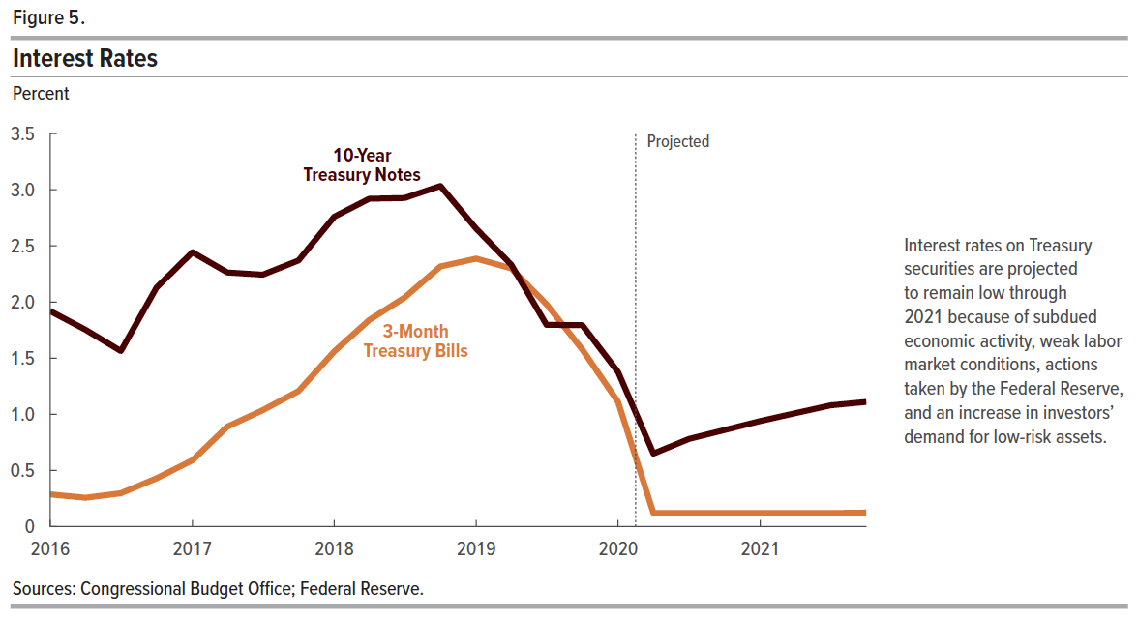
Figure 5. Interest Rates
Percent

 | 3-Month Treasury Bills | 10-Year Treasury Notes
2016 Q1 | 0.3 | 1.9
2016 Q2 | 0.3 | 1.8
2016 Q3 | 0.3 | 1.6
2016 Q4 | 0.4 | 2.1
2017 Q1 | 0.6 | 2.4
2017 Q2 | 0.9 | 2.3
2017 Q3 | 1.0 | 2.2
2017 Q4 | 1.2 | 2.4
2018 Q1 | 1.6 | 2.8
2018 Q2 | 1.8 | 2.9
2018 Q3 | 2.0 | 2.9
2018 Q4 | 2.3 | 3.0
2019 Q1 | 2.4 | 2.7
2019 Q2 | 2.3 | 2.3
2019 Q3 | 2.0 | 1.8
2019 Q4 | 1.6 | 1.8
2020 Q1 | 1.1 | 1.4
2020 Q2 | 0.1 | 0.7
2020 Q3 | 0.1 | 0.8
2020 Q4 | 0.1 | 0.9
2021 Q1 | 0.1 | 0.9
2021 Q2 | 0.1 | 1.0
2021 Q3 | 0.1 | 1.1
2021 Q4 | 0.1 | 1.1

Back to Table of Contents

