Table 2
This file presents the data from the table and figures in CBO's September 2021 report The Role of the Department of Veterans Affairs in the Single-Family Mortgage Market.
www.cbo.gov/publication/57024

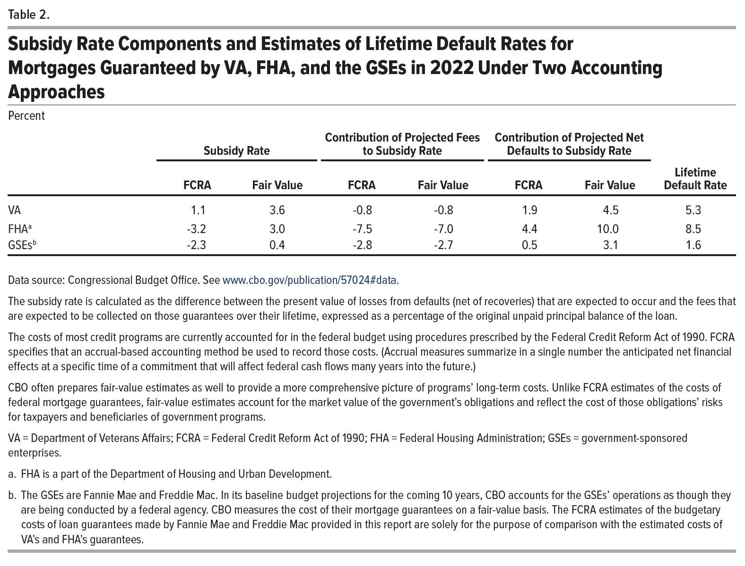
Table 2. Subsidy Rate Components and Estimates of Lifetime Default Rates for Mortgages Guaranteed by VA, FHA, and the GSEs in 2022 Under Two Accounting Approaches
Percent

 |  |  |  |  | Contribution of Projected Net Defaults to Subsidy Rate
 | Subsidy Rate |  | Contribution of Projected Fees to Subsidy Rate |  |  |  | Lifetime Default Rate
 | FCRA | Fair Value | FCRA | Fair Value | FCRA | Fair Value

VA | 1.1 | 3.6 | -0.8 | -0.8 | 1.9 | 4.5 | 5.3
FHA | -3.2 | 3.0 | -7.5 | -7.0 | 4.4 | 10.0 | 8.5
GSEs | -2.3 | 0.4 | -2.8 | -2.7 | 0.5 | 3.1 | 1.6

Back to Table of Contents

Figure 1
This file presents the data from the table and figures in CBO's September 2021 report The Role of the Department of Veterans Affairs in the Single-Family Mortgage Market.
www.cbo.gov/publication/57024

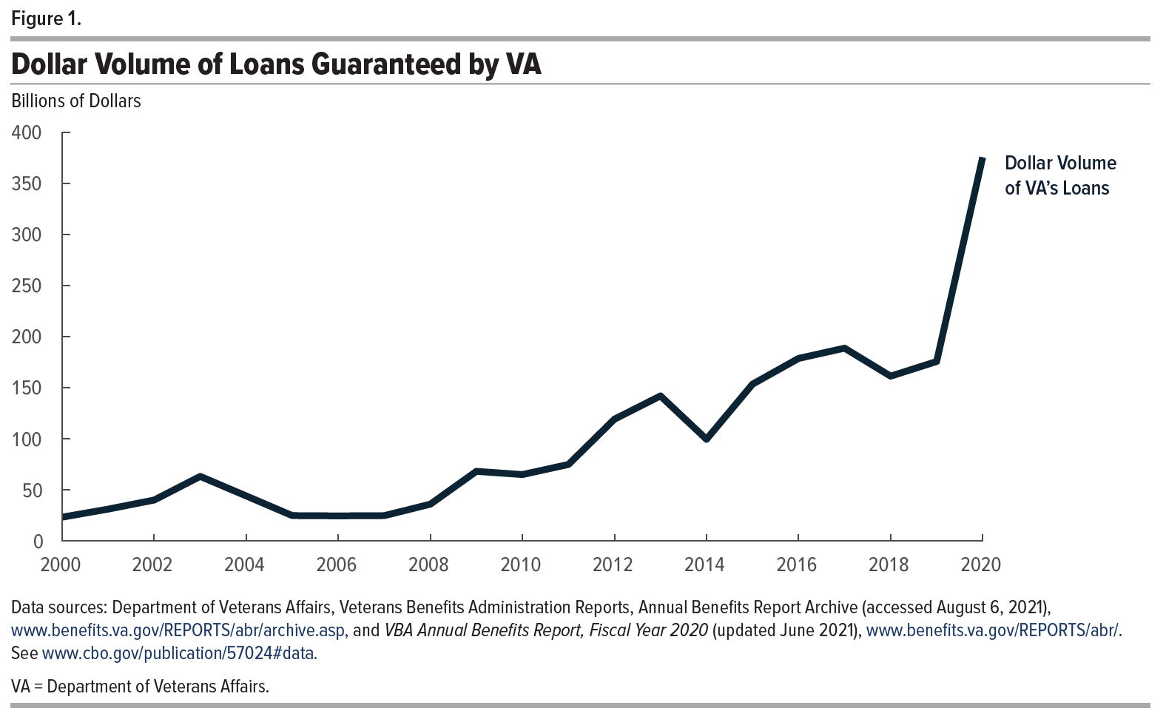
Figure 1. Dollar Volume of Loans Guaranteed by VA
Billions of Dollars

 | Dollar Volume of VA's Loans

2000 | 23
2001 | 31
2002 | 40
2003 | 63
2004 | 44
2005 | 25
2006 | 25
2007 | 25
2008 | 36
2009 | 68
2010 | 65
2011 | 75
2012 | 119
2013 | 142
2014 | 100
2015 | 153
2016 | 179
2017 | 189
2018 | 161
2019 | 176
2020 | 375

Back to Table of Contents

Figure 2
This file presents the data from the table and figures in CBO's September 2021 report The Role of the Department of Veterans Affairs in the Single-Family Mortgage Market.
www.cbo.gov/publication/57024

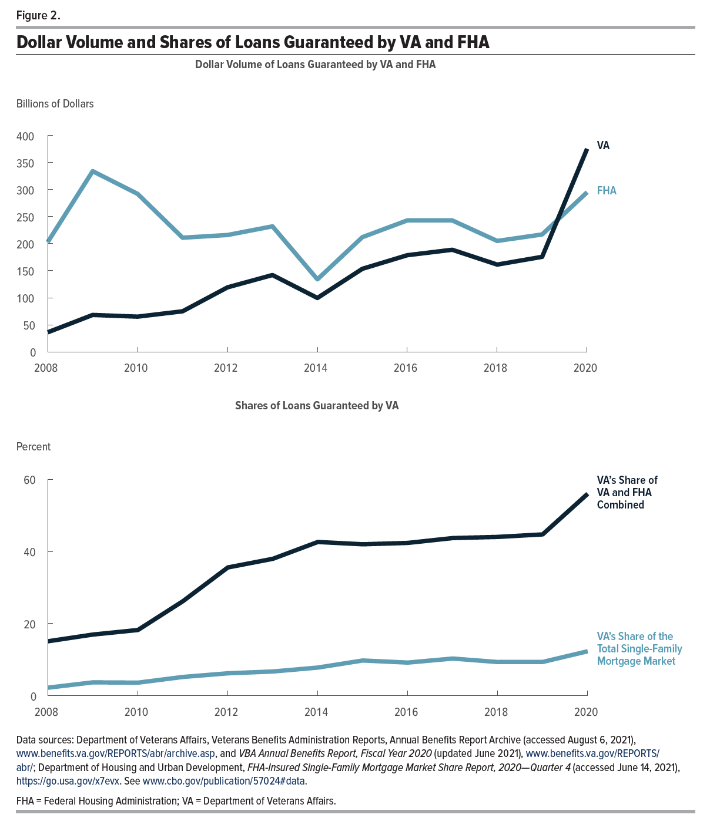
Figure 2. Dollar Volume and Shares of Loans Guaranteed by VA and FHA
Billions of Dollars

 | Dollar Volume of Loans Guaranteed by VA and FHA
 | VA | FHA
2008 | 36 | 203
2009 | 68 | 334
2010 | 65 | 292
2011 | 75 | 211
2012 | 119 | 216
2013 | 142 | 232
2014 | 100 | 134
2015 | 153 | 212
2016 | 179 | 243
2017 | 189 | 243
2018 | 161 | 205
2019 | 176 | 217
2020 | 375 | 295

Percent
 | Shares of Loans Guaranteed by VA

 | VA’s Share of the Total Single-Family Mortgage Market | VA’s Share of VA and FHA Combined
2008 | 2.23 | 15.10
2009 | 3.70 | 16.96
2010 | 3.61 | 18.22
2011 | 5.20 | 26.21
2012 | 6.21 | 35.57
2013 | 6.71 | 37.96
2014 | 7.80 | 42.63
2015 | 9.76 | 41.99
2016 | 9.18 | 42.37
2017 | 10.30 | 43.71
2018 | 9.34 | 44.03
2019 | 9.36 | 44.73
2020 | 12.32 | 55.99

Back to Table of Contents

Figure 3
This file presents the data from the table and figures in CBO's September 2021 report The Role of the Department of Veterans Affairs in the Single-Family Mortgage Market.
www.cbo.gov/publication/57024

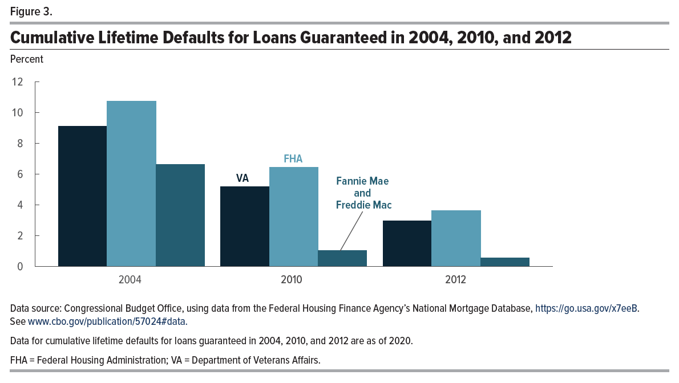
Figure 3. Cumulative Lifetime Defaults for Loans Guaranteed in 2004, 2010, and 2012
Percent

 | VA | FHA | Fannie Mae and Freddie Mac
2004 | 9.12 | 10.75 | 6.62
2010 | 5.18 | 6.42 | 1.02
2012 | 2.96 | 3.61 | 0.53

Back to Table of Contents

Figure 4
This file presents the data from the table and figures in CBO's September 2021 report The Role of the Department of Veterans Affairs in the Single-Family Mortgage Market.
www.cbo.gov/publication/57024

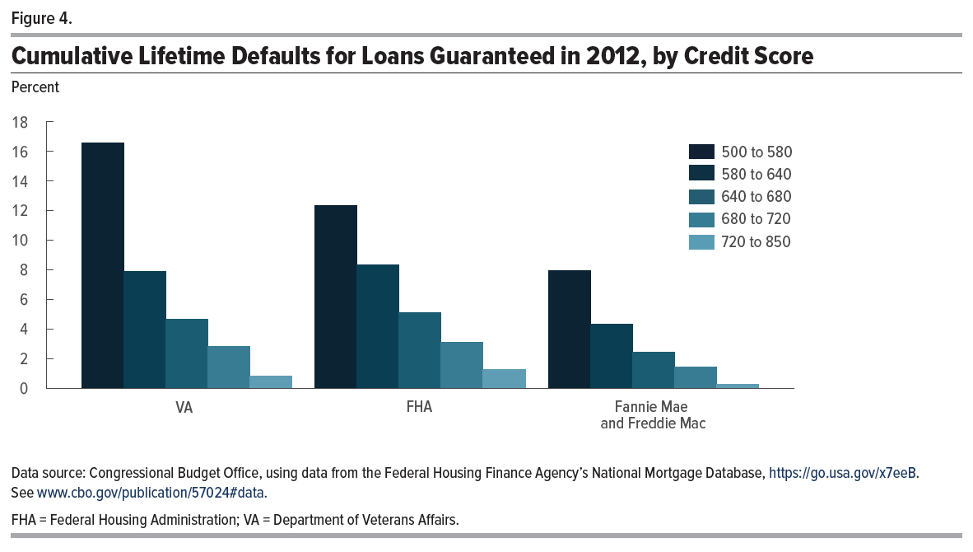
Figure 4. Cumulative Lifetime Defaults for Loans Guaranteed in 2012, by Credit Score
Percent

 | 500 to 580 | 580 to 640 | 640 to 680 | 680 to 720 | 720 to 850
VA | 16.55 | 7.90 | 4.69 | 2.85 | 0.82
FHA | 12.33 | 8.33 | 5.09 | 3.09 | 1.28
Fannie Mae and Freddie Mac | 7.93 | 4.31 | 2.46 | 1.44 | 0.27

Back to Table of Contents

