Figure 1
This file presents the data from the figures in CBO's November 2022 report FEMA’s Disaster Relief Fund: Budgetary History and Projections.
http://www.cbo.gov/publication/58420

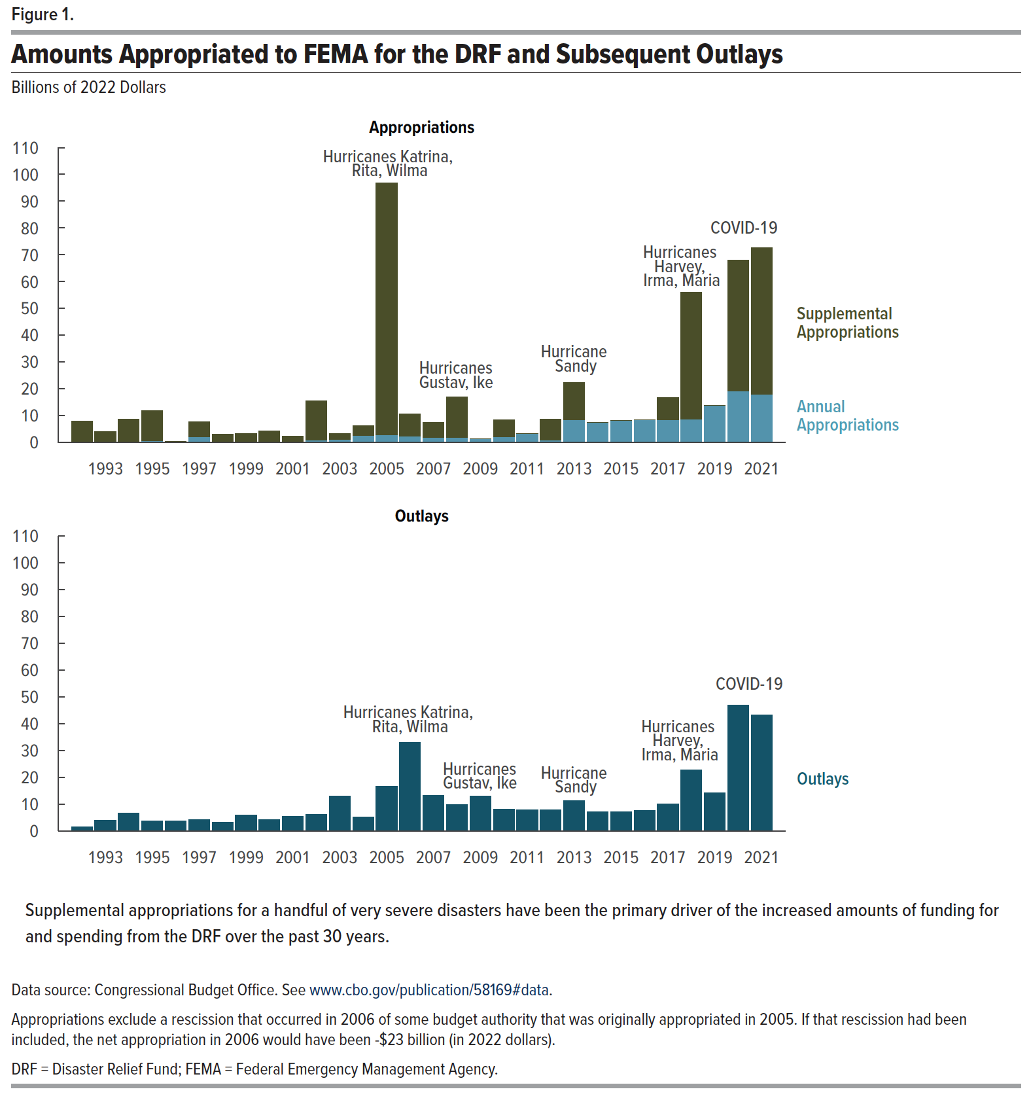
Figure 1. Amounts Appropriated to FEMA for the DRF and Subsequent Outlays
Billions of 2022 Dollars

 | Appropriations |  | Outlays
 | Annual Appropriations
 |  | Supplemental Appropriations
1992 | 0.34 | 7.58 | 1.65
1993 | 0.52 | 3.58 | 4.08
1994 | 0.51 | 8.25 | 6.56
1995 | 0.55 | 11.23 | 3.63
1996 | 0.37 | 0.00 | 3.76
1997 | 2.18 | 5.46 | 4.22
1998 | 0.52 | 2.61 | 3.26
1999 | 0.50 | 2.91 | 6.04
2000 | 0.47 | 3.92 | 4.16
2001 | 0.46 | 2.01 | 5.36
2002 | 1.01 | 14.49 | 6.28
2003 | 1.19 | 2.12 | 12.90
2004 | 2.62 | 3.64 | 5.21
2005 | 2.88 | 93.92 | 16.75
2006 | 2.42 | 8.21 | 32.94
2007 | 2.00 | 5.47 | 13.20
2008 | 1.83 | 15.21 | 9.73
2009 | 1.47 | 0.00 | 12.96
2010 | 2.05 | 6.37 | 8.19
2011 | 3.32 | 0.00 | 7.78
2012 | 0.86 | 7.89 | 7.82
2013 | 8.48 | 13.90 | 11.33
2014 | 7.38 | 0.00 | 7.09
2015 | 8.25 | 0.00 | 7.20
2016 | 8.58 | 0.00 | 7.72
2017 | 8.38 | 8.46 | 9.97
2018 | 8.83 | 47.12 | 22.83
2019 | 13.76 | 0.00 | 14.34
2020 | 19.32 | 48.67 | 46.85
2021 | 17.99 | 54.57 | 43.38

Back to Table of Contents

Figure 2
This file presents the data from the figures in CBO's November 2022 report FEMA’s Disaster Relief Fund: Budgetary History and Projections.
http://www.cbo.gov/publication/58420

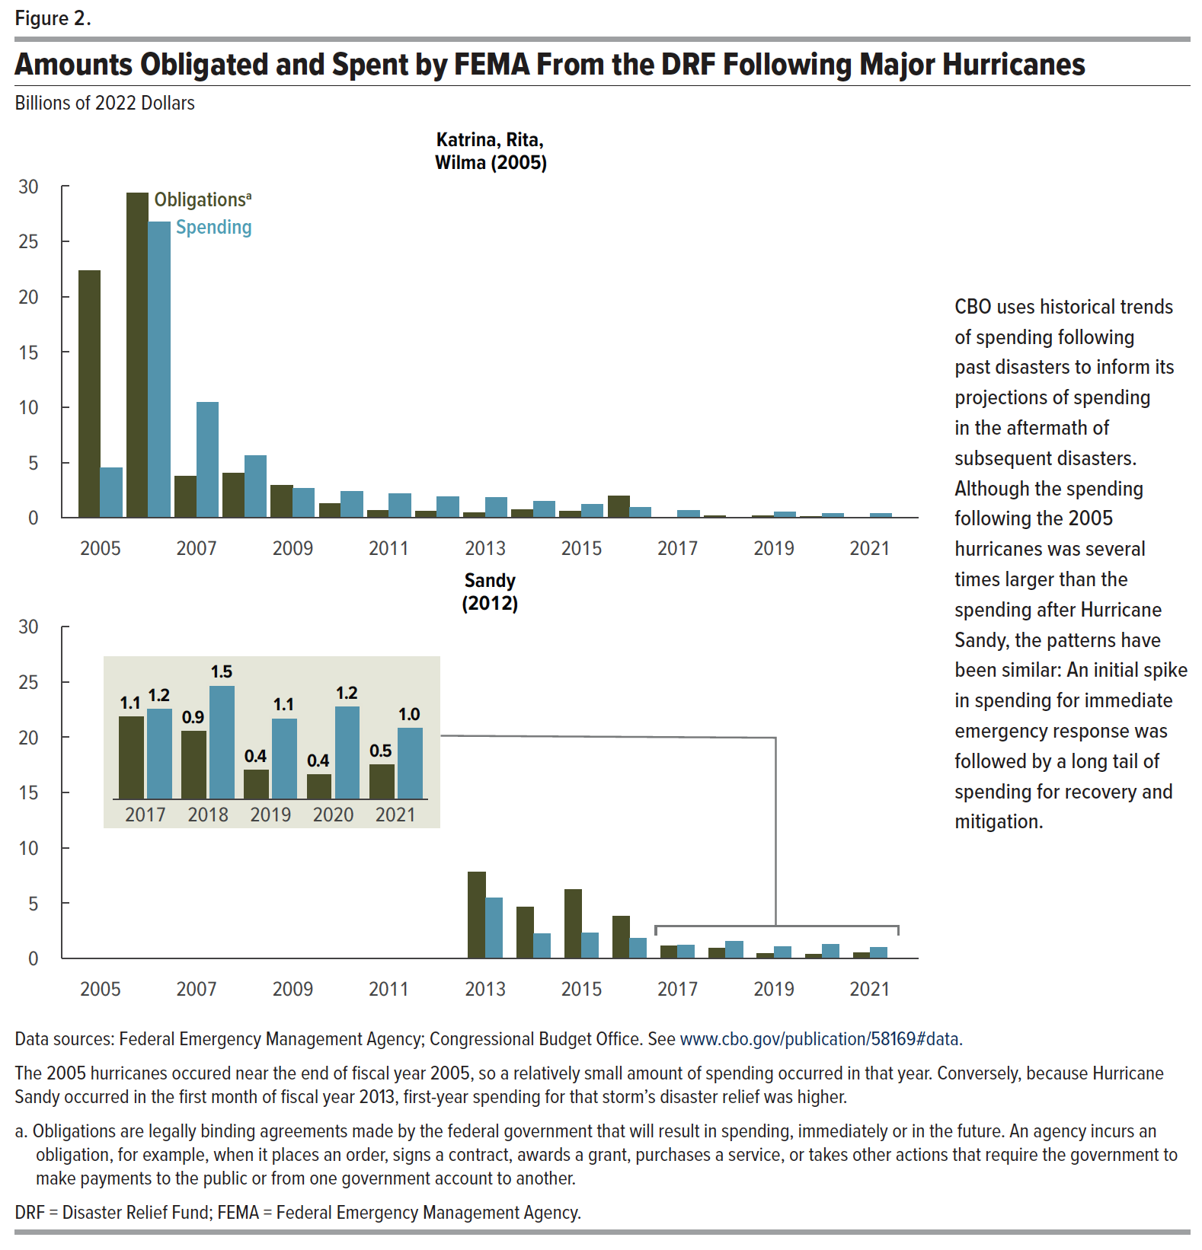
Figure 2. Amounts Obligated and Spent by FEMA From the DRF Following Major Hurricanes
Billions of 2022 Dollars

 | Katrina, Rita, Wilma (2005) |  | Sandy (2012)
 | Obligations | Spending | Obligations | Spending
2005 | 22.34 | 4.53
2006 | 29.39 | 26.75
2007 | 3.80 | 10.46
2008 | 4.04 | 5.65
2009 | 2.96 | 2.70
2010 | 1.29 | 2.38
2011 | 0.66 | 2.20
2012 | 0.62 | 1.88
2013 | 0.44 | 1.81 | 7.84 | 5.44
2014 | 0.71 | 1.49 | 4.67 | 2.23
2015 | 0.58 | 1.22 | 6.22 | 2.28
2016 | 1.94 | 0.94 | 3.83 | 1.80
2017 | -0.68 | 0.67 | 1.11 | 1.21
2018 | 0.21 | -0.32 | 0.93 | 1.51
2019 | 0.19 | 0.53 | 0.43 | 1.09
2020 | 0.13 | 0.37 | 0.36 | 1.24
2021 | 0.01 | 0.40 | 0.50 | 0.97

Back to Table of Contents

