Figure 1
This file presents the data from the figures in CBO's May 2023 report An Update to the Budget Outlook: 2023 to 2033.
www.cbo.gov/publication/59096

Figure 1. Total Deficits, Primary Deficits, and Net Interest Outlays
Percentage of GDP
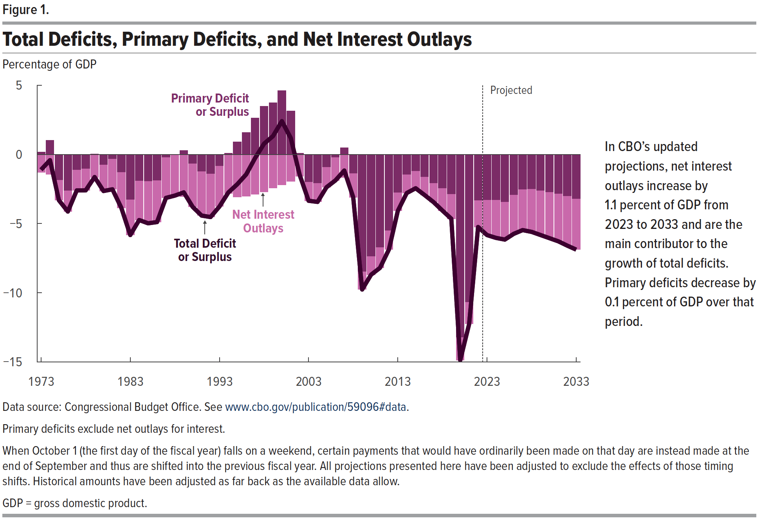
 | Total Deficit or Surplus | Primary Deficit or Surplus | Net Interest Outlays
1973 | -1.1 | 0.2 | -1.3
1974 | -0.4 | 1.0 | -1.4
1975 | -3.3 | -1.9 | -1.4
1976 | -4.1 | -2.6 | -1.5
1977 | -2.6 | -1.1 | -1.5
1978 | -2.6 | -1.0 | -1.6
1979 | -1.6 | 0.0 | -1.7
1980 | -2.6 | -0.8 | -1.9
1981 | -2.5 | -0.3 | -2.2
1982 | -3.9 | -1.3 | -2.6
1983 | -5.8 | -3.3 | -2.5
1984 | -4.7 | -1.9 | -2.8
1985 | -5.0 | -1.9 | -3.0
1986 | -4.9 | -1.9 | -3.0
1987 | -3.1 | -0.2 | -2.9
1988 | -3.0 | 0.0 | -3.0
1989 | -2.7 | 0.3 | -3.0
1990 | -3.8 | -0.7 | -3.1
1991 | -4.4 | -1.2 | -3.2
1992 | -4.5 | -1.4 | -3.1
1993 | -3.8 | -0.8 | -2.9
1994 | -2.7 | 0.1 | -2.8
1995 | -2.2 | 0.9 | -3.1
1996 | -1.4 | 1.6 | -3.0
1997 | -0.3 | 2.6 | -2.9
1998 | 0.8 | 3.5 | -2.7
1999 | 1.3 | 3.7 | -2.4
2000 | 2.4 | 4.6 | -2.2
2001 | 1.2 | 3.1 | -2.0
2002 | -1.5 | 0.1 | -1.6
2003 | -3.3 | -2.0 | -1.4
2004 | -3.4 | -2.1 | -1.3
2005 | -2.4 | -0.9 | -1.4
2006 | -1.9 | -0.2 | -1.7
2007 | -1.2 | 0.5 | -1.7
2008 | -3.1 | -1.4 | -1.7
2009 | -9.8 | -8.5 | -1.3
2010 | -8.7 | -7.4 | -1.3
2011 | -8.2 | -6.7 | -1.5
2012 | -6.9 | -5.5 | -1.4
2013 | -4.1 | -2.8 | -1.3
2014 | -2.8 | -1.5 | -1.3
2015 | -2.4 | -1.2 | -1.2
2016 | -2.9 | -1.6 | -1.3
2017 | -3.4 | -2.1 | -1.4
2018 | -4.1 | -2.5 | -1.6
2019 | -4.6 | -2.9 | -1.8
2020 | -14.9 | -13.2 | -1.6
2021 | -12.3 | -10.7 | -1.6
2022 | -5.2 | -3.3 | -1.9
2023 | -5.8 | -3.3 | -2.5
2024 | -6.0 | -3.3 | -2.7
2025 | -6.2 | -3.5 | -2.7
2026 | -5.7 | -3.0 | -2.8
2027 | -5.5 | -2.6 | -2.9
2028 | -5.6 | -2.5 | -3.1
2029 | -5.8 | -2.6 | -3.2
2030 | -6.1 | -2.7 | -3.3
2031 | -6.3 | -2.8 | -3.4
2032 | -6.6 | -3.0 | -3.6
2033 | -6.9 | -3.2 | -3.7

Back to Table of Contents

Back to Table of Contents

Figure 2
This file presents the data from the figures in CBO's May 2023 report An Update to the Budget Outlook: 2023 to 2033.
www.cbo.gov/publication/59096

Figure 2. Federal Debt Held by the Public, 1941 to 2033
Percentage of GDP
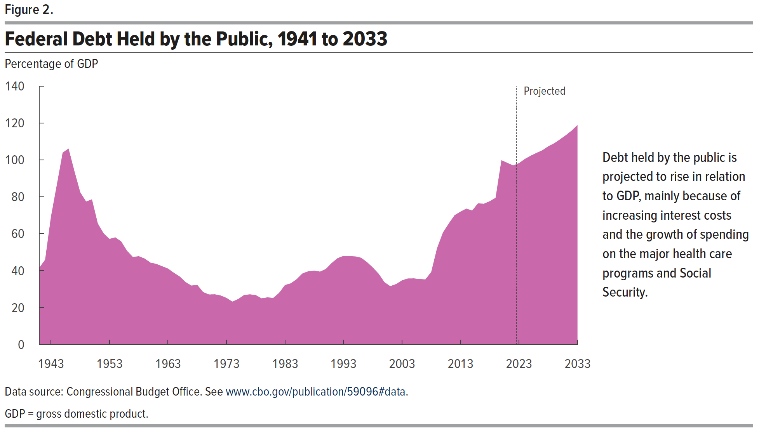
 | Debt Held by the Public
1941 | 41.5
1942 | 45.9
1943 | 69.2
1944 | 86.4
1945 | 103.9
1946 | 106.1
1947 | 93.9
1948 | 82.4
1949 | 77.4
1950 | 78.6
1951 | 65.5
1952 | 60.1
1953 | 57.2
1954 | 58.0
1955 | 55.8
1956 | 50.7
1957 | 47.3
1958 | 47.8
1959 | 46.5
1960 | 44.3
1961 | 43.6
1962 | 42.3
1963 | 41.1
1964 | 38.8
1965 | 36.8
1966 | 33.8
1967 | 31.9
1968 | 32.3
1969 | 28.4
1970 | 27.1
1971 | 27.1
1972 | 26.5
1973 | 25.2
1974 | 23.2
1975 | 24.6
1976 | 26.7
1977 | 27.1
1978 | 26.7
1979 | 25.0
1980 | 25.5
1981 | 25.2
1982 | 27.9
1983 | 32.2
1984 | 33.1
1985 | 35.3
1986 | 38.5
1987 | 39.6
1988 | 39.9
1989 | 39.4
1990 | 40.9
1991 | 44.1
1992 | 46.8
1993 | 47.9
1994 | 47.8
1995 | 47.7
1996 | 47.0
1997 | 44.6
1998 | 41.7
1999 | 38.3
2000 | 33.7
2001 | 31.5
2002 | 32.7
2003 | 34.7
2004 | 35.7
2005 | 35.8
2006 | 35.4
2007 | 35.2
2008 | 39.2
2009 | 52.2
2010 | 60.6
2011 | 65.5
2012 | 70.0
2013 | 71.9
2014 | 73.6
2015 | 72.5
2016 | 76.4
2017 | 76.2
2018 | 77.6
2019 | 79.4
2020 | 99.8
2021 | 98.4
2022 | 96.9
2023 | 98.2
2024 | 100.4
2025 | 102.2
2026 | 103.7
2027 | 105.2
2028 | 107.3
2029 | 108.9
2030 | 111.0
2031 | 113.3
2032 | 115.8
2033 | 118.9

Back to Table of Contents

Figure 3
This file presents the data from the figures in CBO's May 2023 report An Update to the Budget Outlook: 2023 to 2033.
www.cbo.gov/publication/59096

Figure 3. Outlays and Revenues

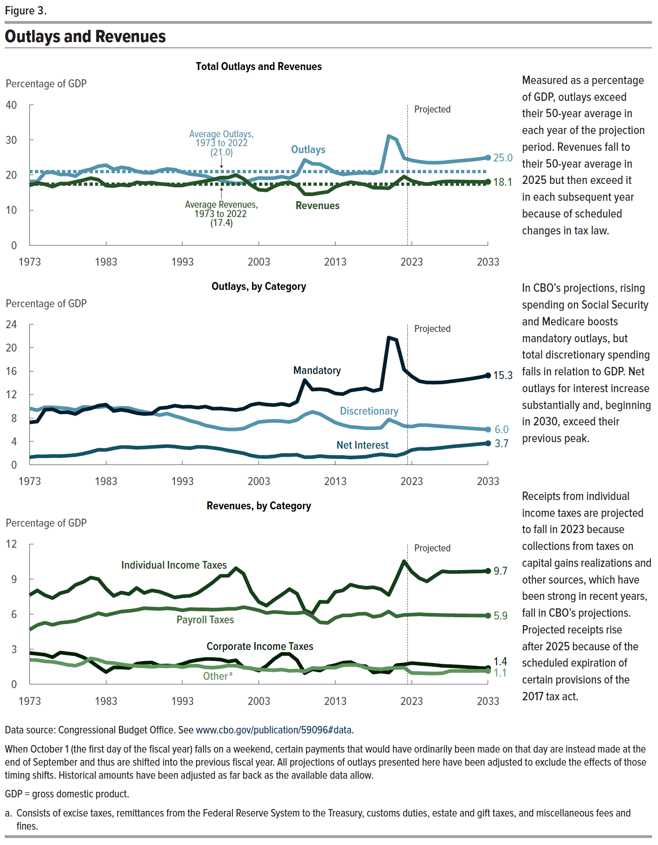
Total Outlays and Revenues |  |  |  |  | Outlays, by Category |  |  | Revenues, by Category
Percentage of GDP |  |  |  |  | Percentage of GDP |  |  | Percentage of GDP
 | Revenues | Outlays | Average Revenues, 1973 to 2022 | Average Outlays, 1973 to 2022 | Discretionary | Mandatory | Net Interest | Individual Income Taxes | Payroll Taxes | Corporate Income Taxes | Other
1973 | 17.1 | 18.2 | 17.4 | 21.0 | 9.6 | 7.2 | 1.3 | 7.6 | 4.7 | 2.7 | 2.1
1974 | 17.8 | 18.2 | 17.4 | 21.0 | 9.3 | 7.4 | 1.4 | 8.0 | 5.1 | 2.6 | 2.1
1975 | 17.4 | 20.7 | 17.4 | 21.0 | 9.8 | 9.4 | 1.4 | 7.6 | 5.3 | 2.5 | 2.0
1976 | 16.7 | 20.8 | 17.4 | 21.0 | 9.8 | 9.5 | 1.5 | 7.4 | 5.1 | 2.3 | 1.9
1977 | 17.6 | 20.2 | 17.4 | 21.0 | 9.7 | 9.0 | 1.5 | 7.8 | 5.3 | 2.7 | 1.8
1978 | 17.6 | 20.2 | 17.4 | 21.0 | 9.6 | 9.0 | 1.6 | 8.0 | 5.3 | 2.6 | 1.7
1979 | 18.1 | 19.7 | 17.4 | 21.0 | 9.4 | 8.7 | 1.7 | 8.5 | 5.4 | 2.6 | 1.6
1980 | 18.5 | 21.2 | 17.4 | 21.0 | 9.9 | 9.4 | 1.9 | 8.7 | 5.7 | 2.3 | 1.8
1981 | 19.1 | 21.6 | 17.4 | 21.0 | 9.8 | 9.6 | 2.2 | 9.1 | 5.8 | 2.0 | 2.2
1982 | 18.6 | 22.5 | 17.4 | 21.0 | 9.8 | 10.1 | 2.6 | 9.0 | 6.1 | 1.5 | 2.1
1983 | 17.0 | 22.8 | 17.4 | 21.0 | 10.0 | 10.3 | 2.5 | 8.2 | 5.9 | 1.0 | 1.9
1984 | 16.9 | 21.6 | 17.4 | 21.0 | 9.6 | 9.2 | 2.8 | 7.6 | 6.1 | 1.4 | 1.8
1985 | 17.2 | 22.2 | 17.4 | 21.0 | 9.7 | 9.4 | 3.0 | 7.8 | 6.2 | 1.4 | 1.7
1986 | 17.0 | 21.9 | 17.4 | 21.0 | 9.7 | 9.2 | 3.0 | 7.7 | 6.3 | 1.4 | 1.6
1987 | 17.9 | 21.1 | 17.4 | 21.0 | 9.3 | 8.8 | 2.9 | 8.2 | 6.4 | 1.8 | 1.6
1988 | 17.7 | 20.7 | 17.4 | 21.0 | 9.0 | 8.7 | 3.0 | 7.8 | 6.5 | 1.8 | 1.5
1989 | 17.8 | 20.6 | 17.4 | 21.0 | 8.8 | 8.7 | 3.0 | 8.0 | 6.5 | 1.9 | 1.5
1990 | 17.5 | 21.3 | 17.4 | 21.0 | 8.5 | 9.7 | 3.1 | 7.9 | 6.4 | 1.6 | 1.6
1991 | 17.3 | 21.7 | 17.4 | 21.0 | 8.8 | 9.8 | 3.2 | 7.7 | 6.5 | 1.6 | 1.5
1992 | 17.0 | 21.5 | 17.4 | 21.0 | 8.3 | 10.1 | 3.1 | 7.4 | 6.4 | 1.6 | 1.6
1993 | 17.0 | 20.8 | 17.4 | 21.0 | 8.0 | 9.9 | 2.9 | 7.5 | 6.3 | 1.7 | 1.5
1994 | 17.5 | 20.3 | 17.4 | 21.0 | 7.5 | 9.9 | 2.8 | 7.6 | 6.4 | 2.0 | 1.6
1995 | 17.9 | 20.0 | 17.4 | 21.0 | 7.2 | 9.8 | 3.1 | 7.8 | 6.4 | 2.1 | 1.6
1996 | 18.3 | 19.7 | 17.4 | 21.0 | 6.7 | 10.0 | 3.0 | 8.3 | 6.4 | 2.2 | 1.5
1997 | 18.7 | 18.9 | 17.4 | 21.0 | 6.5 | 9.6 | 2.9 | 8.7 | 6.4 | 2.2 | 1.4
1998 | 19.3 | 18.5 | 17.4 | 21.0 | 6.2 | 9.6 | 2.7 | 9.3 | 6.4 | 2.1 | 1.5
1999 | 19.3 | 18.0 | 17.4 | 21.0 | 6.0 | 9.5 | 2.4 | 9.3 | 6.5 | 1.9 | 1.6
2000 | 20.0 | 17.6 | 17.4 | 21.0 | 6.0 | 9.4 | 2.2 | 9.9 | 6.5 | 2.0 | 1.6
2001 | 18.9 | 17.7 | 17.4 | 21.0 | 6.2 | 9.6 | 2.0 | 9.4 | 6.6 | 1.4 | 1.4
2002 | 17.1 | 18.6 | 17.4 | 21.0 | 6.8 | 10.2 | 1.6 | 7.9 | 6.5 | 1.4 | 1.3
2003 | 15.8 | 19.2 | 17.4 | 21.0 | 7.3 | 10.5 | 1.4 | 7.0 | 6.3 | 1.2 | 1.3
2004 | 15.6 | 19.1 | 17.4 | 21.0 | 7.4 | 10.3 | 1.3 | 6.7 | 6.1 | 1.6 | 1.2
2005 | 16.8 | 19.1 | 17.4 | 21.0 | 7.5 | 10.2 | 1.4 | 7.2 | 6.2 | 2.2 | 1.2
2006 | 17.7 | 19.5 | 17.4 | 21.0 | 7.5 | 10.4 | 1.7 | 7.7 | 6.1 | 2.6 | 1.3
2007 | 18.0 | 19.1 | 17.4 | 21.0 | 7.3 | 10.1 | 1.7 | 8.1 | 6.1 | 2.6 | 1.2
2008 | 17.1 | 20.2 | 17.4 | 21.0 | 7.7 | 10.8 | 1.7 | 7.7 | 6.1 | 2.1 | 1.2
2009 | 14.6 | 24.3 | 17.4 | 21.0 | 8.6 | 14.5 | 1.3 | 6.3 | 6.2 | 1.0 | 1.1
2010 | 14.5 | 23.2 | 17.4 | 21.0 | 9.1 | 12.9 | 1.3 | 6.0 | 5.8 | 1.3 | 1.4
2011 | 14.9 | 23.1 | 17.4 | 21.0 | 8.7 | 12.9 | 1.5 | 7.1 | 5.3 | 1.2 | 1.4
2012 | 15.2 | 22.1 | 17.4 | 21.0 | 7.9 | 12.8 | 1.4 | 7.0 | 5.2 | 1.5 | 1.4
2013 | 16.7 | 20.7 | 17.4 | 21.0 | 7.2 | 12.2 | 1.3 | 7.9 | 5.7 | 1.6 | 1.4
2014 | 17.4 | 20.2 | 17.4 | 21.0 | 6.8 | 12.1 | 1.3 | 8.0 | 5.9 | 1.8 | 1.6
2015 | 18.0 | 20.4 | 17.4 | 21.0 | 6.5 | 12.7 | 1.2 | 8.5 | 5.9 | 1.9 | 1.7
2016 | 17.6 | 20.6 | 17.4 | 21.0 | 6.4 | 12.9 | 1.3 | 8.3 | 6.0 | 1.6 | 1.7
2017 | 17.2 | 20.7 | 17.4 | 21.0 | 6.2 | 13.1 | 1.4 | 8.2 | 6.0 | 1.5 | 1.4
2018 | 16.4 | 20.5 | 17.4 | 21.0 | 6.2 | 12.6 | 1.6 | 8.3 | 5.8 | 1.0 | 1.3
2019 | 16.4 | 21.0 | 17.4 | 21.0 | 6.3 | 12.9 | 1.8 | 8.1 | 5.9 | 1.1 | 1.3
2020 | 16.2 | 31.1 | 17.4 | 21.0 | 7.7 | 21.7 | 1.6 | 7.6 | 6.2 | 1.0 | 1.4
2021 | 17.9 | 30.1 | 17.4 | 21.0 | 7.2 | 21.3 | 1.6 | 9.0 | 5.8 | 1.6 | 1.4
2022 | 19.6 | 24.8 | 17.4 | 21.0 | 6.6 | 16.3 | 1.9 | 10.5 | 5.9 | 1.7 | 1.4
2023 | 18.4 | 24.2 | 17.4 | 21.0 | 6.5 | 15.1 | 2.5 | 9.6 | 6.0 | 1.8 | 1.0
2024 | 17.8 | 23.8 | 17.4 | 21.0 | 6.8 | 14.3 | 2.7 | 9.1 | 6.0 | 1.8 | 1.0
2025 | 17.4 | 23.5 | 17.4 | 21.0 | 6.8 | 14.1 | 2.7 | 8.8 | 6.0 | 1.7 | 0.9
2026 | 17.8 | 23.5 | 17.4 | 21.0 | 6.7 | 14.0 | 2.8 | 9.2 | 5.9 | 1.7 | 0.9
2027 | 18.1 | 23.6 | 17.4 | 21.0 | 6.6 | 14.1 | 2.9 | 9.7 | 5.9 | 1.6 | 0.9
2028 | 18.2 | 23.8 | 17.4 | 21.0 | 6.5 | 14.2 | 3.1 | 9.6 | 5.9 | 1.6 | 1.1
2029 | 18.2 | 24.0 | 17.4 | 21.0 | 6.4 | 14.4 | 3.2 | 9.6 | 5.9 | 1.5 | 1.1
2030 | 18.1 | 24.2 | 17.4 | 21.0 | 6.3 | 14.6 | 3.3 | 9.6 | 5.9 | 1.5 | 1.1
2031 | 18.1 | 24.4 | 17.4 | 21.0 | 6.2 | 14.8 | 3.4 | 9.6 | 5.9 | 1.4 | 1.1
2032 | 18.1 | 24.7 | 17.4 | 21.0 | 6.1 | 15.0 | 3.6 | 9.6 | 5.9 | 1.4 | 1.2
2033 | 18.1 | 25.0 | 17.4 | 21.0 | 6.0 | 15.3 | 3.7 | 9.7 | 5.9 | 1.4 | 1.1

Back to Table of Contents

