Table 1
This file presents the data from the tables and figure in CBO’s April 2024 report Acquisition Costs of the Navy’s Medium Landing Ship.
www.cbo.gov/publication/60071

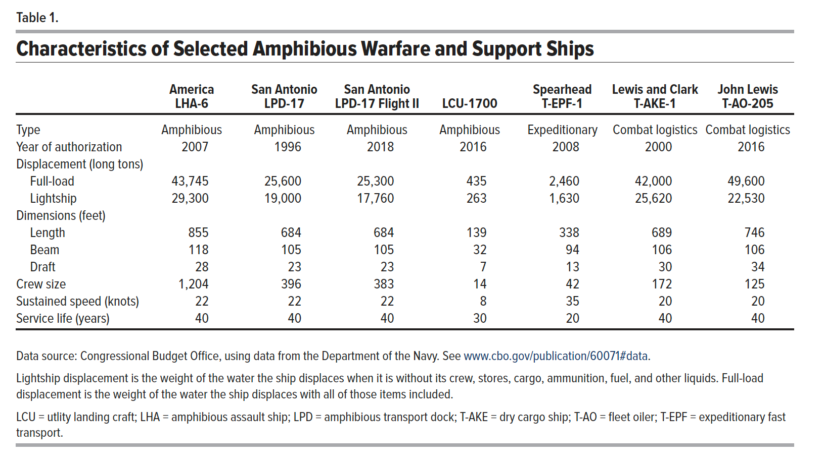
Table 1. Characteristics of Selected Amphibious Warfare and Support Ships

 | America LHA-6 | San Antonio LPD-17 | San Antonio LPD-17 Flight II | LCU-1700 | Spearhead T-EPF-1 | Lewis and Clark T-AKE-1 | John Lewis T-AO-205
Type | Amphibious | Amphibious | Amphibious | Amphibious | Expeditionary | Combat logistics | Combat logistics
Year of authorization | 2007 | 1996 | 2018 | 2016 | 2008 | 2000 | 2016
Displacement (long tons)
Full-load | 43,745 | 25,600 | 25,300 | 435 | 2,460 | 42,000 | 49,600
Lightship | 29,300 | 19,000 | 17,760 | 263 | 1,630 | 25,620 | 22,530
Dimensions (feet)
Length | 855 | 684 | 684 | 139 | 338 | 689 | 746
Beam | 118 | 105 | 105 | 32 | 94 | 106 | 106
Draft | 28 | 23 | 23 | 7 | 13 | 30 | 34
Crew size | 1,204 | 396 | 383 | 14 | 42 | 172 | 125
Sustained speed (knots) | 22 | 22 | 22 | 8 | 35 | 20 | 20
Service life (years) | 40 | 40 | 40 | 30 | 20 | 40 | 40

Back to Table of Contents

Table 2
This file presents the data from the tables and figure in CBO’s April 2024 report Acquisition Costs of the Navy’s Medium Landing Ship.
www.cbo.gov/publication/60071

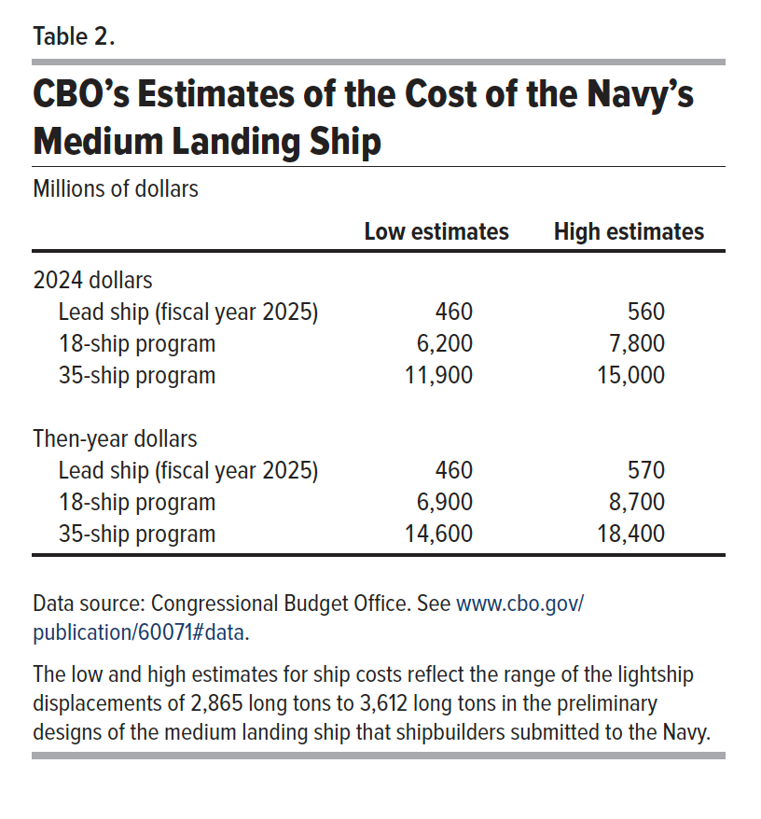
Table 2. CBO’s Estimates of the Cost of the Navy’s Medium Landing Ship
Millions of dollars

 | Low estimates | High estimates
2024 dollars
Lead ship (fiscal year 2025) | 460 | 560
18-ship program | 6,200 | 7,800
35-ship program | 11,900 | 15,000

Then-year dollars
Lead ship (fiscal year 2025) | 460 | 570
18-ship program | 6,900 | 8,700
35-ship program | 14,600 | 18,400

Back to Table of Contents

Figure 1
This file presents the data from the tables and figure in CBO’s April 2024 report Acquisition Costs of the Navy’s Medium Landing Ship.
www.cbo.gov/publication/60071

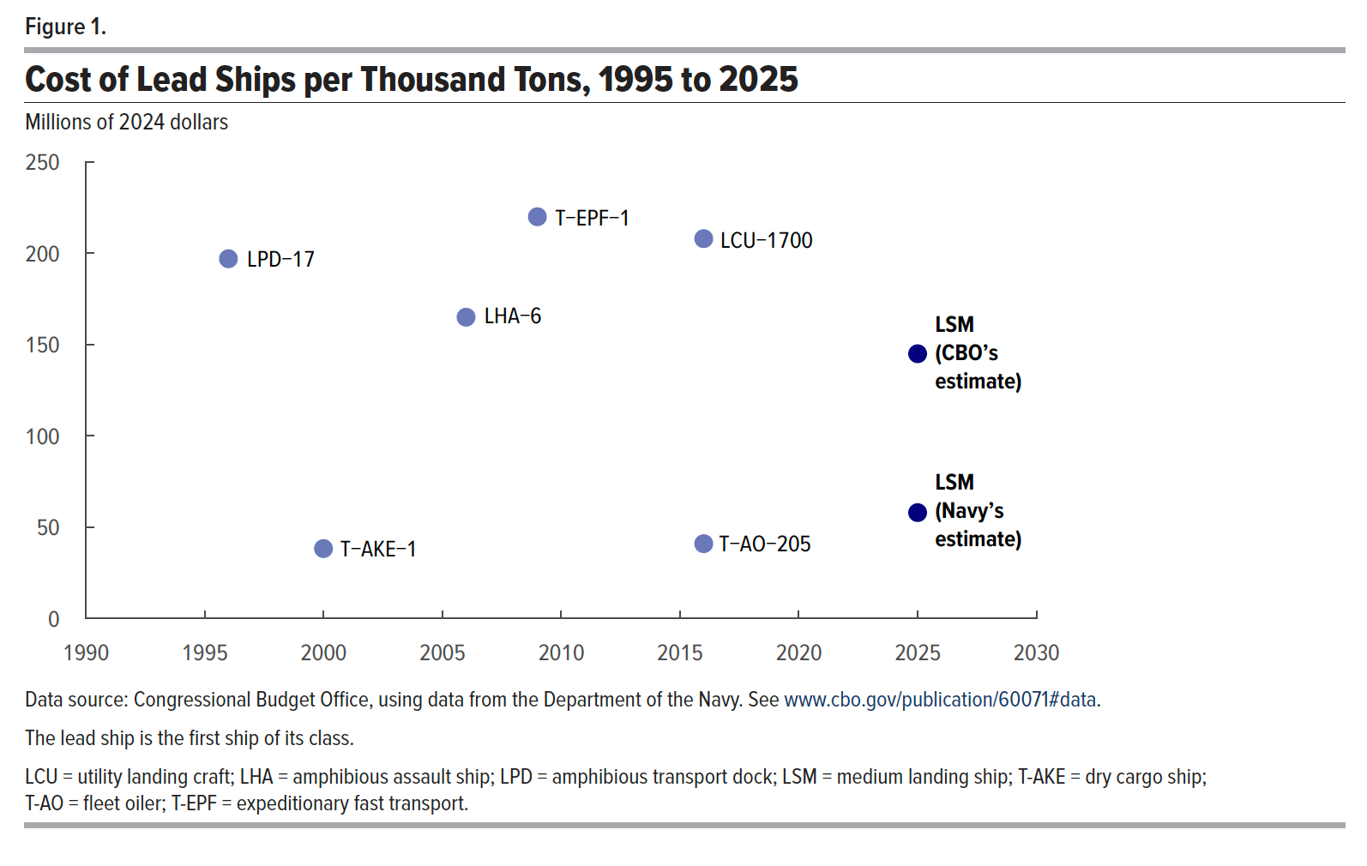
Figure 1. Cost of Lead Ships per Thousand Tons, 1995-2025
Millions of 2024 dollars

Year | Cost | Ship
1990
1991
1992
1993
1994
1995
1996 | 197 | LPD-17
1997
1998
1999
2000 | 38 | T-AKE-1
2001
2002
2003
2004
2005
2006 | 165 | LHA-6
2007
2007
2008
2009 | 220 | T-EPF-1
2009
2010
2011
2012
2013
2014
2015
2016 | 208 | LCU-1700
2016 | 41 | T-AO-205
2017
2018
2019
2020
2021
2022
2023
2024
2025 | 145 | LSM (CBO’s estimate)
2025 | 58 | LSM (Navy’s estimate)
2026
2027
2028
2029
2030

Back to Table of Contents

